I.1
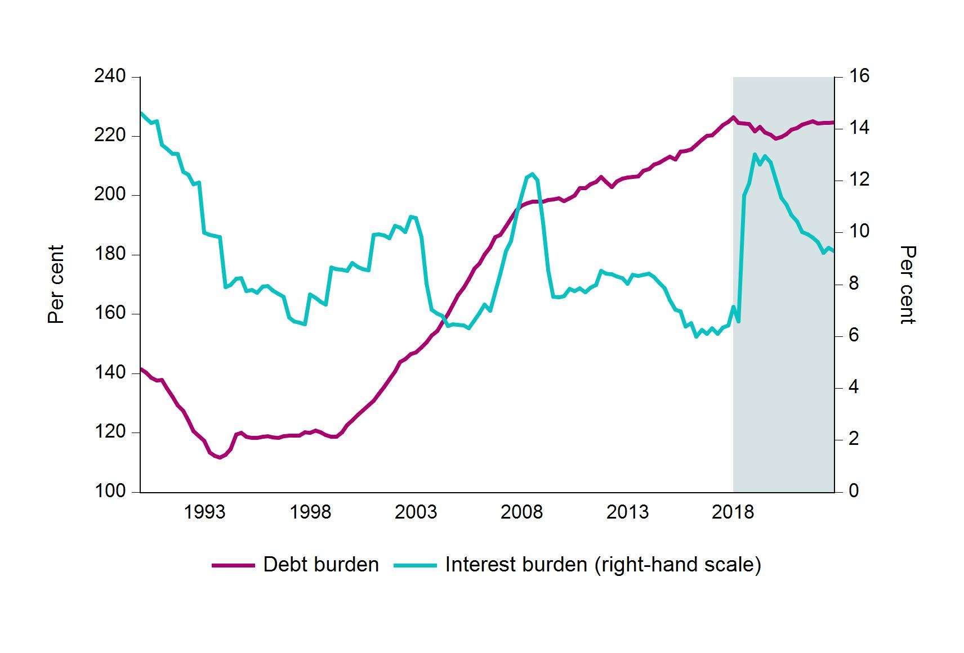
 | Debt burden | Interest burden (right-hand scale)
1990Q1 | 141.5 | 14.6
1990Q2 | 140.4 | 14.4
1990Q3 | 138.5 | 14.2
1990Q4 | 137.7 | 14.3
1991Q1 | 137.8 | 13.4
1991Q2 | 135 | 13.2
1991Q3 | 132.1 | 13
1991Q4 | 129.2 | 13
1992Q1 | 127.4 | 12.3
1992Q2 | 124.1 | 12.2
1992Q3 | 120.5 | 11.9
1992Q4 | 118.9 | 11.9
1993Q1 | 117.4 | 10
1993Q2 | 113.4 | 9.9
1993Q3 | 112.2 | 9.9
1993Q4 | 111.7 | 9.8
1994Q1 | 112.6 | 7.9
1994Q2 | 114.5 | 8
1994Q3 | 119.4 | 8.2
1994Q4 | 119.9 | 8.3 | Stress scenario. Households’ average debt burden and interest burden
1995Q1 | 118.6 | 7.8 | Sources: Statistics Norway and Finanstilsynet
1995Q2 | 118.2 | 7.8
1995Q3 | 118.2 | 7.7
1995Q4 | 118.7 | 7.9
1996Q1 | 118.8 | 7.9
1996Q2 | 118.5 | 7.8
1996Q3 | 118.4 | 7.6
1996Q4 | 118.8 | 7.5
1997Q1 | 119 | 6.7
1997Q2 | 119 | 6.6
1997Q3 | 119.1 | 6.5
1997Q4 | 120.1 | 6.5
1998Q1 | 120.1 | 7.6
1998Q2 | 120.7 | 7.5
1998Q3 | 120.3 | 7.3
1998Q4 | 119.2 | 7.2
1999Q1 | 118.7 | 8.7
1999Q2 | 118.7 | 8.6
1999Q3 | 120.2 | 8.6
1999Q4 | 122.7 | 8.5
2000Q1 | 124.1 | 8.8
2000Q2 | 126.2 | 8.7
2000Q3 | 127.6 | 8.6
2000Q4 | 129.4 | 8.6
2001Q1 | 130.8 | 9.9
2001Q2 | 133.1 | 9.9
2001Q3 | 135.5 | 9.9
2001Q4 | 138.1 | 9.8
2002Q1 | 140.6 | 10.3
2002Q2 | 143.9 | 10.2
2002Q3 | 144.8 | 10
2002Q4 | 146.5 | 10.6
2003Q1 | 147.1 | 10.6
2003Q2 | 148.8 | 9.8
2003Q3 | 150.6 | 8
2003Q4 | 152.8 | 7
2004Q1 | 154.4 | 6.9
2004Q2 | 157.2 | 6.8
2004Q3 | 160.1 | 6.4
2004Q4 | 163.3 | 6.5
2005Q1 | 166.4 | 6.4
2005Q2 | 169 | 6.4
2005Q3 | 171.8 | 6.3
2005Q4 | 175.4 | 6.6
2006Q1 | 177 | 6.9
2006Q2 | 180.1 | 7.2
2006Q3 | 182.6 | 7
2006Q4 | 186.1 | 7.7
2007Q1 | 186.8 | 8.4
2007Q2 | 189.7 | 9.3
2007Q3 | 192.3 | 9.7
2007Q4 | 195.1 | 10.7
2008Q1 | 196.6 | 11.4
2008Q2 | 197.4 | 12.1
2008Q3 | 198 | 12.3
2008Q4 | 197.9 | 12
2009Q1 | 198 | 10.4
2009Q2 | 198.6 | 8.6
2009Q3 | 198.8 | 7.5
2009Q4 | 199.1 | 7.5
2010Q1 | 198.1 | 7.6
2010Q2 | 199.1 | 7.8
2010Q3 | 200 | 7.8
2010Q4 | 202.6 | 7.9
2011Q1 | 202.6 | 7.7
2011Q2 | 203.8 | 7.9
2011Q3 | 204.7 | 8
2011Q4 | 206.3 | 8.5
2012Q1 | 204.7 | 8.4
2012Q2 | 202.8 | 8.4
2012Q3 | 204.9 | 8.3
2012Q4 | 205.8 | 8.2
2013Q1 | 206.1 | 8
2013Q2 | 206.2 | 8.4
2013Q3 | 206.6 | 8.3
2013Q4 | 208.4 | 8.4
2014Q1 | 209.1 | 8.4
2014Q2 | 210.4 | 8.3
2014Q3 | 211.1 | 8.1
2014Q4 | 212.3 | 7.9
2015Q1 | 213.2 | 7.4
2015Q2 | 212.2 | 7
2015Q3 | 214.9 | 7
2015Q4 | 215.1 | 6.4
2016Q1 | 215.6 | 6.5
2016Q2 | 217.1 | 6
2016Q3 | 218.9 | 6.3
2016Q4 | 220.2 | 6.1
2017Q1 | 220.3 | 6.3
2017Q2 | 222.1 | 6.1
2017Q3 | 223.8 | 6.3
2017Q4 | 225 | 6.4
2018Q1 | 226.4 | 7.1
2018Q2 | 224.5 | 6.6
2018Q3 | 224.3 | 11.4
2018Q4 | 224.2 | 11.9
2019Q1 | 221.8 | 13
2019Q2 | 223.1 | 12.6
2019Q3 | 221.2 | 13
2019Q4 | 220.6 | 12.7
2020Q1 | 219.2 | 12.1
2020Q2 | 219.9 | 11.3
2020Q3 | 220.7 | 11.1
2020Q4 | 222.3 | 10.7
2021Q1 | 222.9 | 10.4
2021Q2 | 224 | 10
2021Q3 | 224.6 | 9.9
2021Q4 | 225.1 | 9.8
2022Q1 | 224.4 | 9.6
2022Q2 | 224.5 | 9.2
2022Q3 | 224.6 | 9.4
2022Q4 | 224.7 | 9.3

I.2
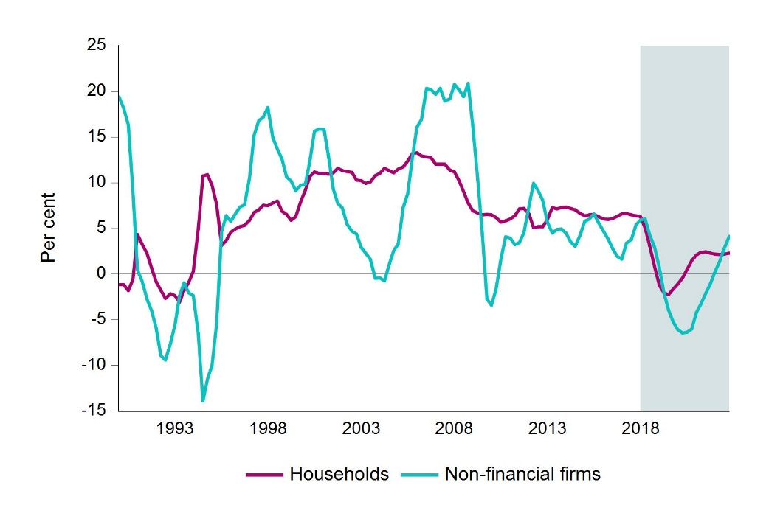
 | Households | Non-financial firms
1990Q1 | -1.2 | 19.4
1990Q2 | -1.2 | 18.1
1990Q3 | -1.8 | 16.3
1990Q4 | -0.6 | 9.1
1991Q1 | 4.3 | 0.4
1991Q2 | 3.3 | -0.8
1991Q3 | 2.2 | -2.8
1991Q4 | 0.6 | -4
1992Q1 | -0.9 | -6
1992Q2 | -1.8 | -8.9
1992Q3 | -2.7 | -9.4
1992Q4 | -2.2 | -7.6
1993Q1 | -2.4 | -5.6
1993Q2 | -3.1 | -2.4 | Stress scenario. Credit growth* for households and non-financial firms
1993Q3 | -1.8 | -1 | * 12-month growth in outstanding holding may diverge from transaction-based growth in the C2 statistics. Sources: Statistics Norway and Finanstilsynet.
1993Q4 | -0.9 | -2.1
1994Q1 | 0.3 | -2.4
1994Q2 | 5 | -6.6
1994Q3 | 10.7 | -13.9
1994Q4 | 10.9 | -11.5
1995Q1 | 9.7 | -10
1995Q2 | 7.6 | -5.5
1995Q3 | 3.1 | 4.6
1995Q4 | 3.7 | 6.4
1996Q1 | 4.6 | 5.8
1996Q2 | 4.9 | 6.6
1996Q3 | 5.2 | 7.3
1996Q4 | 5.3 | 7.6
1997Q1 | 5.9 | 10.5
1997Q2 | 6.7 | 15.2
1997Q3 | 7 | 16.8
1997Q4 | 7.5 | 17.2
1998Q1 | 7.5 | 18.2
1998Q2 | 7.8 | 14.9
1998Q3 | 8 | 13.7
1998Q4 | 6.9 | 12.6
1999Q1 | 6.5 | 10.6
1999Q2 | 5.9 | 10.2
1999Q3 | 6.3 | 9.1
1999Q4 | 7.9 | 9.7
2000Q1 | 9.2 | 9.8
2000Q2 | 10.7 | 12.4
2000Q3 | 11.2 | 15.6
2000Q4 | 11 | 15.9
2001Q1 | 11 | 15.8
2001Q2 | 10.9 | 12.8
2001Q3 | 11.1 | 9.3
2001Q4 | 11.6 | 7.7
2002Q1 | 11.3 | 7.2
2002Q2 | 11.2 | 5.5
2002Q3 | 11.1 | 4.7
2002Q4 | 10.3 | 4.4
2003Q1 | 10.2 | 2.9
2003Q2 | 9.9 | 2.3
2003Q3 | 10.1 | 1.6
2003Q4 | 10.8 | -0.5
2004Q1 | 11 | -0.4
2004Q2 | 11.6 | -0.8
2004Q3 | 11.3 | 1
2004Q4 | 11.1 | 2.5
2005Q1 | 11.5 | 3.3
2005Q2 | 11.7 | 7.3
2005Q3 | 12.4 | 8.8
2005Q4 | 13.2 | 12.7
2006Q1 | 13.3 | 16.1
2006Q2 | 12.9 | 16.9
2006Q3 | 12.8 | 20.3
2006Q4 | 12.7 | 20.2
2007Q1 | 12 | 19.7
2007Q2 | 12 | 20.3
2007Q3 | 12 | 18.9
2007Q4 | 11.4 | 19.2
2008Q1 | 11.2 | 20.8
2008Q2 | 10.2 | 20.2
2008Q3 | 9 | 19.4
2008Q4 | 7.8 | 20.9
2009Q1 | 6.9 | 16.3
2009Q2 | 6.7 | 10.3
2009Q3 | 6.5 | 4.4
2009Q4 | 6.5 | -2.7
2010Q1 | 6.5 | -3.4
2010Q2 | 6.2 | -1.7
2010Q3 | 5.7 | 1.7
2010Q4 | 5.8 | 4.1
2011Q1 | 6 | 3.9
2011Q2 | 6.4 | 3.2
2011Q3 | 7.1 | 3.4
2011Q4 | 7.2 | 4.5
2012Q1 | 6.6 | 7.4
2012Q2 | 5.1 | 9.9
2012Q3 | 5.2 | 9.1
2012Q4 | 5.2 | 8.1
2013Q1 | 5.9 | 5.7
2013Q2 | 7.3 | 4.5
2013Q3 | 7.1 | 4.9
2013Q4 | 7.3 | 4.9
2014Q1 | 7.3 | 4.5
2014Q2 | 7.2 | 3.5
2014Q3 | 7 | 3
2014Q4 | 6.6 | 4.3
2015Q1 | 6.4 | 5.8
2015Q2 | 6.5 | 6
2015Q3 | 6.5 | 6.6
2015Q4 | 6.3 | 5.6
2016Q1 | 6 | 4.7
2016Q2 | 6 | 3.8
2016Q3 | 6.1 | 2.8
2016Q4 | 6.3 | 1.9
2017Q1 | 6.6 | 1.6
2017Q2 | 6.6 | 3.4
2017Q3 | 6.5 | 3.8
2017Q4 | 6.4 | 5.4
2018Q1 | 6.3 | 5.9
2018Q2 | 5 | 6
2018Q3 | 3.1 | 4.3
2018Q4 | 0.7 | 2.9
2019Q1 | -1.2 | 0.7
2019Q2 | -2.1 | -2
2019Q3 | -2.3 | -3.9
2019Q4 | -1.7 | -5.2
2020Q1 | -1.1 | -6.1
2020Q2 | -0.4 | -6.5
2020Q3 | 0.5 | -6.4
2020Q4 | 1.5 | -6
2021Q1 | 2.1 | -4.2
2021Q2 | 2.4 | -3.3
2021Q3 | 2.4 | -2.1
2021Q4 | 2.3 | -1
2022Q1 | 2.2 | 0.3
2022Q2 | 2.1 | 1.4
2022Q3 | 2.2 | 2.8
2022Q4 | 2.3 | 4.1

I. 3
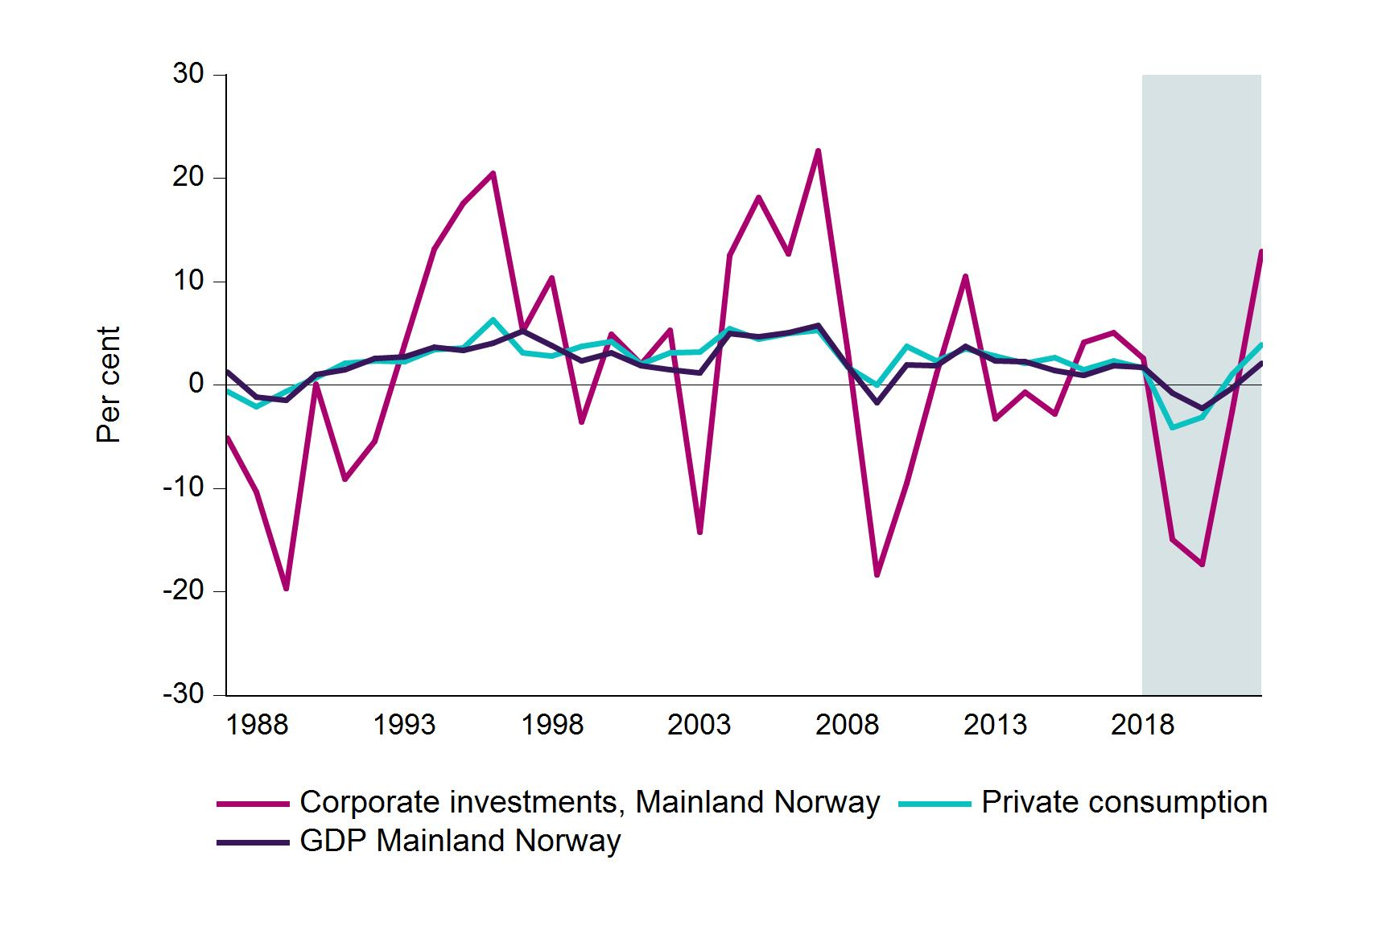
 | Corporate investments, Mainland Norway | Private consumption | GDP Mainland Norway
1987 | -5.1 | -0.6 | 1.3
1988 | -10.3 | -2.1 | -1.2
1989 | -19.7 | -0.6 | -1.5
1990 | 0.1 | 0.7 | 1
1991 | -9.1 | 2.1 | 1.5
1992 | -5.4 | 2.4 | 2.6
1993 | 3.9 | 2.3 | 2.7
1994 | 13.2 | 3.4 | 3.6
1995 | 17.6 | 3.6 | 3.4
1996 | 20.5 | 6.3 | 4.1
1997 | 5.2 | 3.1 | 5.2
1998 | 10.3 | 2.8 | 3.8
1999 | -3.6 | 3.7 | 2.4
2000 | 4.9 | 4.2 | 3.1
2001 | 2 | 2.1 | 1.9
2002 | 5.3 | 3.1 | 1.5
2003 | -14.2 | 3.2 | 1.2 | Stress scenario. GDP Mainland Norway, private consumption and corporate investments in Mainland Norway
2004 | 12.5 | 5.4 | 5 | Sources: Statistics Norway and Finanstilsynet.
2005 | 18.2 | 4.4 | 4.7
2006 | 12.7 | 5 | 5
2007 | 22.7 | 5.3 | 5.7
2008 | 3.1 | 1.7 | 1.8
2009 | -18.4 | 0 | -1.7
2010 | -9.5 | 3.8 | 1.9
2011 | 1.1 | 2.3 | 1.9
2012 | 10.5 | 3.5 | 3.7
2013 | -3.2 | 2.8 | 2.3
2014 | -0.7 | 2.1 | 2.2
2015 | -2.8 | 2.6 | 1.4
2016 | 4.1 | 1.5 | 1
2017 | 5.1 | 2.3 | 1.8
2018 | 2.6 | 1.6 | 1.7
2019 | -15 | -4.1 | -0.8
2020 | -17.3 | -3.1 | -2.3
2021 | -2.6 | 1 | -0.3
2022 | 12.9 | 3.9 | 2.1

I.4
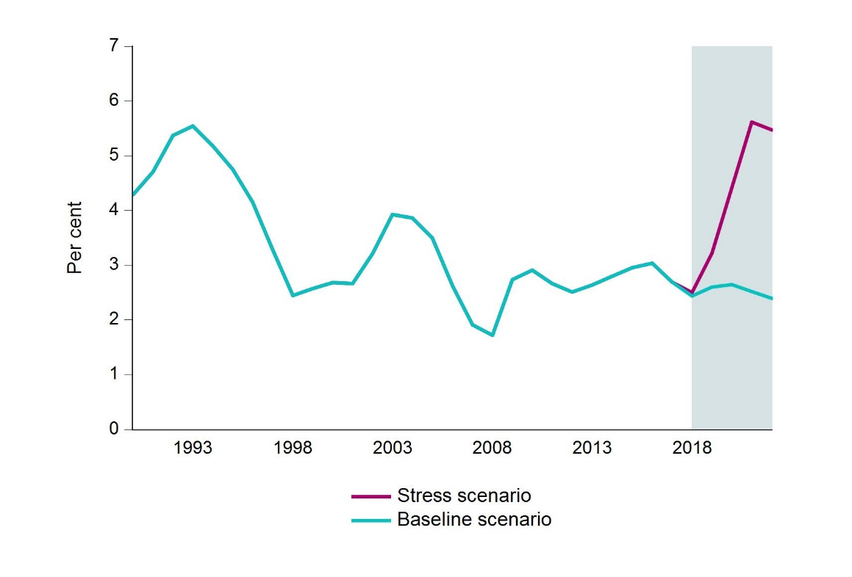
 | Baseline scenario | Stress scenario
1990 | 4.3 | 4.3
1991 | 4.7 | 4.7
1992 | 5.4 | 5.4
1993 | 5.5 | 5.5
1994 | 5.2 | 5.2
1995 | 4.8 | 4.8
1996 | 4.2 | 4.2
1997 | 3.3 | 3.3
1998 | 2.5 | 2.5
1999 | 2.6 | 2.6
2000 | 2.7 | 2.7
2001 | 2.7 | 2.7
2002 | 3.2 | 3.2
2003 | 3.9 | 3.9
2004 | 3.9 | 3.9
2005 | 3.5 | 3.5
2006 | 2.6 | 2.6
2007 | 1.9 | 1.9 | Baseline scenario and stress scenario. Unemployment
2008 | 1.7 | 1.7 | Sources: Statistics Norway and Finanstilsynet
2009 | 2.7 | 2.7
2010 | 2.9 | 2.9
2011 | 2.7 | 2.7
2012 | 2.5 | 2.5
2013 | 2.6 | 2.6
2014 | 2.8 | 2.8
2015 | 3 | 3
2016 | 3 | 3
2017 | 2.7 | 2.7
2018 | 2.4 | 2.5
2019 | 2.6 | 3.2
2020 | 2.6 | 4.4
2021 | 2.5 | 5.6
2022 | 2.4 | 5.5

I.5
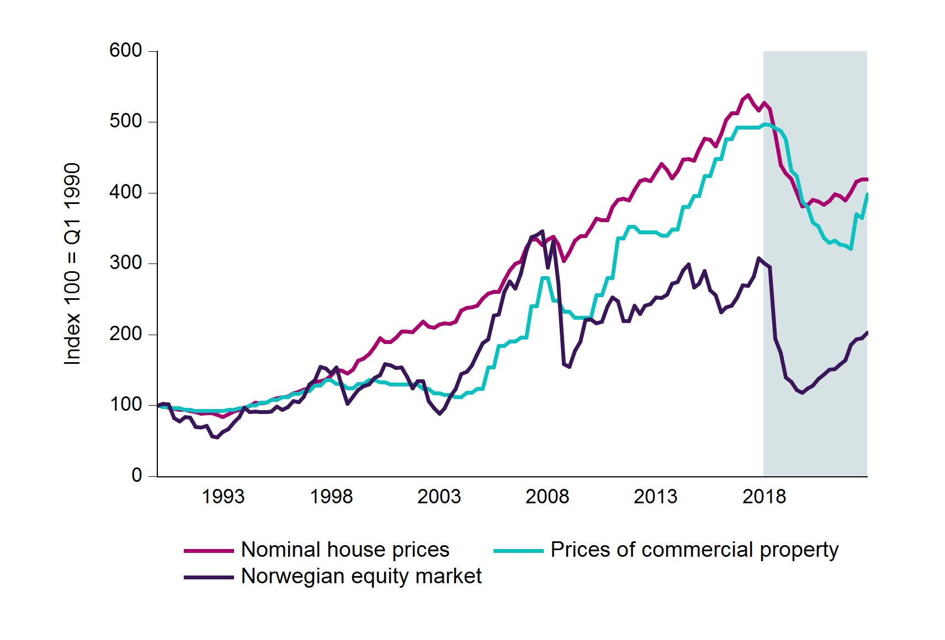
 | Nominal house prices | Prices of commercial property | Norwegian equity market
1990Q1 | 100 | 100 | 100
1990Q2 | 98.5 | 98 | 102
1990Q3 | 96.9 | 98 | 101.3
1990Q4 | 95.3 | 96 | 82
1991Q1 | 93.6 | 96 | 77.5
1991Q2 | 93.6 | 94 | 84
1991Q3 | 92.4 | 94 | 83.2
1991Q4 | 90.6 | 92 | 69.7
1992Q1 | 88.3 | 92 | 68.5
1992Q2 | 88.8 | 92 | 71.4
1992Q3 | 89.2 | 92 | 56.8
1992Q4 | 86.9 | 92 | 54.6
1993Q1 | 83.6 | 92 | 62.5
1993Q2 | 87.8 | 94 | 66.7
1993Q3 | 91.1 | 94 | 75.6
1993Q4 | 93.9 | 96 | 83.5
1994Q1 | 96.8 | 96 | 96.6
1994Q2 | 99.6 | 100 | 90.4
1994Q3 | 103.8 | 100 | 91.6
1994Q4 | 103.3 | 104 | 90.4
1995Q1 | 103.8 | 104 | 91 | Stress scenario. House prices, prices of commercial property and Norwegian equity market
1995Q2 | 108 | 108 | 91.6 | Sources: Statistics Norway, OPAK / Dagens Næringsliv, Thomson Reuters and Finanstilsynet
1995Q3 | 109.9 | 108 | 98.1
1995Q4 | 111.3 | 112 | 93.8
1996Q1 | 112.3 | 112 | 97.9
1996Q2 | 117.4 | 116 | 106.2
1996Q3 | 119.8 | 116 | 104.6
1996Q4 | 122.6 | 120 | 112.6
1997Q1 | 124.5 | 120 | 129.8
1997Q2 | 133.4 | 128 | 136.1
1997Q3 | 134.3 | 128 | 154.1
1997Q4 | 136.2 | 136 | 151.9
1998Q1 | 141.9 | 136 | 144.9
1998Q2 | 150.8 | 130 | 153.9
1998Q3 | 149.4 | 130 | 126.8
1998Q4 | 145.1 | 124 | 102.4
1999Q1 | 150.8 | 124 | 112.2
1999Q2 | 163 | 130 | 121.8
1999Q3 | 166.3 | 130 | 126.9
1999Q4 | 172.4 | 136 | 129.9
2000Q1 | 182.7 | 136 | 138.7
2000Q2 | 194.9 | 132.8 | 142.6
2000Q3 | 189.3 | 132.8 | 158.6
2000Q4 | 189.3 | 129.6 | 157.1
2001Q1 | 195.9 | 129.6 | 153
2001Q2 | 204.3 | 129.6 | 153.6
2001Q3 | 204.3 | 129.6 | 140.5
2001Q4 | 203.9 | 129.6 | 124.1
2002Q1 | 210.4 | 129.6 | 134.1
2002Q2 | 217.9 | 123.2 | 134.4
2002Q3 | 210.9 | 123.2 | 106.4
2002Q4 | 209.5 | 116.8 | 95.9
2003Q1 | 214.2 | 116.8 | 88.3
2003Q2 | 215.6 | 114.4 | 96.1
2003Q3 | 215.1 | 114.4 | 112.5
2003Q4 | 217.9 | 112 | 123.3
2004Q1 | 233.9 | 112 | 144.4
2004Q2 | 237.7 | 117.6 | 147.6
2004Q3 | 238.1 | 117.6 | 155.9
...

I.6
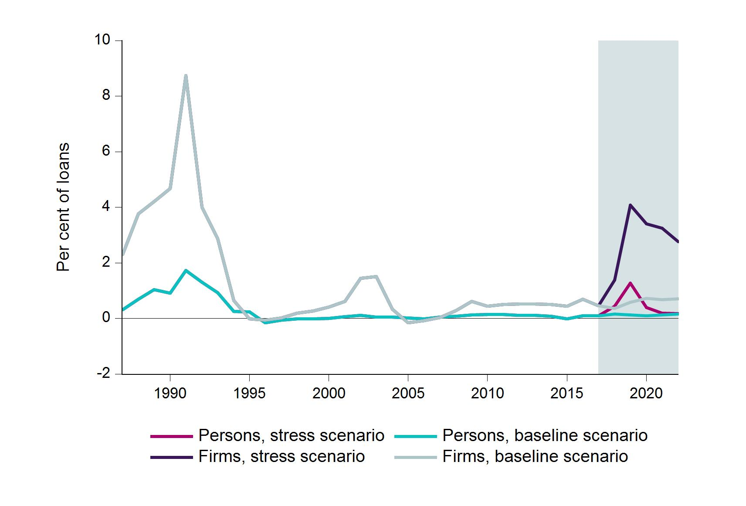
 | Persons, stress scenario | Persons, baseline scenario | Firms, stress scenario | Firms, baseline scenario
1987 | 0.31 | 0.31 | 2.3 | 2.3
1988 | 0.69 | 0.69 | 3.77 | 3.77
1989 | 1.03 | 1.03 | 4.2 | 4.2
1990 | 0.91 | 0.91 | 4.67 | 4.67
1991 | 1.72 | 1.72 | 8.73 | 8.73
1992 | 1.3 | 1.3 | 4 | 4
1993 | 0.93 | 0.93 | 2.87 | 2.87
1994 | 0.25 | 0.25 | 0.65 | 0.65
1995 | 0.23 | 0.23 | -0.01 | -0.01
1996 | -0.15 | -0.15 | -0.06 | -0.06
1997 | -0.06 | -0.06 | 0.02 | 0.02
1998 | -0.01 | -0.01 | 0.19 | 0.19
1999 | -0.01 | -0.01 | 0.27 | 0.27
2000 | 0 | 0 | 0.41 | 0.41
2001 | 0.06 | 0.06 | 0.61 | 0.61
2002 | 0.11 | 0.11 | 1.44 | 1.44
2003 | 0.05 | 0.05 | 1.5 | 1.5
2004 | 0.04 | 0.04 | 0.33 | 0.33
2005 | 0.02 | 0.02 | -0.15 | -0.15
2006 | -0.01 | -0.01 | -0.08 | -0.08
2007 | 0.04 | 0.04 | 0.03 | 0.03
2008 | 0.07 | 0.07 | 0.28 | 0.28
2009 | 0.12 | 0.12 | 0.61 | 0.61 | Baseline scenario and stress scenario. Loan losses
2010 | 0.15 | 0.15 | 0.44 | 0.44 | Source: Finanstilsynet
2011 | 0.14 | 0.14 | 0.51 | 0.51
2012 | 0.11 | 0.11 | 0.51 | 0.51
2013 | 0.12 | 0.12 | 0.52 | 0.52
2014 | 0.07 | 0.07 | 0.5 | 0.5
2015 | -0.02 | -0.02 | 0.44 | 0.44
2016 | 0.09 | 0.09 | 0.69 | 0.69
2017 | 0.09 | 0.09 | 0.46 | 0.46
2018 | 0.45 | 0.16 | 1.38 | 0.36
...

I.7
 | Profit | Loan losses | Net interest income | Value change, securities
2017 | 0.84 | -0.10 | 1.53 | 0.11
2018 | 0.14 | -0.64 | 1.45 | -0.06
2019 | -1.31 | -1.83 | 1.15 | -0.06
2020 | -0.48 | -1.15 | 1.25 | -0.02
2021 | -0.24 | -0.97 | 1.32 | 0.00
2022 | -0.04 | -0.84 | 1.38 | 0.03

 |  |  |  |  | Profit and main profit components. Stress scenario. Norwegian banking groups
 |  |  |  |  | Source: Finanstilsynet

I.8
 | CET1 capital ratio (right-hand scale) | Contribution from profit | Contribution from risk weights | Contribution from total assets
2017 | 15.90 | 0.00 | 0.00 | 0.00
2018 | 15.50 | 0.20 | -0.30 | -0.30
2019 | 12.70 | -2.80 | -0.60 | 0.20
2020 | 11.80 | -3.90 | -0.50 | 0.30
2021 | 11.20 | -4.40 | -0.40 | 0.20
2022 | 10.80 | -4.60 | -0.50 | -0.10

 | CET1 capital ratio (right-hand scale) | Contribution from profit | Contribution from risk weights | Contribution from total assets
2017 | 15.90% | 0.00% | 0.00% | 0.00%
2018 | 15.50% | 0.20% | -0.30% | -0.30%
2019 | 12.70% | -2.80% | -0.60% | 0.20% | CET1 capital adequacy and accumulated contribution to change. Stress scenario. Norwegian banking groups
2020 | 11.80% | -3.90% | -0.50% | 0.30% | Source: Finanstilsynet
2021 | 11.20% | -4.40% | -0.40% | 0.20%
2022 | 10.80% | -4.60% | -0.50% | -0.10%

I.9
2018 | 2019 | 2020 | 2021 | 2022
0.12 | -3.19 | -4.50 | -5.47 | -6.17
1.61 | -1.17 | -2.63 | -3.66 | -4.29
0.90 | -1.72 | -2.84 | -3.67 | -4.12
0.16 | -2.47 | -2.98 | -3.09 | -3.19
0.26 | -2.43 | -2.97 | -3.10 | -3.17
0.64 | -1.74 | -2.17 | -2.38 | -2.56
0.90 | -1.27 | -1.83 | -1.86 | -1.97
0.61 | -1.13 | -1.52 | -1.71 | -1.78
1.33 | -0.59 | -1.22 | -1.60 | -1.78
0.71 | -0.91 | -1.21 | -1.39 | -1.49
0.83 | -1.43 | -1.52 | -1.41 | -1.40
1.00 | -0.91 | -1.19 | -1.30 | -1.36
0.92 | -1.39 | -1.12 | -0.72 | -0.30
1.36 | 0.06 | 0.10 | 0.10 | 0.12
1.18 | -0.01 | 0.44 | 0.74 | 0.84
2.75 | 0.94 | 0.97 | 1.05 | 1.09
2.03 | 0.90 | 1.01 | 1.08 | 1.15
2.93 | 1.76 | 1.79 | 1.87 | 2.15
7.94 | 6.52 | 6.60 | 6.40 | 6.01

 |  |  |  |  | Difference between actual CET1 capital adequacy and required CET1 capital adequacy at the end of the stress scenario (incl. Pillar 2 requirements and buffer requirements; countercyclical capital buffer assumed to remain unchanged at 2 per cent throughout the period). Stress scenario. Norwegian banking groups

 |  |  |  |  | Source: Finanstilsynet

I.10
 | CET1 capital adequacy (right-hand scale) | Profit | Net interest income | Loan losses
2017 | 18.32 | 1.10 | 1.83 | -0.07
2018 | 18.01 | 0.38 | 1.75 | -0.70
2019 | 16.43 | -1.06 | 1.45 | -1.97
2020 | 16.08 | -0.19 | 1.59 | -1.22
2021 | 15.77 | 0.03 | 1.65 | -1.03
2022 | 15.54 | 0.19 | 1.70 | -0.90

 |  |  |  |  | CET1 capital adequacy, profit, net interest revenues and loan losses. Stress scenario. Small Norwegian banks
 |  |  |  |  | Source: Finanstilsynet

I.11
1 | 2.3
2 | 4.5
3 | 5.2
4 | 5.2
5 | 5.7
6 | 6.6
7 | 7.0
8 | 7.2
9 | 8.3
10 | 8.3
11 | 8.4
12 | 8.5
13 | 8.5
14 | 9.4
15 | 9.5
16 | 9.5
17 | 9.7
18 | 10.0
19 | 10.2
20 | 10.4
21 | 10.5
22 | 11.3
23 | 12.2
24 | 12.2
25 | 12.4
26 | 12.5
27 | 12.6
28 | 12.8
29 | 12.8
30 | 13.2
31 | 13.2
32 | 13.3
33 | 13.6
34 | 13.7
35 | 13.8
36 | 13.9
37 | 14.1
38 | 14.2
39 | 14.2
40 | 14.2
41 | 14.6
42 | 14.8
43 | 15.2
44 | 15.3
45 | 15.3
46 | 15.3
47 | 15.3
48 | 15.4
49 | 15.4
50 | 15.5
...
 | Bank | 2022
1 | 1 | 2.3
2 | 2 | 4.5
3 | 3 | 5.2
4 | 4 | 5.2
5 | 5 | 5.7
6 | 6 | 6.6
7 | 7 | 7.0
8 | 8 | 7.2
9 | 9 | 8.3
10 | 10 | 8.3
11 | 11 | 8.4
12 | 12 | 8.5
13 | 13 | 8.5
14 | 14 | 9.4
15 | 15 | 9.5
16 | 16 | 9.5
17 | 17 | 9.7
18 | 18 | 10.0
19 | 19 | 10.2
20 | 20 | 10.4
21 | 21 | 10.5
22 | 22 | 11.3 | CET1 capital adequacy at the end of 2022. Stress scenario. Small Norwegian banks
23 | 23 | 12.2 | Source: Finanstilsynet
24 | 24 | 12.2
25 | 25 | 12.4
26 | 26 | 12.5
27 | 27 | 12.6
28 | 28 | 12.8
29 | 29 | 12.8
30 | 30 | 13.2
...

I.12
 | CET1 capital ratio (right-hand scale) | Profit | Net interest income | Loan losses
2017 | 18.51 | 3.27 | 8.23 | -1.53
2018 | 18.87 | 1.53 | 8.17 | -3.67
2019 | 9.71 | -6.68 | 5.91 | -10.17
2020 | 9.33 | 0.14 | 6.06 | -3.30
2021 | 10.29 | 1.86 | 6.61 | -1.67
2022 | 11.72 | 2.39 | 7.15 | -1.54

 |  |  |  |  | CET1 capital adequacy, profit, net interest revenues and loan losses (as a share of average total assets). Stress scenario. Norwegian consumer loan banks
 |  |  |  |  | Source: Finanstilsynet

I.A
 | Losses in per cent of ATA | Losses in per cent of loans to non-financial firms
Bank 19 | 5.87 | 25.27
Bank 18 | 5.60 | 22.00
Bank 17 | 5.57 | 18.28
Bank 16 | 4.82 | 15.01
Bank 15 | 4.57 | 14.22
Total | 4.16 | 14.86
Bank 14 | 3.95 | 14.44
Bank 13 | 3.78 | 17.14
Bank 12 | 3.47 | 14.14
Bank 11 | 3.14 | 17.22
Bank 10 | 2.96 | 15.73
Bank 9 | 2.94 | 10.32
Bank 8 | 2.94 | 15.51
Bank 7 | 2.49 | 11.87
Bank 6 | 2.34 | 11.56
Bank 5 | 2.20 | 11.60
Bank 4 | 0.97 | 10.45
Bank 3 | 0.63 | 15.12
Bank 2 | 0.47 | 15.19 | Accumulated losses on loans (2018-2022) to non-financial firms in per cent of ATA and loans to non-financial firms respectively as at 31 December 2017. Stress scenario. Norwegian banking groups
Bank 1 | 0.13 | 13.06 | Source: Finanstilsynet

