2.1
 | 1996 | 2001 | 2006 | 2011 | 2016
Germany | 101.8444 | 112.9773 | 105.722 | 96.49005 | 93.4142
USA | 96.36539 | 107.3607 | 140.1048 | 120.1928 | 111.3589
Finland | 65.99001 | 70.75904 | 109.3842 | 122.5305 | 133.0889
United Kingdom | 99.79963 | 114.4402 | 169.518 | 157.5595 | 152.7325
Ireland |  | 110.842 | 223.4425 | 236.9308 | 171.0374
Canada | 106.272 | 114.9241 | 144.0769 | 169.3156 | 178.3849
Sweden | 93.64787 | 119.4548 | 153.8151 | 167.9178 | 180.0515
Norway | 124.7727 | 148.205 | 198.4706 | 216.2688 | 230.5596
Netherlands | 157.865 | 196.3389 | 259.7259 | 287.6931 | 270.0735
Denmark | 200.1547 | 236.7646 | 299.3419 | 319.9125 | 285.2447
 | 1996 | 2001 | 2006 | 2011 | 2016
Germany | 101.8444 | 112.9773 | 105.722 | 96.49005 | 93.4142
USA | 96.36539 | 107.3607 | 140.1048 | 120.1928 | 111.3589
Finland | 65.99001 | 70.75904 | 109.3842 | 122.5305 | 133.0889
United Kingdom | 99.79963 | 114.4402 | 169.518 | 157.5595 | 152.7325
Ireland |  | 110.842 | 223.4425 | 236.9308 | 171.0374
Canada | 106.272 | 114.9241 | 144.0769 | 169.3156 | 178.3849
Sweden | 93.64787 | 119.4548 | 153.8151 | 167.9178 | 180.0515
Norway | 124.7727 | 148.205 | 198.4706 | 216.2688 | 230.5596
Netherlands | 157.865 | 196.3389 | 259.7259 | 287.6931 | 270.0735
Denmark | 200.1547 | 236.7646 | 299.3419 | 319.9125 | 285.2447

 |  |  |  |  |  | Household debt burden in selected countries
 |  |  |  |  |  | Source: OECD

2.2
 | Below 25 years | 25–34 years | 35–44 years | 45–54 years | 55–66 years | 67–79 years | 80 years or older
2011 | 177.08966565 | 287.36985061 | 271.09134451 | 218.79553181 | 165.41598695 | 93.980436418 | 48.589226823
2012 | 178.96487985 | 290.42998897 | 277.73910161 | 223.31460674 | 167.87555861 | 99.286733238 | 51.210951211
2013 | 188.66120219 | 293.92394306 | 282.38508518 | 227.96521218 | 170.70477428 | 103.03098339 | 52.473262032
2014 | 190.66096679 | 296.57960199 | 285.56894663 | 230.47935316 | 172.11063041 | 105.17757809 | 53.611199491
2015 | 199.80670103 | 304.78981407 | 290.32306992 | 230.60776513 | 168.98349262 | 105.81089289 | 56.495940037
2016 | 204.01284109 | 316.85754471 | 303.09231469 | 244.13546256 | 180.32498902 | 113.47994299 | 60.091603053

 |  |  |  |  |  |  |  | Household debt burden* by age of main income earner
 |  |  |  |  |  |  |  | * Debt burden is defined here as debt in per cent of income after tax (i.e. disposable income plus interest expenses less estimated housing services). Source: Statistics Norway

2.3
 | Interest burden | Debt burden (right-hand scale)
1987-12-01 | 15.909795749 | 152.4954927
1988-03-01 | 17.080646205 | 150.94495095
1988-06-01 | 16.939397508 | 151.31371154
1988-09-01 | 16.916917226 | 151.62324708
1988-12-01 | 17.03448225 | 153.44411022
1989-03-01 | 16.051384351 | 153.39125829
1989-06-01 | 15.847929012 | 151.44647352
1989-09-01 | 15.907310234 | 150.64454438
1989-12-01 | 15.642820577 | 147.86521355
1990-03-01 | 14.595970123 | 141.46292711
1990-06-01 | 14.41163675 | 140.36710465
1990-09-01 | 14.227963605 | 138.51504985
1990-12-01 | 14.302871226 | 137.70006486
1991-03-01 | 13.379486192 | 137.78885868
1991-06-01 | 13.239553652 | 135.01712417
1991-09-01 | 13.039626089 | 132.08263248
1991-12-01 | 13.043715978 | 129.2275644
1992-03-01 | 12.345519672 | 127.39868354
1992-06-01 | 12.228412703 | 124.14990203 | Household debt burden and interest burden
1992-09-01 | 11.864326547 | 120.49163542 | Sources: Finanstilsynet and Statistics Norway
1992-12-01 | 11.927581399 | 118.88258111
1993-03-01 | 10.010627911 | 117.3691247
1993-06-01 | 9.9281449086 | 113.44140616
1993-09-01 | 9.868034393 | 112.2307709
1993-12-01 | 9.8275608078 | 111.66305034
1994-03-01 | 7.899187577 | 112.56983485
1994-06-01 | 7.9972301173 | 114.48522264
1994-09-01 | 8.2359609613 | 119.44568989
1994-12-01 | 8.258609377 | 119.92447155
1995-03-01 | 7.7541954567 | 118.59538357
1995-06-01 | 7.7842073719 | 118.22533679
1995-09-01 | 7.6841583023 | 118.23645479
1995-12-01 | 7.9215841502 | 118.66587855
1996-03-01 | 7.9464680081 | 118.78256583
1996-06-01 | 7.7775177612 | 118.50791711
1996-09-01 | 7.6337485866 | 118.38426223
1996-12-01 | 7.5315218355 | 118.78072404
1997-03-01 | 6.7222977428 | 119.02026674
1997-06-01 | 6.5778574589 | 119.01525026
1997-09-01 | 6.5424501591 | 119.0813233
1997-12-01 | 6.4756479031 | 120.13663525
1998-03-01 | 7.6296789923 | 120.0635619
1998-06-01 | 7.4932485963 | 120.69702388
1998-09-01 | 7.328708061 | 120.25568642
1998-12-01 | 7.2284564429 | 119.18000991
1999-03-01 | 8.653289267 | 118.65591394
1999-06-01 | 8.5854144617 | 118.70987138
1999-09-01 | 8.5823666538 | 120.17709447
1999-12-01 | 8.5259448775 | 122.67041833
2000-03-01 | 8.8271629593 | 124.13538937
2000-06-01 | 8.6831686877 | 126.17586242
2000-09-01 | 8.586405742 | 127.62126365
2000-12-01 | 8.5594447836 | 129.38582604
2001-03-01 | 9.9103833755 | 130.8304323
2001-06-01 | 9.9427814795 | 133.14787342
2001-09-01 | 9.8982844005 | 135.49384417
2001-12-01 | 9.7842847306 | 138.0757476
2002-03-01 | 10.255027396 | 140.60316149
2002-06-01 | 10.197274959 | 143.88611961
2002-09-01 | 10.023818626 | 144.80388945
2002-12-01 | 10.604356693 | 146.52973034
2003-03-01 | 10.559973397 | 147.11439304
2003-06-01 | 9.8382915536 | 148.79367076
2003-09-01 | 8.0231846868 | 150.62751577
2003-12-01 | 7.0372978471 | 152.76762568
2004-03-01 | 6.8748925589 | 154.35543062
2004-06-01 | 6.7865982165 | 157.21924721
2004-09-01 | 6.4147431981 | 160.12896481
2004-12-01 | 6.4609750136 | 163.33867607
2005-03-01 | 6.4455355598 | 166.42511079
2005-06-01 | 6.4332873195 | 169.01601277
2005-09-01 | 6.3282542629 | 171.8160998
2005-12-01 | 6.6202734544 | 175.38810725
2006-03-01 | 6.9067388148 | 177.04139108
2006-06-01 | 7.2324088382 | 180.14817198
2006-09-01 | 6.9841417234 | 182.605828
2006-12-01 | 7.6997623916 | 186.09212959
2007-03-01 | 8.4179307779 | 186.83585133
2007-06-01 | 9.2874845211 | 189.7219239
2007-09-01 | 9.6742553192 | 192.26135806
2007-12-01 | 10.727690043 | 195.11119646
2008-03-01 | 11.445732576 | 196.59666765
2008-06-01 | 12.131821019 | 197.37126743
2008-09-01 | 12.253937732 | 198.0352552
2008-12-01 | 12.016887202 | 197.94158606
2009-03-01 | 10.363487936 | 198.04379724
2009-06-01 | 8.5559029075 | 198.62841506
2009-09-01 | 7.5352610418 | 198.75364281
2009-12-01 | 7.5124511083 | 199.05261534
2010-03-01 | 7.5619566834 | 198.14694419
2010-06-01 | 7.8396863192 | 199.06371106
2010-09-01 | 7.7592803098 | 200.01152535
2010-12-01 | 7.8540969236 | 202.60972384
2011-03-01 | 7.7056015433 | 202.58854595
2011-06-01 | 7.8704587056 | 203.83861847
2011-09-01 | 7.9950182287 | 204.6565489
2011-12-01 | 8.5410211015 | 206.32638282
2012-03-01 | 8.433584737 | 204.69735941
2012-06-01 | 8.3987161542 | 202.83556043
2012-09-01 | 8.3111617936 | 204.85220235
2012-12-01 | 8.2491193907 | 205.76847141
2013-03-01 | 8.0353455161 | 206.12813466
2013-06-01 | 8.3689333366 | 206.24433477
2013-09-01 | 8.3463417274 | 206.58619493
2013-12-01 | 8.3739474032 | 208.39683604
2014-03-01 | 8.430971563 | 209.06692446
2014-06-01 | 8.2825409177 | 210.44025471
2014-09-01 | 8.0747185693 | 211.11816727
2014-12-01 | 7.8585039319 | 212.29036024
2015-03-01 | 7.4129563536 | 213.15771248
2015-06-01 | 7.0288433143 | 212.24643978
2015-09-01 | 6.9608661595 | 214.93003431
2015-12-01 | 6.3905602432 | 215.14415188
2016-03-01 | 6.5193238575 | 215.59551238
2016-06-01 | 5.9849309061 | 217.07696122
2016-09-01 | 6.2515894118 | 218.86489614
2016-12-01 | 6.1078005994 | 220.19506036
2017-03-01 | 6.319948632 | 220.33731649
2017-06-01 | 6.1014405357 | 222.07002488
2017-09-01 | 6.349739641 | 223.80906433
2017-12-01 | 6.096333732 | 224.98073922

2.4 A
 | Norway | Sweden | Denmark | Finland | OECD
1981-03-01 | 100 | 100 | 100 | 100 | 100
1981-06-01 | 102.08088681 | 99.780810571 | 95.384183063 | 103.94115349 | 101.57571202
1981-09-01 | 104.26059163 | 99.495212479 | 93.227409383 | 107.6184913 | 102.79514439
1981-12-01 | 106.12839264 | 99.262930981 | 94.742737134 | 111.75898848 | 103.59513063
1982-03-01 | 108.94579564 | 99.488971497 | 93.31852283 | 117.32738282 | 104.46804992
1982-06-01 | 111.98546275 | 99.744851353 | 93.619919427 | 122.05615441 | 105.61618523
1982-09-01 | 114.32652993 | 99.983089903 | 92.812610422 | 127.32066274 | 106.14791972
1982-12-01 | 115.4301235 | 100.31466632 | 94.901426835 | 134.12347882 | 107.74556114
1983-03-01 | 119.13489748 | 100.20654685 | 101.973282 | 140.67202292 | 109.42096173
1983-06-01 | 120.61453357 | 100.20884232 | 114.4234566 | 146.09674034 | 110.61264248
1983-09-01 | 121.00945577 | 100.22480872 | 117.60800751 | 153.04696594 | 111.69140256
1983-12-01 | 120.88494859 | 100.38031874 | 121.13984652 | 159.38881507 | 112.55174411
1984-03-01 | 126.14824998 | 101.15061645 | 126.4791475 | 162.78147672 | 113.28452191
1984-06-01 | 132.8415268 | 102.16985412 | 128.91325494 | 165.59249411 | 114.26280649
1984-09-01 | 141.13908551 | 103.19442611 | 131.78289359 | 171.2131503 | 115.4176702
1984-12-01 | 149.40197998 | 104.43187036 | 138.10431644 | 171.1642344 | 116.40676378
1985-03-01 | 153.76101027 | 105.05089822 | 141.69570441 | 173.34486039 | 117.36124221
1985-06-01 | 157.93647399 | 106.14578633 | 148.39440343 | 174.06010663 | 118.7255577
1985-09-01 | 168.10400761 | 107.09645927 | 160.11840806 | 175.15222576 | 120.35963869
1985-12-01 | 183.3952732 | 108.53562388 | 164.50152307 | 176.12413648 | 122.10996035
1986-03-01 | 200.40058085 | 109.92902474 | 171.92108268 | 179.80168159 | 123.94569143
1986-06-01 | 214.269361 | 112.08115408 | 173.1785667 | 178.28851395 | 126.137689
1986-09-01 | 224.52059812 | 114.8889375 | 169.25437668 | 180.98818974 | 128.26646157
1986-12-01 | 230.44799309 | 118.71577758 | 172.24086128 | 184.33689735 | 130.84773975
1987-03-01 | 221.25925421 | 122.69495431 | 159.49489337 | 186.03019165 | 133.58881639
1987-06-01 | 239.37651323 | 125.9486783 | 159.74767858 | 194.66722414 | 136.19335494
1987-09-01 | 235.17662425 | 129.55726613 | 158.94971747 | 202.29555499 | 138.93045241
1987-12-01 | 238.21997794 | 135.97887258 | 157.56298476 | 212.89068088 | 141.7202844
1988-03-01 | 243.02482424 | 141.43646817 | 159.02955871 | 232.81176069 | 144.7742614
1988-06-01 | 241.88757489 | 147.73817559 | 158.70217189 | 251.97426369 | 148.0695445
1988-09-01 | 242.49589446 | 156.12725711 | 161.97241103 | 274.52510252 | 151.82269355
1988-12-01 | 241.83155556 | 162.18462433 | 163.28691006 | 304.84078708 | 156.28199237
1989-03-01 | 237.14029024 | 170.28499115 | 161.41751975 | 326.55788071 | 160.43774775
1989-06-01 | 230.89817084 | 178.46529982 | 161.47092473 | 333.48698287 | 163.53517691
1989-09-01 | 220.40771483 | 184.58484341 | 158.98300954 | 335.90292311 | 167.15208116
1989-12-01 | 218.46816118 | 188.30327056 | 156.48491665 | 330.17263057 | 170.70434751
1990-03-01 | 215.86170144 | 197.4851224 | 149.27786497 | 322.77202338 | 173.53949955
1990-06-01 | 214.39496668 | 201.11358335 | 149.3927705 | 321.56615902 | 175.80087082
1990-09-01 | 209.15396162 | 204.23426177 | 146.40155859 | 323.12908255 | 178.07773522
1990-12-01 | 201.75396916 | 204.17119096 | 145.28212325 | 314.00519565 | 179.09383863
1991-03-01 | 201.25574932 | 216.94255628 | 148.17444535 | 293.83146935 | 181.39174454
1991-06-01 | 198.46139288 | 214.75125887 | 149.47666044 | 289.51641526 | 182.47637721
1991-09-01 | 195.55305464 | 214.94884082 | 149.76285656 | 278.4812678 | 183.22141549
1991-12-01 | 193.95647534 | 215.9485048 | 150.60176644 | 266.92700188 | 184.09758745
1992-03-01 | 190.24140217 | 205.56195034 | 149.40436767 | 260.3124102 | 184.5564776
1992-06-01 | 187.5863053 | 199.62399899 | 148.92700521 | 250.05461817 | 184.06736701
1992-09-01 | 186.90929607 | 193.30719021 | 147.07661687 | 232.74013818 | 184.41694229
1992-12-01 | 184.70744755 | 182.70276786 | 142.91274305 | 221.9820936 | 184.45523444
1993-03-01 | 180.10814579 | 174.97148917 | 140.80323045 | 214.48006057 | 184.30589245
1993-06-01 | 185.43346129 | 172.74024351 | 139.58600402 | 211.85687885 | 185.14102855
...
 | Norway | Sweden | Denmark | Finland | OECD
1981-03-01 | 100 | 100 | 100 | 100 | 100
1981-06-01 | 102.08088681 | 99.780810571 | 95.384183063 | 103.94115349 | 101.57571202
1981-09-01 | 104.26059163 | 99.495212479 | 93.227409383 | 107.6184913 | 102.79514439
1981-12-01 | 106.12839264 | 99.262930981 | 94.742737134 | 111.75898848 | 103.59513063
1982-03-01 | 108.94579564 | 99.488971497 | 93.31852283 | 117.32738282 | 104.46804992
1982-06-01 | 111.98546275 | 99.744851353 | 93.619919427 | 122.05615441 | 105.61618523
1982-09-01 | 114.32652993 | 99.983089903 | 92.812610422 | 127.32066274 | 106.14791972
1982-12-01 | 115.4301235 | 100.31466632 | 94.901426835 | 134.12347882 | 107.74556114
1983-03-01 | 119.13489748 | 100.20654685 | 101.973282 | 140.67202292 | 109.42096173
1983-06-01 | 120.61453357 | 100.20884232 | 114.4234566 | 146.09674034 | 110.61264248
1983-09-01 | 121.00945577 | 100.22480872 | 117.60800751 | 153.04696594 | 111.69140256
1983-12-01 | 120.88494859 | 100.38031874 | 121.13984652 | 159.38881507 | 112.55174411
1984-03-01 | 126.14824998 | 101.15061645 | 126.4791475 | 162.78147672 | 113.28452191
1984-06-01 | 132.8415268 | 102.16985412 | 128.91325494 | 165.59249411 | 114.26280649
1984-09-01 | 141.13908551 | 103.19442611 | 131.78289359 | 171.2131503 | 115.4176702
1984-12-01 | 149.40197998 | 104.43187036 | 138.10431644 | 171.1642344 | 116.40676378
1985-03-01 | 153.76101027 | 105.05089822 | 141.69570441 | 173.34486039 | 117.36124221
1985-06-01 | 157.93647399 | 106.14578633 | 148.39440343 | 174.06010663 | 118.7255577
1985-09-01 | 168.10400761 | 107.09645927 | 160.11840806 | 175.15222576 | 120.35963869
1985-12-01 | 183.3952732 | 108.53562388 | 164.50152307 | 176.12413648 | 122.10996035
1986-03-01 | 200.40058085 | 109.92902474 | 171.92108268 | 179.80168159 | 123.94569143 | Norwegian and international house prices, seasonally adjusted
1986-06-01 | 214.269361 | 112.08115408 | 173.1785667 | 178.28851395 | 126.137689 | Nominal house prices
1986-09-01 | 224.52059812 | 114.8889375 | 169.25437668 | 180.98818974 | 128.26646157 | Source: OECD
1986-12-01 | 230.44799309 | 118.71577758 | 172.24086128 | 184.33689735 | 130.84773975
1987-03-01 | 221.25925421 | 122.69495431 | 159.49489337 | 186.03019165 | 133.58881639
1987-06-01 | 239.37651323 | 125.9486783 | 159.74767858 | 194.66722414 | 136.19335494
1987-09-01 | 235.17662425 | 129.55726613 | 158.94971747 | 202.29555499 | 138.93045241
1987-12-01 | 238.21997794 | 135.97887258 | 157.56298476 | 212.89068088 | 141.7202844
1988-03-01 | 243.02482424 | 141.43646817 | 159.02955871 | 232.81176069 | 144.7742614
1988-06-01 | 241.88757489 | 147.73817559 | 158.70217189 | 251.97426369 | 148.0695445
1988-09-01 | 242.49589446 | 156.12725711 | 161.97241103 | 274.52510252 | 151.82269355
1988-12-01 | 241.83155556 | 162.18462433 | 163.28691006 | 304.84078708 | 156.28199237
1989-03-01 | 237.14029024 | 170.28499115 | 161.41751975 | 326.55788071 | 160.43774775
1989-06-01 | 230.89817084 | 178.46529982 | 161.47092473 | 333.48698287 | 163.53517691
1989-09-01 | 220.40771483 | 184.58484341 | 158.98300954 | 335.90292311 | 167.15208116
1989-12-01 | 218.46816118 | 188.30327056 | 156.48491665 | 330.17263057 | 170.70434751
1990-03-01 | 215.86170144 | 197.4851224 | 149.27786497 | 322.77202338 | 173.53949955
1990-06-01 | 214.39496668 | 201.11358335 | 149.3927705 | 321.56615902 | 175.80087082
1990-09-01 | 209.15396162 | 204.23426177 | 146.40155859 | 323.12908255 | 178.07773522
1990-12-01 | 201.75396916 | 204.17119096 | 145.28212325 | 314.00519565 | 179.09383863
1991-03-01 | 201.25574932 | 216.94255628 | 148.17444535 | 293.83146935 | 181.39174454
1991-06-01 | 198.46139288 | 214.75125887 | 149.47666044 | 289.51641526 | 182.47637721
1991-09-01 | 195.55305464 | 214.94884082 | 149.76285656 | 278.4812678 | 183.22141549
1991-12-01 | 193.95647534 | 215.9485048 | 150.60176644 | 266.92700188 | 184.09758745
1992-03-01 | 190.24140217 | 205.56195034 | 149.40436767 | 260.3124102 | 184.5564776
1992-06-01 | 187.5863053 | 199.62399899 | 148.92700521 | 250.05461817 | 184.06736701
1992-09-01 | 186.90929607 | 193.30719021 | 147.07661687 | 232.74013818 | 184.41694229
1992-12-01 | 184.70744755 | 182.70276786 | 142.91274305 | 221.9820936 | 184.45523444
1993-03-01 | 180.10814579 | 174.97148917 | 140.80323045 | 214.48006057 | 184.30589245
1993-06-01 | 185.43346129 | 172.74024351 | 139.58600402 | 211.85687885 | 185.14102855
1993-09-01 | 191.04717665 | 171.47473098 | 147.1007929 | 215.76259086 | 185.71604177
1993-12-01 | 199.83187898 | 175.65106516 | 155.1555858 | 224.98408257 | 186.777204
1994-03-01 | 208.27957009 | 179.16346673 | 163.96334271 | 225.01913072 | 188.19636346
1994-06-01 | 209.84421436 | 181.40882711 | 163.77743299 | 227.11925223 | 188.96101665
...

2.4 B
 | Norway | Sweden | Denmark | Finland | OECD
1981-03-01 | 100 | 100 | 100 | 100 | 100
1981-06-01 | 98.921353077 | 97.397090769 | 92.690364595 | 100.50780956 | 99.543239414
1981-09-01 | 96.914632315 | 94.725342459 | 88.186716715 | 102.30012929 | 98.776200306
1981-12-01 | 97.159477423 | 92.100291314 | 87.447243952 | 103.90829402 | 97.565095578
1982-03-01 | 97.336915172 | 90.621206423 | 83.413116239 | 106.67750292 | 96.697389215
1982-06-01 | 97.167499157 | 88.388578421 | 82.157458332 | 108.42478917 | 96.414496739
1982-09-01 | 96.134196147 | 86.182003373 | 80.113357617 | 110.78373063 | 95.206923537
1982-12-01 | 95.084489922 | 84.193491653 | 80.617512448 | 114.86594684 | 95.133605662
1983-03-01 | 96.288368563 | 81.314694708 | 85.528271475 | 118.10220646 | 95.430718813
1983-06-01 | 96.317007306 | 79.618776857 | 94.252348116 | 120.67511551 | 95.333975976
1983-09-01 | 94.578972884 | 78.173966448 | 95.102630669 | 124.13861862 | 94.963504602
1983-12-01 | 93.264768086 | 76.970659708 | 96.23292003 | 126.66633642 | 94.585111965
1984-03-01 | 95.012365523 | 76.267887095 | 98.272391882 | 126.79716733 | 94.036412958
1984-06-01 | 100.09636017 | 75.687076062 | 98.80211591 | 128.00017517 | 93.794991178
1984-09-01 | 104.5241824 | 75.089778502 | 99.887803762 | 130.25627794 | 93.865052447
1984-12-01 | 109.42029795 | 74.684263869 | 103.8180246 | 127.81295233 | 93.883208207
1985-03-01 | 111.42226253 | 73.673687925 | 104.51275285 | 128.18898811 | 93.457455656
1985-06-01 | 112.46340147 | 73.394696098 | 109.23388823 | 126.59440032 | 93.620093513
1985-09-01 | 117.35144954 | 73.110442664 | 117.76850123 | 126.23116967 | 94.203671971
1985-12-01 | 125.41396482 | 73.197982718 | 120.79155422 | 126.06841796 | 94.883679156
1986-03-01 | 137.54160191 | 73.423299846 | 127.34528342 | 127.24597833 | 95.657069656
1986-06-01 | 143.20088066 | 73.904177838 | 127.20378501 | 124.49207064 | 97.195176282
1986-09-01 | 145.38017657 | 74.743020422 | 122.928351 | 125.56673091 | 98.268892138
1986-12-01 | 145.64639563 | 76.158756872 | 123.53673201 | 127.25280341 | 99.572687143
1987-03-01 | 137.14359808 | 78.041862606 | 113.02424785 | 127.13697022 | 100.92393968
1987-06-01 | 147.6538391 | 78.91224601 | 112.02498512 | 132.41529997 | 102.05522748
1987-09-01 | 142.33926248 | 79.929452349 | 110.4166548 | 136.75627593 | 103.29900757
1987-12-01 | 140.81205566 | 82.589949914 | 108.41263188 | 142.0421626 | 104.62924476
1988-03-01 | 140.99529989 | 84.883939215 | 108.72290623 | 152.50467079 | 106.15153001
1988-06-01 | 139.1260969 | 87.290744996 | 107.12847554 | 164.33650749 | 107.56073589
1988-09-01 | 138.94351798 | 90.776096461 | 107.89335429 | 176.64128937 | 109.08747927
1988-12-01 | 137.61323564 | 92.700552945 | 107.44763868 | 194.23860857 | 111.28729785
1989-03-01 | 132.62107147 | 96.656067506 | 104.03124999 | 204.67891944 | 112.89836147
1989-06-01 | 126.03456187 | 99.220103415 | 103.4375501 | 206.6130038 | 113.51997017
1989-09-01 | 120.47833952 | 100.28037948 | 101.46223768 | 205.74826561 | 115.21683593
1989-12-01 | 117.79403522 | 99.712862285 | 99.558445347 | 199.53942772 | 116.59156373
1990-03-01 | 114.18067943 | 103.05861929 | 94.911277605 | 190.43991663 | 116.8887335
1990-06-01 | 113.13800175 | 101.78332388 | 94.398741374 | 187.22083187 | 117.47376622
1990-09-01 | 108.94642935 | 100.34416604 | 91.813388787 | 185.01649806 | 117.68918977
1990-12-01 | 104.27173034 | 97.790720601 | 90.409829733 | 177.98172369 | 116.76765663
1991-03-01 | 102.85793946 | 99.008747162 | 91.237717013 | 165.57991786 | 117.03003141
1991-06-01 | 99.868391027 | 97.051809903 | 91.584067972 | 160.14658883 | 116.77154221
1991-09-01 | 98.424914553 | 96.695628931 | 91.45106179 | 152.21828125 | 116.13075614
1991-12-01 | 97.498290795 | 96.838194066 | 91.755869264 | 144.84882499 | 115.57212589
1992-03-01 | 93.503258215 | 92.416815134 | 90.615506325 | 140.6250669 | 114.93552386
1992-06-01 | 94.579850062 | 88.814467123 | 90.193563234 | 134.38379515 | 113.98137652
1992-09-01 | 92.037008266 | 84.811322242 | 88.904664132 | 123.53272631 | 113.47754243
1992-12-01 | 90.085090996 | 78.977476089 | 86.141117069 | 116.19247853 | 112.85502258
1993-03-01 | 88.44648724 | 74.219669211 | 85.134980348 | 111.14386087 | 111.75404975
1993-06-01 | 90.06831609 | 72.676779715 | 83.874251577 | 109.03436488 | 111.56179272
...
Norway | Sweden | Denmark | Finland | OECD
100 | 100 | 100 | 100 | 100
98.921353077 | 97.397090769 | 92.690364595 | 100.50780956 | 99.543239414
96.914632315 | 94.725342459 | 88.186716715 | 102.30012929 | 98.776200306
97.159477423 | 92.100291314 | 87.447243952 | 103.90829402 | 97.565095578
97.336915172 | 90.621206423 | 83.413116239 | 106.67750292 | 96.697389215
97.167499157 | 88.388578421 | 82.157458332 | 108.42478917 | 96.414496739
96.134196147 | 86.182003373 | 80.113357617 | 110.78373063 | 95.206923537
95.084489922 | 84.193491653 | 80.617512448 | 114.86594684 | 95.133605662
96.288368563 | 81.314694708 | 85.528271475 | 118.10220646 | 95.430718813
96.317007306 | 79.618776857 | 94.252348116 | 120.67511551 | 95.333975976
94.578972884 | 78.173966448 | 95.102630669 | 124.13861862 | 94.963504602
93.264768086 | 76.970659708 | 96.23292003 | 126.66633642 | 94.585111965
95.012365523 | 76.267887095 | 98.272391882 | 126.79716733 | 94.036412958
100.09636017 | 75.687076062 | 98.80211591 | 128.00017517 | 93.794991178
104.5241824 | 75.089778502 | 99.887803762 | 130.25627794 | 93.865052447
109.42029795 | 74.684263869 | 103.8180246 | 127.81295233 | 93.883208207
111.42226253 | 73.673687925 | 104.51275285 | 128.18898811 | 93.457455656
112.46340147 | 73.394696098 | 109.23388823 | 126.59440032 | 93.620093513
117.35144954 | 73.110442664 | 117.76850123 | 126.23116967 | 94.203671971
125.41396482 | 73.197982718 | 120.79155422 | 126.06841796 | 94.883679156
137.54160191 | 73.423299846 | 127.34528342 | 127.24597833 | 95.657069656
143.20088066 | 73.904177838 | 127.20378501 | 124.49207064 | 97.195176282
145.38017657 | 74.743020422 | 122.928351 | 125.56673091 | 98.268892138 | House prices divided by private consumption deflator
145.64639563 | 76.158756872 | 123.53673201 | 127.25280341 | 99.572687143 | Source: OECD
137.14359808 | 78.041862606 | 113.02424785 | 127.13697022 | 100.92393968
147.6538391 | 78.91224601 | 112.02498512 | 132.41529997 | 102.05522748
142.33926248 | 79.929452349 | 110.4166548 | 136.75627593 | 103.29900757
140.81205566 | 82.589949914 | 108.41263188 | 142.0421626 | 104.62924476
140.99529989 | 84.883939215 | 108.72290623 | 152.50467079 | 106.15153001
139.1260969 | 87.290744996 | 107.12847554 | 164.33650749 | 107.56073589
...

2.4 C
 | Norway | Sweden | Denmark | Finland | OECD
1981-03-01 | 100 | 100 | 100 | 100 | 100
1981-06-01 | 99.457225972 | 96.652794615 | 93.831271085 | 100.86547094 | 98.974308302
1981-09-01 | 99.013789599 | 91.748533522 | 90.056980698 | 101.45951292 | 97.061028344
1981-12-01 | 98.247638868 | 89.185747885 | 89.601638097 | 101.44017462 | 95.811449246
1982-03-01 | 97.749053379 | 85.65134638 | 85.890595134 | 104.04847443 | 95.175605475
1982-06-01 | 96.289992719 | 83.213170082 | 83.96039666 | 103.79837228 | 94.0823044
1982-09-01 | 96.002222067 | 80.886233794 | 81.367121471 | 106.62181452 | 92.800820658
1982-12-01 | 95.053329708 | 79.217656757 | 81.187431906 | 112.51928002 | 93.655891427
1983-03-01 | 96.060431995 | 77.776617956 | 85.522990924 | 116.20811514 | 93.741845676
1983-06-01 | 95.132686629 | 76.048280717 | 93.282129221 | 117.67230763 | 93.451191339
1983-09-01 | 93.729163482 | 74.481599485 | 93.70914617 | 121.10054245 | 92.935873499
1983-12-01 | 91.980380643 | 73.426343773 | 94.36503039 | 124.57708399 | 91.690942804
1984-03-01 | 94.409608937 | 72.229582754 | 96.724590206 | 125.53808164 | 90.926459364
1984-06-01 | 97.618190834 | 71.589013787 | 96.995786622 | 125.73681107 | 90.612220395
1984-09-01 | 101.97507921 | 71.426776303 | 97.628356942 | 128.41273796 | 90.137699595
1984-12-01 | 106.30070639 | 70.388376972 | 101.03967804 | 127.19941391 | 89.753383804
1985-03-01 | 108.37947998 | 69.485553409 | 102.34978649 | 127.98198441 | 89.347368539
1985-06-01 | 110.57981498 | 69.303356934 | 106.03007194 | 128.4960626 | 88.952859099
1985-09-01 | 116.41351348 | 69.969377587 | 113.06605252 | 128.68532025 | 88.998104864
1985-12-01 | 125.2444992 | 68.834992912 | 115.22950211 | 128.16857107 | 89.189201205
1986-03-01 | 135.22180089 | 69.647662111 | 119.21025543 | 130.55787646 | 89.417534913
1986-06-01 | 143.17005484 | 70.370043417 | 118.86653393 | 130.66692708 | 89.987973735
1986-09-01 | 148.09528613 | 70.5548394 | 114.86833529 | 132.81418766 | 90.686038338
1986-12-01 | 149.65594088 | 72.783961434 | 115.50014901 | 135.32502581 | 91.361636304
1987-03-01 | 141.54782172 | 73.739970024 | 105.64003653 | 135.245395 | 92.165794378
1987-06-01 | 151.14905084 | 74.397542949 | 104.41981347 | 141.21445509 | 92.975799377
1987-09-01 | 146.3537093 | 75.08376359 | 102.53553901 | 145.85740903 | 93.790713649
1987-12-01 | 145.75736489 | 76.796310452 | 100.11299554 | 151.8208563 | 94.625911301
1988-03-01 | 145.77650554 | 79.03158238 | 99.605192078 | 162.71250445 | 95.5194701
1988-06-01 | 141.5162042 | 81.26204701 | 97.847206194 | 171.7167127 | 96.652196931
1988-09-01 | 139.10949328 | 83.783323295 | 98.415227556 | 181.17411928 | 97.898589203
1988-12-01 | 136.35854332 | 84.988185981 | 97.809891238 | 193.8969287 | 99.485742334
1989-03-01 | 131.40131598 | 88.1428054 | 95.370191234 | 200.55748784 | 100.9500235
1989-06-01 | 125.63729943 | 90.817990249 | 94.01379348 | 196.64951435 | 101.57238725
1989-09-01 | 117.72670954 | 91.953013913 | 91.301036396 | 190.19236119 | 102.52763368
1989-12-01 | 114.81039337 | 91.191887724 | 88.647547511 | 180.68247352 | 103.32647136
1990-03-01 | 111.63036953 | 91.547500722 | 83.493641267 | 173.77600293 | 103.65440888
1990-06-01 | 109.20442835 | 89.051883 | 82.376640421 | 171.48882789 | 103.46748045
1990-09-01 | 105.15654716 | 87.634514473 | 79.709554427 | 171.3719734 | 103.11115359
1990-12-01 | 100.22081177 | 85.934745012 | 78.321082599 | 166.08980657 | 102.5585664
1991-03-01 | 98.796926026 | 81.731193398 | 79.099152136 | 153.84395641 | 102.44233564
1991-06-01 | 96.162735745 | 74.709693266 | 79.193674626 | 151.03445165 | 101.69269565
1991-09-01 | 93.893842294 | 72.619489457 | 78.674781336 | 145.78339755 | 100.89128832
1991-12-01 | 92.286946327 | 71.385416246 | 78.346415008 | 139.98492591 | 99.669228386
1992-03-01 | 89.772722443 | 67.084719247 | 77.031779694 | 136.22212973 | 98.858797068
1992-06-01 | 87.751906305 | 64.566623614 | 76.426673789 | 130.56743833 | 97.504426331
1992-09-01 | 86.557526186 | 61.230694915 | 75.006444063 | 121.27298697 | 96.666368316
1992-12-01 | 84.744581993 | 56.662522421 | 72.40966392 | 116.33189849 | 95.658678096
1993-03-01 | 82.014935368 | 52.781664464 | 70.87520171 | 114.10008969 | 94.252482659
1993-06-01 | 83.987479946 | 51.192765195 | 69.457960603 | 115.06561946 | 93.708318373
...
Norway | Sweden | Denmark | Finland | OECD
100 | 100 | 100 | 100 | 100
99.457225972 | 96.652794615 | 93.831271085 | 100.86547094 | 98.974308302
99.013789599 | 91.748533522 | 90.056980698 | 101.45951292 | 97.061028344
98.247638868 | 89.185747885 | 89.601638097 | 101.44017462 | 95.811449246
97.749053379 | 85.65134638 | 85.890595134 | 104.04847443 | 95.175605475
96.289992719 | 83.213170082 | 83.96039666 | 103.79837228 | 94.0823044
96.002222067 | 80.886233794 | 81.367121471 | 106.62181452 | 92.800820658
95.053329708 | 79.217656757 | 81.187431906 | 112.51928002 | 93.655891427
96.060431995 | 77.776617956 | 85.522990924 | 116.20811514 | 93.741845676
95.132686629 | 76.048280717 | 93.282129221 | 117.67230763 | 93.451191339
93.729163482 | 74.481599485 | 93.70914617 | 121.10054245 | 92.935873499
91.980380643 | 73.426343773 | 94.36503039 | 124.57708399 | 91.690942804
94.409608937 | 72.229582754 | 96.724590206 | 125.53808164 | 90.926459364
97.618190834 | 71.589013787 | 96.995786622 | 125.73681107 | 90.612220395
101.97507921 | 71.426776303 | 97.628356942 | 128.41273796 | 90.137699595
106.30070639 | 70.388376972 | 101.03967804 | 127.19941391 | 89.753383804
108.37947998 | 69.485553409 | 102.34978649 | 127.98198441 | 89.347368539
110.57981498 | 69.303356934 | 106.03007194 | 128.4960626 | 88.952859099
116.41351348 | 69.969377587 | 113.06605252 | 128.68532025 | 88.998104864
125.2444992 | 68.834992912 | 115.22950211 | 128.16857107 | 89.189201205
135.22180089 | 69.647662111 | 119.21025543 | 130.55787646 | 89.417534913 | House prices divided by rental prices
143.17005484 | 70.370043417 | 118.86653393 | 130.66692708 | 89.987973735 | Source: OECD
148.09528613 | 70.5548394 | 114.86833529 | 132.81418766 | 90.686038338
149.65594088 | 72.783961434 | 115.50014901 | 135.32502581 | 91.361636304
141.54782172 | 73.739970024 | 105.64003653 | 135.245395 | 92.165794378
151.14905084 | 74.397542949 | 104.41981347 | 141.21445509 | 92.975799377
146.3537093 | 75.08376359 | 102.53553901 | 145.85740903 | 93.790713649
145.75736489 | 76.796310452 | 100.11299554 | 151.8208563 | 94.625911301
145.77650554 | 79.03158238 | 99.605192078 | 162.71250445 | 95.5194701
141.5162042 | 81.26204701 | 97.847206194 | 171.7167127 | 96.652196931
...

2.4 D
 | Norway | Sweden | Denmark | Finland | OECD
1981-03-01 | 100 | 100 | 100 | 100 | 100
1981-06-01 | 98.758381146 | 98.011240192 | 90.201809298 | 100.3872603 | 99.10748248
1981-09-01 | 98.080262985 | 95.884078507 | 84.167344218 | 100.04562937 | 97.764537542
1981-12-01 | 97.399218144 | 93.686747512 | 82.5354992 | 100.82257954 | 96.664558229
1982-03-01 | 97.174701743 | 93.024306338 | 75.358368898 | 103.28730469 | 96.057045386
1982-06-01 | 97.62520139 | 90.87959492 | 74.748908738 | 103.53942414 | 95.151468957
1982-09-01 | 97.363040316 | 88.672828253 | 73.716792458 | 103.83538952 | 93.862787677
1982-12-01 | 95.994486532 | 86.642859017 | 74.972357374 | 104.57845831 | 93.915392415
1983-03-01 | 97.180868786 | 84.072783559 | 81.656043304 | 108.09618675 | 94.017465654
1983-06-01 | 96.050980298 | 82.266989024 | 89.633054746 | 109.42889664 | 93.358765434
1983-09-01 | 94.072929394 | 80.643561924 | 89.638693001 | 112.07126235 | 91.862859636
1983-12-01 | 91.714415086 | 79.179784183 | 89.923178573 | 112.92052448 | 90.856996728
1984-03-01 | 93.856223845 | 78.647403469 | 89.795401692 | 116.23131956 | 89.396480824
1984-06-01 | 96.435094428 | 77.633314286 | 90.682846146 | 114.90460083 | 88.286174133
1984-09-01 | 100.03402125 | 76.548113414 | 92.418571892 | 114.89625511 | 87.627279156
1984-12-01 | 103.5063106 | 75.633171001 | 96.628247523 | 112.09793347 | 86.778513745
1985-03-01 | 106.0692115 | 74.226896994 | 100.23871652 | 112.4520454 | 86.759383861
1985-06-01 | 106.64226502 | 73.448829106 | 103.38745649 | 109.73374228 | 85.91309231
1985-09-01 | 111.07513917 | 72.66882547 | 109.33457067 | 109.60949572 | 86.039794679
1985-12-01 | 118.44025393 | 72.25670985 | 110.09094106 | 109.22282669 | 85.804303399
1986-03-01 | 127.67326831 | 71.886141463 | 111.32903632 | 109.78112635 | 85.869909829
1986-06-01 | 133.06843467 | 71.862294944 | 111.24642336 | 108.11054179 | 86.318600723
1986-09-01 | 136.16411452 | 72.240374569 | 108.4263746 | 106.75825811 | 86.809106
1986-12-01 | 137.1028357 | 73.290900044 | 110.26891143 | 104.80084385 | 87.727223251
1987-03-01 | 127.91690267 | 74.015610104 | 102.33912401 | 105.69981162 | 88.344091836
1987-06-01 | 137.48489189 | 74.93775185 | 101.97435915 | 107.27547228 | 89.186589448
1987-09-01 | 134.7109248 | 76.10227354 | 100.57322185 | 108.79610303 | 89.268714914
1987-12-01 | 136.18705037 | 78.792083447 | 98.501236182 | 112.98527921 | 89.617269038
1988-03-01 | 133.97509447 | 81.759036441 | 99.378660096 | 124.93430551 | 89.90749196
1988-06-01 | 132.45161239 | 83.711432283 | 97.496424097 | 132.52832662 | 90.184179661
1988-09-01 | 131.30647966 | 86.476815759 | 97.815507836 | 138.93076856 | 90.638727893
1988-12-01 | 128.93779529 | 87.684588592 | 97.134744735 | 149.25936615 | 91.685556747
1989-03-01 | 124.57079247 | 90.71686352 | 93.280256769 | 158.68170315 | 92.125303792
1989-06-01 | 118.801401 | 92.768315691 | 92.786381229 | 154.00833007 | 92.63864698
1989-09-01 | 111.12204733 | 93.485445934 | 91.140989708 | 151.97672715 | 93.038521056
1989-12-01 | 108.09460005 | 92.599098705 | 89.558972838 | 144.57866841 | 93.099534802
1990-03-01 | 105.79789471 | 96.515001935 | 85.838176523 | 140.06232762 | 92.824733828
1990-06-01 | 103.33426655 | 94.31416202 | 85.274775065 | 138.3773127 | 92.782508905
1990-09-01 | 99.115659047 | 91.798212591 | 82.69082203 | 137.10855847 | 92.291529641
1990-12-01 | 93.97573418 | 88.277341122 | 81.036819883 | 131.13390703 | 91.423458944
1991-03-01 | 92.223979874 | 88.222941684 | 81.892469982 | 119.8341885 | 91.561025843
1991-06-01 | 89.514380352 | 85.583050725 | 81.541274155 | 116.13424644 | 90.938152009
1991-09-01 | 86.968243591 | 84.605601724 | 80.785439021 | 110.68378068 | 90.2540354
1991-12-01 | 85.180361546 | 84.37037356 | 80.596301239 | 105.05680153 | 89.383827977
1992-03-01 | 82.146947209 | 78.713276694 | 77.935540086 | 103.24268837 | 87.832681999
1992-06-01 | 80.009545506 | 76.079207052 | 77.859452843 | 98.6352593 | 87.026491747
1992-09-01 | 78.634732024 | 73.323164084 | 77.299274968 | 91.261246631 | 86.496943939
1992-12-01 | 76.549511547 | 68.983061177 | 75.511571011 | 87.208698415 | 85.704324528
1993-03-01 | 73.175717705 | 64.909535851 | 75.7812061 | 84.585867748 | 85.373492536
1993-06-01 | 74.304812597 | 65.114326294 | 74.880611342 | 84.479709472 | 84.869118594
...
 | Norway | Sweden | Denmark | Finland | OECD
1981-03-01 | 100 | 100 | 100 | 100 | 100
1981-06-01 | 98.758381146 | 98.011240192 | 90.201809298 | 100.3872603 | 99.10748248
1981-09-01 | 98.080262985 | 95.884078507 | 84.167344218 | 100.04562937 | 97.764537542
1981-12-01 | 97.399218144 | 93.686747512 | 82.5354992 | 100.82257954 | 96.664558229
1982-03-01 | 97.174701743 | 93.024306338 | 75.358368898 | 103.28730469 | 96.057045386
1982-06-01 | 97.62520139 | 90.87959492 | 74.748908738 | 103.53942414 | 95.151468957
1982-09-01 | 97.363040316 | 88.672828253 | 73.716792458 | 103.83538952 | 93.862787677
1982-12-01 | 95.994486532 | 86.642859017 | 74.972357374 | 104.57845831 | 93.915392415
1983-03-01 | 97.180868786 | 84.072783559 | 81.656043304 | 108.09618675 | 94.017465654
1983-06-01 | 96.050980298 | 82.266989024 | 89.633054746 | 109.42889664 | 93.358765434
1983-09-01 | 94.072929394 | 80.643561924 | 89.638693001 | 112.07126235 | 91.862859636
1983-12-01 | 91.714415086 | 79.179784183 | 89.923178573 | 112.92052448 | 90.856996728
1984-03-01 | 93.856223845 | 78.647403469 | 89.795401692 | 116.23131956 | 89.396480824
1984-06-01 | 96.435094428 | 77.633314286 | 90.682846146 | 114.90460083 | 88.286174133
1984-09-01 | 100.03402125 | 76.548113414 | 92.418571892 | 114.89625511 | 87.627279156
1984-12-01 | 103.5063106 | 75.633171001 | 96.628247523 | 112.09793347 | 86.778513745
1985-03-01 | 106.0692115 | 74.226896994 | 100.23871652 | 112.4520454 | 86.759383861
1985-06-01 | 106.64226502 | 73.448829106 | 103.38745649 | 109.73374228 | 85.91309231
1985-09-01 | 111.07513917 | 72.66882547 | 109.33457067 | 109.60949572 | 86.039794679
1985-12-01 | 118.44025393 | 72.25670985 | 110.09094106 | 109.22282669 | 85.804303399
1986-03-01 | 127.67326831 | 71.886141463 | 111.32903632 | 109.78112635 | 85.869909829
1986-06-01 | 133.06843467 | 71.862294944 | 111.24642336 | 108.11054179 | 86.318600723
1986-09-01 | 136.16411452 | 72.240374569 | 108.4263746 | 106.75825811 | 86.809106 | House prices divided by disposable income per capita
1986-12-01 | 137.1028357 | 73.290900044 | 110.26891143 | 104.80084385 | 87.727223251 | Source: OECD
1987-03-01 | 127.91690267 | 74.015610104 | 102.33912401 | 105.69981162 | 88.344091836
1987-06-01 | 137.48489189 | 74.93775185 | 101.97435915 | 107.27547228 | 89.186589448
1987-09-01 | 134.7109248 | 76.10227354 | 100.57322185 | 108.79610303 | 89.268714914
1987-12-01 | 136.18705037 | 78.792083447 | 98.501236182 | 112.98527921 | 89.617269038
1988-03-01 | 133.97509447 | 81.759036441 | 99.378660096 | 124.93430551 | 89.90749196
1988-06-01 | 132.45161239 | 83.711432283 | 97.496424097 | 132.52832662 | 90.184179661
...

2.5
Stavanger, city and district | Bergen | Trondheim | Tromsø | Norge
...
 | Oslo | Kristiansand | Stavanger, city and district | Bergen | Trondheim | Tromsø
2003-01-15 | 100 | 100 | 100 | 100 | 100 | 100
2003-02-15 | 100.28 | 99.93 | 100.42 | 104.25 | 103.29 | 103.37
2003-03-15 | 99.96 | 101.35 | 102.11 | 101.9 | 102.46 | 103.15
2003-04-15 | 98.16 | 99.49 | 100.55 | 104.01 | 103.46 | 104.79
2003-05-15 | 96.42 | 102.65 | 104.24 | 102.82 | 102.24 | 104.19
2003-06-15 | 95.21 | 102.19 | 104.65 | 101.58 | 102.67 | 105.03
2003-07-15 | 97.69 | 102.97 | 105.62 | 100.55 | 103.71 | 106.97
2003-08-15 | 99.45 | 103.82 | 106.84 | 107.62 | 105.59 | 109.28
2003-09-15 | 103.19 | 103.41 | 106.93 | 107.02 | 105.01 | 108.66
2003-10-15 | 103.71 | 102.94 | 106.47 | 109.46 | 108.13 | 112.66
2003-11-15 | 105.91 | 103.61 | 107.01 | 110.83 | 108.54 | 113.34
2003-12-15 | 105.65 | 104.85 | 108.41 | 113.85 | 108.11 | 112.55
2004-01-15 | 109.18 | 108.93 | 112.57 | 117.77 | 113.04 | 117.63
2004-02-15 | 112.57 | 106.93 | 110.76 | 121.22 | 114.51 | 119.27
2004-03-15 | 111.88 | 111.16 | 115.45 | 123.22 | 115.8 | 121.14
2004-04-15 | 110.18 | 112.02 | 116.01 | 121.38 | 119.36 | 124.45
2004-05-15 | 110.31 | 112.93 | 117.34 | 124.08 | 119.24 | 124.38
2004-06-15 | 110.09 | 114.91 | 118.61 | 123.95 | 118.58 | 124.31
2004-07-15 | 112.81 | 119.17 | 123.28 | 122.38 | 118.61 | 125.07
2004-08-15 | 115 | 115.88 | 120.29 | 129.16 | 123.21 | 129.65
2004-09-15 | 114.81 | 116.7 | 121.34 | 128.65 | 122.62 | 129.66
2004-10-15 | 116.04 | 116.75 | 121.5 | 127.67 | 123.16 | 130.88
2004-11-15 | 115.74 | 116.01 | 121.19 | 130.77 | 124.45 | 133.1
2004-12-15 | 116.4 | 117.56 | 122.83 | 131.78 | 122.29 | 131.51
2005-01-15 | 120.68 | 117.98 | 123.62 | 137.28 | 127.14 | 137.35
2005-02-15 | 121.79 | 119.79 | 125.81 | 138.91 | 126.03 | 136.66
2005-03-15 | 121.18 | 120.97 | 127.12 | 139.59 | 131.82 | 143.63
2005-04-15 | 121.21 | 121.29 | 127.96 | 140.12 | 131.8 | 145.07
2005-05-15 | 120.86 | 124.53 | 131.22 | 137.86 | 131.63 | 145.23
2005-06-15 | 120.04 | 125.05 | 132.14 | 138.61 | 129.88 | 144.67
2005-07-15 | 121.6 | 128.74 | 135.79 | 138.93 | 132.2 | 147.84
2005-08-15 | 125.46 | 128.68 | 135.36 | 142.06 | 136.56 | 153.8
2005-09-15 | 125.75 | 129.34 | 135.72 | 142.37 | 135.48 | 152.69
2005-10-15 | 127.33 | 133.29 | 139.27 | 141.31 | 135.68 | 152.86
2005-11-15 | 126.64 | 133.29 | 138.81 | 142.4 | 135.56 | 152.94
2005-12-15 | 128.22 | 133.05 | 138.43 | 147.31 | 135.64 | 152.93
2006-01-15 | 132.7 | 136.26 | 142.21 | 150.53 | 139.85 | 157.91
2006-02-15 | 135.16 | 139.16 | 145.68 | 150.39 | 142.55 | 160.55
2006-03-15 | 136.23 | 140.67 | 146.89 | 155.89 | 144.23 | 161.91
2006-04-15 | 138.28 | 143.35 | 150.12 | 158.21 | 144.85 | 161.86
2006-05-15 | 140.32 | 146.08 | 153.85 | 160.22 | 149.13 | 166.5
2006-06-15 | 141.61 | 150.09 | 158.39 | 159.36 | 147.82 | 164.51
2006-07-15 | 143.21 | 153.99 | 161.6 | 156.09 | 145.74 | 162.5
2006-08-15 | 148.21 | 157.18 | 166.32 | 167.63 | 152.48 | 169.31
2006-09-15 | 149.54 | 159.7 | 169.09 | 169.17 | 153.01 | 169.83
2006-10-15 | 149.94 | 157.12 | 170.16 | 170.99 | 152.29 | 168.34
2006-11-15 | 149.62 | 161.38 | 175.95 | 170.77 | 153.52 | 169.16
2006-12-15 | 153.88 | 160.28 | 175.1 | 170.61 | 152.09 | 167.95
2007-01-15 | 158.3 | 168.67 | 185.28 | 178.85 | 159.28 | 175.58
2007-02-15 | 159.4 | 172.57 | 190.91 | 183.07 | 158.57 | 174.71
...
NW HOUSE PRICE INDEX: ALL DWELLINGS-STAVANGER WITH SURROUNDINGS | NW HOUSE PRICE INDEX: ALL DWELLINGS - BERGEN NADJ | NW HOUSE PRICE INDEX: ALL DWELLINGS - TRONDHEIM NADJ | NW HOUSE PRICE INDEX: ALL DWELLINGS - TROMSO NADJ | NW HOUSE PRICE INDEX: ALL DWELLINGS - NORWAY NADJ
NWDWLSWSF | NWDWLBERF | NWDWLTRHF | NWDWLTRSF | NWDWLNORF
NK | NK | NK | NK | NK
NA | NA | NA | NA | NA
100 | 100 | 100 | 100 | 100
100.42 | 104.25 | 103.29 | 103.37 | 100.82
102.11 | 101.9 | 102.46 | 103.15 | 101.08
100.55 | 104.01 | 103.46 | 104.79 | 100.78
104.24 | 102.82 | 102.24 | 104.19 | 99.75
104.65 | 101.58 | 102.67 | 105.03 | 99.67
105.62 | 100.55 | 103.71 | 106.97 | 100.1
106.84 | 107.62 | 105.59 | 109.28 | 102.02
106.93 | 107.02 | 105.01 | 108.66 | 103.13
106.47 | 109.46 | 108.13 | 112.66 | 103.79
107.01 | 110.83 | 108.54 | 113.34 | 104.56
108.41 | 113.85 | 108.11 | 112.55 | 104.81
112.57 | 117.77 | 113.04 | 117.63 | 108.07
110.76 | 121.22 | 114.51 | 119.27 | 110
115.45 | 123.22 | 115.8 | 121.14 | 111.08
116.01 | 121.38 | 119.36 | 124.45 | 111.82
117.34 | 124.08 | 119.24 | 124.38 | 111.86
118.61 | 123.95 | 118.58 | 124.31 | 111.85
123.28 | 122.38 | 118.61 | 125.07 | 112.6
120.29 | 129.16 | 123.21 | 129.65 | 115.08 | Regional house prices, Norway
121.34 | 128.65 | 122.62 | 129.66 | 114.68 | Source: Thomson Reuters
121.5 | 127.67 | 123.16 | 130.88 | 115.03
121.19 | 130.77 | 124.45 | 133.1 | 115.47
122.83 | 131.78 | 122.29 | 131.51 | 115.72
123.62 | 137.28 | 127.14 | 137.35 | 118.69
125.81 | 138.91 | 126.03 | 136.66 | 119.83
127.12 | 139.59 | 131.82 | 143.63 | 121.23
127.96 | 140.12 | 131.8 | 145.07 | 121.49
...

2.6
2013 | 2014 | 2015 | 2016 | 2017
7.9 | 6.9 | 5.6 | 3.3 | 4.1
6.5 | 5.6 | 7.3 | 7.9 | 9.1
9.2 | 7.0 | 7.4 | 11.1 | 7.5
7 | 6.1 | 6.1 | 6.3 | 6.4

 |  |  |  |  | Lending growth* in selected counties and C2 households. Twelve-month growth
 |  |  |  |  | *Loans from banks and mortgage companies. Source: Statistics Norway

2.A
 | Below 25 years | 25–34 years | 35–44 years | 45–54 years | 55–66 years | 67–79 years | 80 years or older
Before interest rate hike and income loss | 5.7673982424 | 8.6805746684 | 8.3348965172 | 6.8242513488 | 5.1321150914 | 3.2923147814 | 1.7708245852
After interest rate hike of 4 pp. but before income loss | 13.059276698 | 19.463766961 | 18.725820593 | 15.346363637 | 11.477668105 | 7.2484966212 | 3.8293897883
After interest rate hike of 4 pp. and income loss of 30 per cent | 17.996345146 | 26.41879887 | 25.469767214 | 21.005155703 | 15.783052926 | 9.9807002102 | 5.2681897099

 |  |  |  |  |  | Estimated effect of an interest rate hike and income loss on households' interest burden, by age
 |  |  |  |  |  | Sources: Statistics Norway and Finanstilsynet

2.B
 | Residential debt | Property value
 |  | 690.7
Below 25 years | 540.175
 |  | 483.49
 |  | 1775.6
25–34 years | 1340.45
 |  | 1242.92
 |  | 2724.9
35–44 years | 1699.575
 |  | 1907.43
 |  | 3072.2
45–54 years | 1507.39
 |  | 2150.54
 |  | 3161.7
55–66 years | 1047.03
 |  | 2213.19
 |  | 2897.2
67–79 years | 473.705
 |  | 2028.04
 |  | 2231.2
80 years or older | 167.28
 |  | 1561.84
 | Residential debt | Property value
 |  | 690.7
Below 25 years | 540.175
 |  | 483.49
 |  | 1775.6
25–34 years | 1340.45
 |  | 1242.92
 |  | 2724.9
35–44 years | 1699.575
 |  | 1907.43
 |  | 3072.2
45–54 years | 1507.39
 |  | 2150.54
 |  | 3161.7
55–66 years | 1047.03
 |  | 2213.19
 |  | 2897.2
67–79 years | 473.705
 |  | 2028.04
 |  | 2231.2 | Property value and residential debt before (left) and after (right) a house price fall of 30 per cent, by age
80 years or older | 167.28 |  | Sources: Statistics Norway and Finanstilsynet
 |  | 1561.84

2.7
 | Project-related property | Leasing and management of property | Other industries*
1988 | 7.5382599831 | 9.5223922729 | 21.207208633
1989 | 0.73211151361 | 8.9058027267 | 22.106748581
1990 | 3.9176838398 | 7.6380133629 | 21.206220627
1991 | -7.7681174278 | 8.9263963699 | 17.632766724
1992 | -0.35038360953 | 8.033080101 | 15.379798889
1993 | 9.390709877 | 11.36912632 | 22.463378906
1994 | 10.499477386 | 13.628376007 | 28.233625412
1995 | 14.311254501 | 15.126355171 | 34.720535278
1996 | 17.523246765 | 16.036972046 | 26.962638855
1997 | 24.896982193 | 14.251691818 | 25.619535446
1998 | 18.288030624 | 10.710198402 | 20.288396835
1999 | 19.790315628 | 14.580956459 | 21.473186493
2000 | 12.516592026 | 13.994587898 | 18.418380737
2001 | 8.5704088211 | 10.095529556 | 16.455648422
2002 | 12.849248886 | 8.3634538651 | 15.535581589
2003 | 13.859827995 | 11.331139565 | 16.838790894
2004 | 19.670272827 | 17.720657349 | 21.378343582
2005 | 22.092054367 | 14.78815937 | 26.105979919
2006 | 26.828620911 | 16.638933182 | 27.451808929
2007 | 19.941026688 | 16.214244843 | 21.937297821
2008 | 6.8673305511 | 4.762096405 | 15.029355049
2009 | 8.155134201 | 8.3751001358 | 16.166597366 | Debt servicing capacity of Norwegian property companies and in other industries
2010 | 9.5024652481 | 8.9978656769 | 19.314432144 | *Exc. oil and gas. Source: Finanstilsynet
2011 | 9.1063489914 | 9.4339208603 | 14.653916359
2012 | 11.462983131 | 10.116799355 | 17.716609955
2013 | 10.701726913 | 10.563362122 | 17.868967056
2014 | 11.603809357 | 12.42748642 | 17.070972443
2015 | 13.415913582 | 14.079754829 | 18.262201309
2016 | 12.892736435 | 14.033863068 | 21.161056519

2.8
 | Project-related property | Leasing and management of property | Other industries*
1988 | 14.378837585 | 18.309000015 | 19.684122086
1989 | 10.401449203 | 18.72690773 | 20.411596298
1990 | 8.6690826416 | 15.653740883 | 18.677101135
1991 | 6.858420372 | 19.326025009 | 21.096340179
1992 | 9.9266815186 | 23.16137886 | 21.512563705
1993 | 14.865095139 | 24.620855331 | 26.362062454
1994 | 19.716264725 | 26.83533287 | 27.652194977
1995 | 25.339624405 | 32.374782562 | 33.701568604
1996 | 30.568414688 | 33.826366425 | 35.383720398
1997 | 33.28320694 | 33.45929718 | 37.112354279
1998 | 37.290939331 | 34.991081238 | 37.33506012
1999 | 34.585697174 | 35.060043335 | 39.18888855
2000 | 33.579376221 | 37.199645996 | 36.868156433
2001 | 30.124401093 | 34.956539154 | 35.732330322
2002 | 28.054931641 | 32.189807892 | 34.769302368
2003 | 30.059720993 | 30.807826996 | 35.384902954
2004 | 27.645277023 | 31.342760086 | 35.216453552
2005 | 34.666027069 | 36.856880188 | 38.709377289
2006 | 37.433948517 | 38.326305389 | 39.048751831
2007 | 38.920692444 | 42.134277344 | 38.324573517
2008 | 35.553077698 | 40.128364563 | 35.050205231
2009 | 39.064090729 | 43.425315857 | 38.14849472
2010 | 40.155097961 | 45.680091858 | 39.162982941
2011 | 38.341686249 | 45.865219116 | 38.044036865
2012 | 37.608093262 | 42.090206146 | 39.261997223 | Equity ratio of Norwegian property companies and in other industries
2013 | 38.671485901 | 47.040973663 | 42.927230835 | *Exc. oil and gas. Source: Finanstilsynet
2014 | 43.543388367 | 50.492141724 | 45.785064697
2015 | 41.659309387 | 49.855266571 | 45.243732452
2016 | 44.53042984 | 49.675079346 | 44.787033081

2.9
 | Oslo* | Kristiansand | Stavanger | Stavanger (oil) | Bergen | Trondheim
Dec-88 | 1,975 | 1,100 | 800 | 500 | 1,500 | 1,150
Jun-89 | 1,881 | 1,050 | 650 | 500 | 1,250 | 1,088
Dec-89 | 1,788 | 1,000 | 500 | 500 | 1,000 | 1,025
Jun-90 | 1,713 | 950 | 475 | 500 | 950 | 1,013
Dec-90 | 1,638 | 900 | 450 | 500 | 900 | 1,000
Jun-91 | 1,563 | 850 | 450 | 525 | 875 | 975
Dec-91 | 1,488 | 800 | 450 | 550 | 850 | 950
Jun-92 | 1,394 | 800 | 475 | 550 | 850 | 875
Dec-92 | 1,300 | 800 | 500 | 550 | 850 | 800
Jun-93 | 1,238 | 800 | 500 | 550 | 800 | 775
Dec-93 | 1,175 | 800 | 500 | 600 | 750 | 750
Jun-94 | 1,194 | 800 | 525 | 600 | 775 | 750
Dec-94 | 1,213 | 800 | 550 | 600 | 800 | 750
Jun-95 | 1,225 | 775 | 550 | 600 | 800 | 775
Dec-95 | 1,238 | 750 | 550 | 600 | 800 | 800
Jun-96 | 1,288 | 750 | 575 | 600 | 825 | 825
Dec-96 | 1,338 | 750 | 600 | 650 | 850 | 850
Jun-97 | 1,425 | 750 | 650 | 700 | 900 | 850
Dec-97 | 1,513 | 750 | 700 | 750 | 950 | 850
Jun-98 | 1,625 | 825 | 750 | 800 | 950 | 875
Dec-98 | 1,738 | 900 | 800 | 800 | 950 | 900
Jun-99 | 1,819 | 950 | 825 | 800 | 975 | 925
Dec-99 | 1,900 | 1,000 | 850 | 800 | 1,000 | 950
Jun-00 | 1,931 | 1,000 | 850 | 800 | 1,050 | 1,000
Dec-00 | 1,963 | 1,000 | 850 | 950 | 1,100 | 1,050
Jun-01 | 2,056 | 1,050 | 975 | 1,000 | 1,138 | 1,075
Dec-01 | 2,150 | 1,100 | 1,100 | 1,000 | 1,175 | 1,100
Jun-02 | 2,156 | 1,100 | 1,175 | 1,000 | 1,213 | 1,125
Dec-02 | 2,163 | 1,100 | 1,250 | 1,000 | 1,250 | 1,150
Jun-03 | 1,988 | 1,050 | 1,250 | 950 | 1,200 | 1,100
Dec-03 | 1,813 | 1,000 | 1,250 | 950 | 1,150 | 1,050
Jun-04 | 1,719 | 1,000 | 1,225 | 950 | 1,113 | 1,025
Dec-04 | 1,625 | 1,000 | 1,200 | 950 | 1,075 | 1,000
Jun-05 | 1,625 | 1,000 | 1,200 | 1,000 | 1,075 | 1,000
Dec-05 | 1,663 | 1,200 | 1,300 | 1,050 | 1,100 | 1,200
Jun-06 | 1,800 | 1,300 | 1,400 | 1,100 | 1,150 | 1,250
Dec-06 | 2,000 | 1,350 | 1,500 | 1,200 | 1,225 | 1,350
Jun-07 | 2,388 | 1,450 | 1,600 | 1,300 | 1,350 | 1,600
Dec-07 | 2,675 | 1,525 | 1,650 | 1,350 | 1,400 | 1,650
Jun-08 | 2,700 | 1,575 | 1,700 | 1,400 | 1,500 | 1,650
Dec-08 | 2,638 | 1,550 | 1,700 | 1,400 | 1,550 | 1,650
Jun-09 | 2,363 | 1,500 | 1,650 | 1,350 | 1,500 | 1,600
Dec-09 | 2,313 | 1,425 | 1,600 | 1,300 | 1,475 | 1,600
Jun-10 | 2,388 | 1,400 | 1,600 | 1,300 | 1,475 | 1,600
Dec-10 | 2,413 | 1,400 | 1,600 | 1,300 | 1,475 | 1,600
Jun-11 | 2,575 | 1,400 | 1,650 | 1,300 | 1,475 | 1,650
Dec-11 | 2,638 | 1,400 | 1,700 | 1,350 | 1,475 | 1,650
Jun-12 | 2,738 | 1,375 | 1,800 | 1,400 | 1,475 | 1,700
Dec-12 | 2,838 | 1,375 | 1,900 | 1,450 | 1,475 | 1,700
Jun-13 | 2,925 | 1,400 | 1,950 | 1,500 | 1,475 | 1,700
...
God | høy | høy | god | god | god
Kristiansand | Stavanger | Stavanger (oil) | Bergen | Trondheim | Tromsø
1,100 | 800 | 500 | 1,500 | 1,150 | 1,600
1,050 | 650 | 500 | 1,250 | 1,088 | 1,475
1,000 | 500 | 500 | 1,000 | 1,025 | 1,350
950 | 475 | 500 | 950 | 1,013 | 1,200
900 | 450 | 500 | 900 | 1,000 | 1,050
850 | 450 | 525 | 875 | 975 | 975
800 | 450 | 550 | 850 | 950 | 900
800 | 475 | 550 | 850 | 875 | 850
800 | 500 | 550 | 850 | 800 | 800
800 | 500 | 550 | 800 | 775 | 775
800 | 500 | 600 | 750 | 750 | 750
800 | 525 | 600 | 775 | 750 | 750
800 | 550 | 600 | 800 | 750 | 750
775 | 550 | 600 | 800 | 775 | 775
750 | 550 | 600 | 800 | 800 | 800
750 | 575 | 600 | 825 | 825 | 825
750 | 600 | 650 | 850 | 850 | 850
750 | 650 | 700 | 900 | 850 | 850
750 | 700 | 750 | 950 | 850 | 850
825 | 750 | 800 | 950 | 875 | 875
900 | 800 | 800 | 950 | 900 | 900
950 | 825 | 800 | 975 | 925 | 875 | Rental price for office premises in Norwegian towns**
1,000 | 850 | 800 | 1,000 | 950 | 850 | * Break in index for Oslo June 2017. Before June 2017: average of prime property, high standard and downtown location. After June 2017: average of prime property, east and west, and office property, outer city centre and inner city centre.
1,000 | 850 | 800 | 1,050 | 1,000 | 850 | ** Good standard: Trondheim, Bergen, Kristiansand and Tromsø. High standard: Stavanger. Source: Dagens Næringsliv
1,000 | 850 | 950 | 1,100 | 1,050 | 850
1,050 | 975 | 1,000 | 1,138 | 1,075 | 900
1,100 | 1,100 | 1,000 | 1,175 | 1,100 | 950
1,100 | 1,175 | 1,000 | 1,213 | 1,125 | 975
1,100 | 1,250 | 1,000 | 1,250 | 1,150 | 1,000
1,050 | 1,250 | 950 | 1,200 | 1,100 | 1,000
...

2.10
 | Transaction volume | Average 2003–2017
2003 | 15 | 52
2004 | 22 | 52
2005 | 44 | 52
2006 | 68 | 52
2007 | 54 | 52
2008 | 28 | 52
2009 | 14 | 52
2010 | 36 | 52
2011 | 35 | 52
2012 | 52 | 52
2013 | 42 | 52
2014 | 75 | 52
2015 | 130 | 52
2016 | 80 | 52
2017 | 85 | 52
2018* | 80
 | Transaction volume | Average 2003–2017
2003 | 15 | 52
2004 | 22 | 52
2005 | 44 | 52
2006 | 68 | 52
2007 | 54 | 52
2008 | 28 | 52
2009 | 14 | 52
2010 | 36 | 52
2011 | 35 | 52
2012 | 52 | 52
2013 | 42 | 52
2014 | 75 | 52
2015 | 130 | 52
2016 | 80 | 52
2017 | 85 | 52
2018* | 80

 |  |  | Transaction volume
 |  |  | Source: DNB Næringsmegling

2.11
2008 | 6.7
2009 | 6.3
2010 | 5.8
2011 | 5.2
2012 | 5.3
2013 | 5.2
2014 | 4.7
2015 | 4.1
2016 | 3.8
2017 | 3.7

 |  | Yield on office property in Oslo, high standard
 |  | Source: Entra's consensus report, April 2018

2.12
 | Project-related property | Leasing and management of property | Other industries*
1999 | 0.057521183044 | 2.714632079 | 1.2582958676
2000 | 0.24546959903 | 2.1146131679 | 2.0945426077
2001 | 0.15545497881 | 1.9364779815 | 2.0022984594
2002 | 0.23971211631 | 1.4154035598 | 3.8955427706
2003 | 0.15307305148 | 1.6869019717 | 1.3632276095
2004 | 0.20435119513 | 1.3008262031 | 2.8100214899
2005 | 0.42021032423 | 3.3267624676 | 4.4656760991
2006 | 0.75098969974 | 2.6850670576 | 5.4887659848
2007 | 0.74197319336 | 1.9634272903 | 3.2116707414
2008 | 1.8803805113 | 1.8868913874 | 4.723797366
2009 | 1.8775679171 | 2.3066572845 | 5.4441738874
2010 | 1.6113398597 | 2.3273091763 | 4.2222213
2011 | 1.4472231269 | 2.6742933318 | 4.2607169598
2012 | 2.0428579301 | 3.4761566669 | 3.9738401771
2013 | 2.8435951099 | 2.448941581 | 5.1326785237
2014 | 2.8986206278 | 4.2676035315 | 6.2446892262
2015 | 3.734010458 | 6.001393497 | 7.0032566786
2016 | 4.2384050786 | 6.5842658281 | 7.7523209155
 |  |  |  | Share of bond and short-term paper debt* at property companies and in other industries**
 |  |  |  | * Bond and short-term paper debt in per cent of external interest-bearing debt. ** Exc. oil and gas. Source: Finanstilsynet

2.13
 | Issued high yield | Issued investment grade | Outstanding amount (right-hand scale)
2010 | 0.03 | 3.425 | 10.84275
2011 | 0.306533591 | 1.8 | 12.160364279
2012 | 2.15849 | 8.9330645438 | 16.899729032
2013 | 0.90025 | 12.462 | 28.030562042
2014 | 1.484062208 | 8.3606890756 | 35.102543071
2015 | 0.89 | 13.961202731 | 40.054859836
2016 | 4.4026327556 | 19.4835 | 61.03175223
2017 | 5.4847899127 | 28.832195599 | 85.727256815
 |  |  |  | Outstanding and issued volume of property bonds
 |  |  |  | Source: Stamdata

2.14
 | Spread corporate BBB, five-year US government bonds | Spread corporate BBB, five-year Euro-area government bonds
12/31/2004 | 138.5 | 64.2
1/7/2005 | 102.6 | 64
1/14/2005 | 99.3 | 64.2
1/21/2005 | 137.8 | 67.7
1/28/2005 | 118.6 | 64.3
2/4/2005 | 120.5 | 61.6
2/11/2005 | 118.5 | 60.6
2/18/2005 | 106.4 | 57.3
2/25/2005 | 110.6 | 56.6
3/4/2005 | 113.8 | 56.8
3/11/2005 | 102.3 | 59.8
3/18/2005 | 113.9 | 65.7
3/25/2005 | 132.3 | 71.6
4/1/2005 | 145.1 | 81.1
4/8/2005 | 135.4 | 76.3
4/15/2005 | 173.6 | 104.6
4/22/2005 | 166.3 | 94.6
4/29/2005 | 166 | 97.5
5/6/2005 | 105.7 | 75.3
5/13/2005 | 118.3 | 70.5
5/20/2005 | 109.7 | 71
5/27/2005 | 114.6 | 67.7
6/3/2005 | 99.8 | 68.5
6/10/2005 | 97.2 | 68.4
6/17/2005 | 98.1 | 63.7
6/24/2005 | 103.2 | 65.4
7/1/2005 | 93.7 | 64.5
7/8/2005 | 92.8 | 63.4
7/15/2005 | 101.5 | 60.7
7/22/2005 | 99.1 | 61.4
7/29/2005 | 93.2 | 65
8/5/2005 | 87.6 | 57.3
8/12/2005 | 109.2 | 59.1
8/19/2005 | 105.4 | 62.9
8/26/2005 | 96 | 62.6
9/2/2005 | 97.1 | 66.3
9/9/2005 | 96.9 | 65.2
9/16/2005 | 92.2 | 62.8
9/23/2005 | 98 | 55.9
9/30/2005 | 96.6 | 53.5
10/7/2005 | 100.1 | 55.5
10/14/2005 | 103.9 | 56.5
10/21/2005 | 108.9 | 56.7
10/28/2005 | 100.8 | 54.5
11/4/2005 | 93.7 | 54.4
11/11/2005 | 103.2 | 54.1
11/18/2005 | 102.6 | 58
11/25/2005 | 107.1 | 61
12/2/2005 | 97.8 | 58.1
12/9/2005 | 101.4 | 59.4
...
Spread corporate BBB, five-year US government bonds | Spread corporate BBB, five-year Euro-area government bonds
138.5 | 64.2
102.6 | 64
99.3 | 64.2
137.8 | 67.7
118.6 | 64.3
120.5 | 61.6
118.5 | 60.6
106.4 | 57.3
110.6 | 56.6
113.8 | 56.8
102.3 | 59.8
113.9 | 65.7
132.3 | 71.6
145.1 | 81.1
135.4 | 76.3
173.6 | 104.6
166.3 | 94.6
166 | 97.5
105.7 | 75.3 | Credit markets. Risk premiums
118.3 | 70.5 | Source: Thomson Reuters
109.7 | 71
114.6 | 67.7
99.8 | 68.5
97.2 | 68.4
98.1 | 63.7
103.2 | 65.4
93.7 | 64.5
92.8 | 63.4
...

2.15
 | USA |  | Euro area
 | 0 |  | 13.2 | 15.7
1/1/1990 | 14.4 | 19.8 | 12.8 | 15.7
2/1/1990 | 13.5 | 19.8 | 12.5 | 15.7
3/1/1990 | 13.8 | 19.8 | 12.9 | 15.7
4/1/1990 | 14.1 | 19.8 | 12.7 | 15.7
5/1/1990 | 14 | 19.8 | 13.8 | 15.7
6/1/1990 | 15.7 | 19.8 | 13.8 | 15.7
7/1/1990 | 15.7 | 19.8 | 13.5 | 15.7
8/1/1990 | 15.4 | 19.8 | 11.8 | 15.7
9/1/1990 | 13.8 | 19.8 | 10.7 | 15.7
10/1/1990 | 13.6 | 19.8 | 11.1 | 15.7
11/1/1990 | 13.5 | 19.8 | 11.2 | 15.7
12/1/1990 | 14.3 | 19.8 | 10 | 15.7
1/1/1991 | 14.5 | 19.8 | 10.1 | 15.7
2/1/1991 | 14.7 | 19.8 | 12.3 | 15.7
3/1/1991 | 16 | 19.8 | 13.2 | 15.7
4/1/1991 | 16.2 | 19.8 | 13.3 | 15.7
5/1/1991 | 16.4 | 19.8 | 14.1 | 15.7
6/1/1991 | 16.9 | 19.8 | 13.6 | 15.7
7/1/1991 | 16.4 | 19.8 | 13 | 15.7
8/1/1991 | 17.4 | 19.8 | 13 | 15.7
9/1/1991 | 17.8 | 19.8 | 13 | 15.7
10/1/1991 | 17.6 | 19.8 | 13.1 | 15.7
11/1/1991 | 18.3 | 19.8 | 12.6 | 15.7
12/1/1991 | 18.1 | 19.8 | 12.8 | 15.7
1/1/1992 | 20 | 19.8 | 13.7 | 15.7
2/1/1992 | 21.1 | 19.8 | 14.5 | 15.7
3/1/1992 | 21 | 19.8 | 14 | 15.7
4/1/1992 | 20.7 | 19.8 | 14.2 | 15.7
5/1/1992 | 20.6 | 19.8 | 13.8 | 15.7
6/1/1992 | 20.8 | 19.8 | 12.5 | 15.7
7/1/1992 | 20.6 | 19.8 | 11.8 | 15.7
8/1/1992 | 20.8 | 19.8 | 11.3 | 15.7
9/1/1992 | 20.3 | 19.8 | 11.8 | 15.7
10/1/1992 | 20.4 | 19.8 | 12.3 | 15.7
11/1/1992 | 19.8 | 19.8 | 13.2 | 15.7
12/1/1992 | 20.3 | 19.8 | 13.5 | 15.7
1/1/1993 | 20.5 | 19.8 | 14.4 | 15.7
2/1/1993 | 20.2 | 19.8 | 15.7 | 15.7
3/1/1993 | 20.2 | 19.8 | 15.7 | 15.7
4/1/1993 | 20.4 | 19.8 | 15.4 | 15.7
5/1/1993 | 20 | 19.8 | 15.3 | 15.7
6/1/1993 | 20.6 | 19.8 | 15.8 | 15.7
7/1/1993 | 20.3 | 19.8 | 16.5 | 15.7
8/1/1993 | 20 | 19.8 | 17.4 | 15.7
9/1/1993 | 20.6 | 19.8 | 17.1 | 15.7
10/1/1993 | 20.4 | 19.8 | 18.3 | 15.7
11/1/1993 | 20.3 | 19.8 | 18.1 | 15.7
12/1/1993 | 20 | 19.8 | 19.2 | 15.7
1/1/1994 | 20.1 | 19.8 | 18.2 | 15.7
...

USA |  | Euro area
14.4 | 19.8 | 13.2 | 15.7
13.5 | 19.8 | 12.8 | 15.7
13.8 | 19.8 | 12.5 | 15.7
14.1 | 19.8 | 12.9 | 15.7
14 | 19.8 | 12.7 | 15.7
15.7 | 19.8 | 13.8 | 15.7
15.7 | 19.8 | 13.8 | 15.7
15.4 | 19.8 | 13.5 | 15.7
13.8 | 19.8 | 11.8 | 15.7
13.6 | 19.8 | 10.7 | 15.7
13.5 | 19.8 | 11.1 | 15.7
14.3 | 19.8 | 11.2 | 15.7
14.5 | 19.8 | 10 | 15.7
14.7 | 19.8 | 10.1 | 15.7
16 | 19.8 | 12.3 | 15.7
16.2 | 19.8 | 13.2 | 15.7
16.4 | 19.8 | 13.3 | 15.7
16.9 | 19.8 | 14.1 | 15.7 | US and European equities
16.4 | 19.8 | 13.6 | 15.7 | Stippled lines denote average for the period since 1990. Source: Thomson Reuters
17.4 | 19.8 | 13 | 15.7
17.8 | 19.8 | 13 | 15.7
17.6 | 19.8 | 13 | 15.7
18.3 | 19.8 | 13.1 | 15.7
18.1 | 19.8 | 12.6 | 15.7
20 | 19.8 | 12.8 | 15.7
21.1 | 19.8 | 13.7 | 15.7
21 | 19.8 | 14.5 | 15.7
...

2.16
 | Issuers from USA | Other issuers
1998 | 238.54 | 17.46
1999 | 224.22 | 39.78
2000 | 176.38 | 61.87
2001 | 136 | 65.11
2002 | 136.6 | 40.59
2003 | 159.16 | 59.61
2004 | 248.38 | 91.88
2005 | 290.58 | 157.48
2006 | 449.36 | 201.11
2007 | 509.62 | 252.39
2008 | 148.39 | 85.54
2009 | 66.94 | 29.74
2010 | 215.87 | 74.11
2011 | 354.01 | 79.96
2012 | 412.06 | 90.3
2013 | 540.1 | 155.94
2014 | 463.69 | 170.72
2015 | 380.26 | 125.9
2016 | 468.78 | 112.21
2017 | 563.68 | 224.26
 |  |  | Issues of low credit quality bonds
 |  |  | Source: IMF

2.17
USA | Sweden | Norway | Euro area
133.9 | 153.5 | 156.3 | 126.5
138.3 | 161.5 | 163.8 | 130.5
142.2 | 162.8 | 174.2 | 132.2
145.7 | 160 | 177.1 | 134.8
149.5 | 160.7 | 182.4 | 137.3
153.8 | 169 | 181.8 | 141.8
160.4 | 172.3 | 183.2 | 145.3
167.7 | 190.8 | 201.8 | 150.9
167.9 | 218.1 | 215.7 | 156.5
166.2 | 235.2 | 224.9 | 164.6
157.5 | 222.4 | 225.7 | 163.7
152.3 | 226.7 | 218.4 | 165.1
149.8 | 228.6 | 225.6 | 165.8
148.8 | 232.3 | 223.1 | 162.6
148.5 | 233.8 | 229.3 | 163.1
148.8 | 234.4 | 249 | 163.7
150.9 | 232 | 252.6 | 162.6

 |  |  |  | Debt of households and non-financial firms
 |  |  |  | Source: Thomson Reuters

2.18
 | Portugal | Italy | Greece | Spain | Germany
1/1/1995 | 58.3049 | 116.7083 | 88.0204 | 61.71 | 54.7604
1/1/1996 | 59.5107 | 116.355 | 90.8664 | 65.5699 | 57.6101
1/1/1997 | 55.1842 | 113.6469 | 90.2885 | 64.4007 | 58.612
1/1/1998 | 51.8273 | 110.8737 | 94.5603 | 62.5254 | 59.474
1/1/1999 | 51.049 | 109.7769 | 94.5557 | 60.9479 | 60.1138
1/1/2000 | 50.3171 | 104.9359 | 103.6657 | 57.9585 | 58.8558
1/1/2001 | 53.4164 | 104.7745 | 107.0812 | 54.1627 | 57.671
1/1/2002 | 56.1823 | 101.9709 | 104.8631 | 51.268 | 59.3098
1/1/2003 | 58.6529 | 100.4429 | 101.4562 | 47.6401 | 62.9734
1/1/2004 | 61.9893 | 100.246 | 102.8703 | 45.2611 | 64.9689
1/1/2005 | 67.3922 | 101.9104 | 107.3919 | 42.2838 | 67.0875
1/1/2006 | 69.1748 | 102.4304 | 103.574 | 38.903 | 66.4703
1/1/2007 | 68.4391 | 99.8103 | 103.103 | 35.5903 | 63.5749
1/1/2008 | 71.6663 | 102.4214 | 109.4155 | 39.4742 | 65.2347
1/1/2009 | 83.6095 | 112.6274 | 126.7447 | 52.7811 | 72.6309
1/1/2010 | 96.1833 | 115.5334 | 146.2496 | 60.1404 | 81.1269
1/1/2011 | 111.3897 | 116.4764 | 172.0963 | 69.5337 | 78.8475
1/1/2012 | 126.2224 | 123.3542 | 159.5658 | 85.7366 | 79.9031
1/1/2013 | 129.0396 | 129.0444 | 177.4156 | 95.4507 | 77.2455
1/1/2014 | 130.5928 | 131.7056 | 178.9613 | 100.3665 | 74.4621
1/1/2015 | 128.7704 | 131.6267 | 176.8246 | 99.4385 | 70.92
1/1/2016 | 130.1213 | 131.9416 | 180.848 | 98.9882 | 68.1798
1/1/2017 | 126.1897 | 131.6305 | 177.8623 | 98.5529 | 64.2816
Italy | Greece | Spain | Germany
116.7083 | 88.0204 | 61.71 | 54.7604
116.355 | 90.8664 | 65.5699 | 57.6101
113.6469 | 90.2885 | 64.4007 | 58.612
110.8737 | 94.5603 | 62.5254 | 59.474
109.7769 | 94.5557 | 60.9479 | 60.1138
104.9359 | 103.6657 | 57.9585 | 58.8558
104.7745 | 107.0812 | 54.1627 | 57.671
101.9709 | 104.8631 | 51.268 | 59.3098
100.4429 | 101.4562 | 47.6401 | 62.9734
100.246 | 102.8703 | 45.2611 | 64.9689
101.9104 | 107.3919 | 42.2838 | 67.0875
102.4304 | 103.574 | 38.903 | 66.4703
99.8103 | 103.103 | 35.5903 | 63.5749
102.4214 | 109.4155 | 39.4742 | 65.2347
112.6274 | 126.7447 | 52.7811 | 72.6309
115.5334 | 146.2496 | 60.1404 | 81.1269
116.4764 | 172.0963 | 69.5337 | 78.8475
123.3542 | 159.5658 | 85.7366 | 79.9031
129.0444 | 177.4156 | 95.4507 | 77.2455
131.7056 | 178.9613 | 100.3665 | 74.4621
131.6267 | 176.8246 | 99.4385 | 70.92 | Public debt
131.9416 | 180.848 | 98.9882 | 68.1798 | Source: Thomson Reuters
131.6305 | 177.8623 | 98.5529 | 64.2816

2.19
 | Norway | Euro area
1/1/2007 | 28 | 30.9
1/8/2007 | 19 | 15.2
1/15/2007 | 26 | 18.3
1/22/2007 | 26 | 12.4
1/29/2007 | 20 | 13.5
2/5/2007 | 22 | 12.9
2/12/2007 | 15 | 12.4
2/19/2007 | 20 | 13.6
2/26/2007 | 21 | 11.9
3/5/2007 | 20 | 13.9
3/12/2007 | 15 | 12
3/19/2007 | 25 | 12.1
3/26/2007 | 23 | 14.9
4/2/2007 | 16 | 11.5
4/9/2007 | 17 | 12.8
4/16/2007 | 18 | 11.9
4/23/2007 | 18 | 11.5
4/30/2007 | 18 | 15
5/7/2007 | 18 | 10.7
5/14/2007 | 20 | 14.4
5/21/2007 | 17 | 17.4
5/28/2007 | 19 | 14.4
6/4/2007 | 14 | 12.6
6/11/2007 | 13 | 12.5
6/18/2007 | 23 | 14.9
6/25/2007 | 31 | 14
7/2/2007 | 25 | 13.4
7/9/2007 | 30 | 15.2
7/16/2007 | 26 | 19.7
7/23/2007 | 25 | 20.7
7/30/2007 | 26 | 16.5
8/6/2007 | 32 | 24.7
8/13/2007 | 51 | 42.8
8/20/2007 | 44 | 68.4
8/27/2007 | 48 | 77.5
9/3/2007 | 51 | 76.9
9/10/2007 | 74 | 79.5
9/17/2007 | 80 | 80.9
9/24/2007 | 62 | 79.2
10/1/2007 | 70 | 88.6
10/8/2007 | 66 | 87.5
10/15/2007 | 58 | 76.5
10/22/2007 | 64 | 76.3
10/29/2007 | 69 | 73.1
11/5/2007 | 58 | 66
11/12/2007 | 59 | 62.5
11/19/2007 | 61 | 67.2
11/26/2007 | 80 | 78.4
12/3/2007 | 69 | 88.4
12/10/2007 | 83 | 110
...
 | Norway | Euro area
2007-01-01 | 28 | 30.9
2007-01-08 | 19 | 15.2
2007-01-15 | 26 | 18.3
2007-01-22 | 26 | 12.4
2007-01-29 | 20 | 13.5
2007-02-05 | 22 | 12.9
2007-02-12 | 15 | 12.4
2007-02-19 | 20 | 13.6
2007-02-26 | 21 | 11.9
2007-03-05 | 20 | 13.9
2007-03-12 | 15 | 12
2007-03-19 | 25 | 12.1
2007-03-26 | 23 | 14.9
2007-04-02 | 16 | 11.5
2007-04-09 | 17 | 12.8
2007-04-16 | 18 | 11.9
2007-04-23 | 18 | 11.5
2007-04-30 | 18 | 15
2007-05-07 | 18 | 10.7
2007-05-14 | 20 | 14.4
2007-05-21 | 17 | 17.4 | Interest rate differential – interbank against 3 month govt. bond
2007-05-28 | 19 | 14.4 | Source: Thomson Reuters
2007-06-04 | 14 | 12.6
2007-06-11 | 13 | 12.5
2007-06-18 | 23 | 14.9
2007-06-25 | 31 | 14
2007-07-02 | 25 | 13.4
2007-07-09 | 30 | 15.2
...

2.20
 | Nibor | Non-financial firms | Households
1/1/2005 | 1.99 | 3.94 | 3.94
4/1/2005 | 1.97 | 3.85 | 3.83
7/1/2005 | 2.1 | 3.90 | 3.95
10/1/2005 | 2.28 | 4.01 | 4.02
1/1/2006 | 2.51 | 4.10 | 4.04
4/1/2006 | 2.61 | 4.24 | 4.21
7/1/2006 | 2.93 | 4.56 | 4.32
10/1/2006 | 3.23 | 4.90 | 4.60
1/1/2007 | 3.63 | 5.33 | 5.19
4/1/2007 | 4.19 | 5.69 | 5.49
7/1/2007 | 4.62 | 6.27 | 6.00
10/1/2007 | 5.18 | 6.72 | 6.55
1/1/2008 | 5.8 | 7.02 | 6.92
4/1/2008 | 5.96 | 7.51 | 7.25
7/1/2008 | 6.39 | 7.86 | 7.63
10/1/2008 | 6.6 | 6.96 | 7.28
1/1/2009 | 5.88 | 5.22 | 5.02
4/1/2009 | 3.47 | 4.33 | 4.16
7/1/2009 | 2.48 | 4.08 | 3.93
10/1/2009 | 1.89 | 4.18 | 3.98
1/1/2010 | 2.06 | 4.26 | 4.10
4/1/2010 | 2.27 | 4.44 | 4.19
7/1/2010 | 2.52 | 4.56 | 4.27
10/1/2010 | 2.66 | 4.45 | 4.24
1/1/2011 | 2.55 | 4.52 | 4.20
4/1/2011 | 2.61 | 4.67 | 4.18
7/1/2011 | 2.76 | 4.87 | 4.39
10/1/2011 | 3.04 | 4.92 | 4.59
1/1/2012 | 3.09 | 4.67 | 4.55
4/1/2012 | 2.6 | 4.58 | 4.37
7/1/2012 | 2.33 | 4.54 | 4.35
10/1/2012 | 2.12 | 4.36 | 4.36
1/1/2013 | 1.9 | 4.36 | 4.33
4/1/2013 | 1.87 | 4.36 | 4.52
7/1/2013 | 1.78 | 4.33 | 4.51
10/1/2013 | 1.71 | 4.30 | 4.48
1/1/2014 | 1.67 | 4.32 | 4.44
4/1/2014 | 1.69 | 4.32 | 4.30
7/1/2014 | 1.79 | 4.20 | 4.26
10/1/2014 | 1.71 | 4.01 | 4.07
1/1/2015 | 1.6 | 3.79 | 3.73
4/1/2015 | 1.39 | 3.70 | 3.65
7/1/2015 | 1.44 | 3.48 | 3.40
10/1/2015 | 1.21 | 3.40 | 3.17
1/1/2016 | 1.14 | 3.43 | 3.13
4/1/2016 | 1.09 | 3.34 | 2.98
7/1/2016 | 1 | 3.37 | 2.97
10/1/2016 | 1.06 | 3.42 | 2.97
1/1/2017 | 1.13 | 3.32 | 3.04
4/1/2017 | 1.02 | 3.22 | 3.03
...
 | Nibor | Non-financial firms | Households
2005-01-01 | 1.99 | 3.94 | 3.94
2005-04-01 | 1.97 | 3.85 | 3.83
2005-07-01 | 2.1 | 3.90 | 3.95
2005-10-01 | 2.28 | 4.01 | 4.02
2006-01-01 | 2.51 | 4.10 | 4.04
2006-04-01 | 2.61 | 4.24 | 4.21
2006-07-01 | 2.93 | 4.56 | 4.32
2006-10-01 | 3.23 | 4.90 | 4.60
2007-01-01 | 3.63 | 5.33 | 5.19
2007-04-01 | 4.19 | 5.69 | 5.49
2007-07-01 | 4.62 | 6.27 | 6.00
2007-10-01 | 5.18 | 6.72 | 6.55
2008-01-01 | 5.8 | 7.02 | 6.92
2008-04-01 | 5.96 | 7.51 | 7.25
2008-07-01 | 6.39 | 7.86 | 7.63
2008-10-01 | 6.6 | 6.96 | 7.28
2009-01-01 | 5.88 | 5.22 | 5.02
2009-04-01 | 3.47 | 4.33 | 4.16
2009-07-01 | 2.48 | 4.08 | 3.93
2009-10-01 | 1.89 | 4.18 | 3.98
2010-01-01 | 2.06 | 4.26 | 4.10 | Bank lending rates and Nibor
2010-04-01 | 2.27 | 4.44 | 4.19 | Sources: Thomson Reuters and Statistics Norway
2010-07-01 | 2.52 | 4.56 | 4.27
2010-10-01 | 2.66 | 4.45 | 4.24
2011-01-01 | 2.55 | 4.52 | 4.20
2011-04-01 | 2.61 | 4.67 | 4.18
2011-07-01 | 2.76 | 4.87 | 4.39
2011-10-01 | 3.04 | 4.92 | 4.59
...

2.C
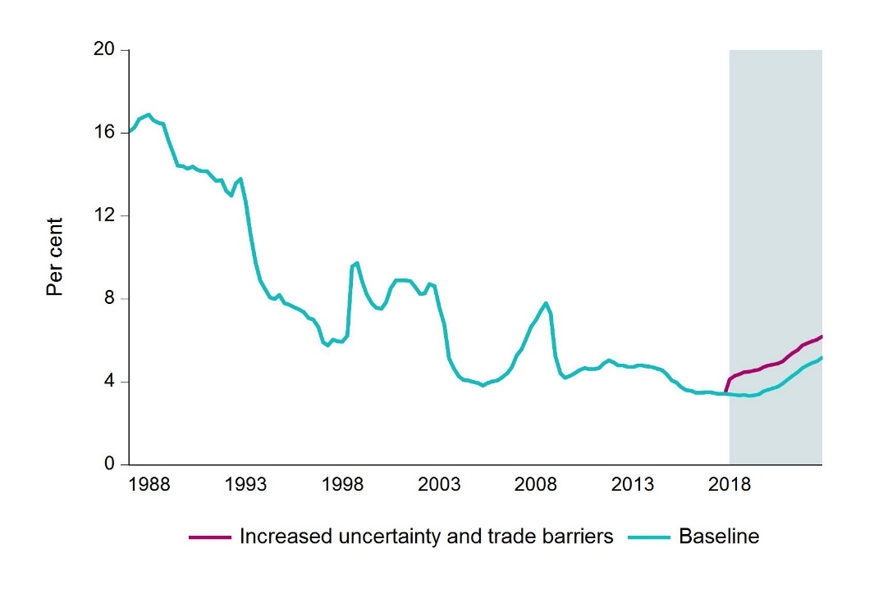
 | Baseline | Option
1987-03-01 | 16.1 | 16.1
1987-06-01 | 16.3 | 16.3
1987-09-01 | 16.7 | 16.7
1987-12-01 | 16.8 | 16.8
1988-03-01 | 16.9 | 16.9
1988-06-01 | 16.6 | 16.6
1988-09-01 | 16.5 | 16.5
1988-12-01 | 16.4 | 16.4
1989-03-01 | 15.6 | 15.6
1989-06-01 | 15.1 | 15.1
1989-09-01 | 14.4 | 14.4
1989-12-01 | 14.4 | 14.4
1990-03-01 | 14.3 | 14.3
1990-06-01 | 14.4 | 14.4
1990-09-01 | 14.2 | 14.2
1990-12-01 | 14.2 | 14.2
1991-03-01 | 14.1 | 14.1
1991-06-01 | 13.9 | 13.9 | Bank lending rates
1991-09-01 | 13.7 | 13.7 | Sources: Statistics Norway and Finanstilsynet
1991-12-01 | 13.7 | 13.7
1992-03-01 | 13.2 | 13.2
1992-06-01 | 13 | 13
1992-09-01 | 13.6 | 13.6
1992-12-01 | 13.8 | 13.8
1993-03-01 | 12.7 | 12.7
1993-06-01 | 11.1 | 11.1
...

2.D
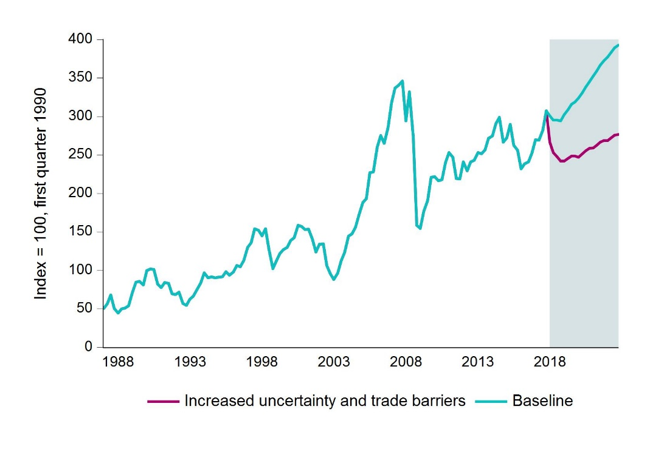
 | Baseline | Option
1987-03-01 | 50.7 | 50.7
1987-06-01 | 56.8 | 56.8
1987-09-01 | 68.3 | 68.3
1987-12-01 | 50.6 | 50.6
1988-03-01 | 44.7 | 44.7
1988-06-01 | 49.8 | 49.8
1988-09-01 | 50.9 | 50.9
1988-12-01 | 54 | 54
1989-03-01 | 71.6 | 71.6
1989-06-01 | 84.7 | 84.7
1989-09-01 | 85.9 | 85.9
1989-12-01 | 81.2 | 81.2
1990-03-01 | 100 | 100
1990-06-01 | 102 | 102
1990-09-01 | 101.3 | 101.3
1990-12-01 | 82 | 82
1991-03-01 | 77.5 | 77.5
1991-06-01 | 84 | 84 | Stock market in Norway (MSCI price index)
1991-09-01 | 83.2 | 83.2 | Sources: Statistics Norway and Finanstilsynet
1991-12-01 | 69.7 | 69.7
1992-03-01 | 68.5 | 68.5
1992-06-01 | 71.4 | 71.4
1992-09-01 | 56.8 | 56.8
1992-12-01 | 54.6 | 54.6
1993-03-01 | 62.5 | 62.5
1993-06-01 | 66.7 | 66.7
1993-09-01 | 75.6 | 75.6
...

2.E
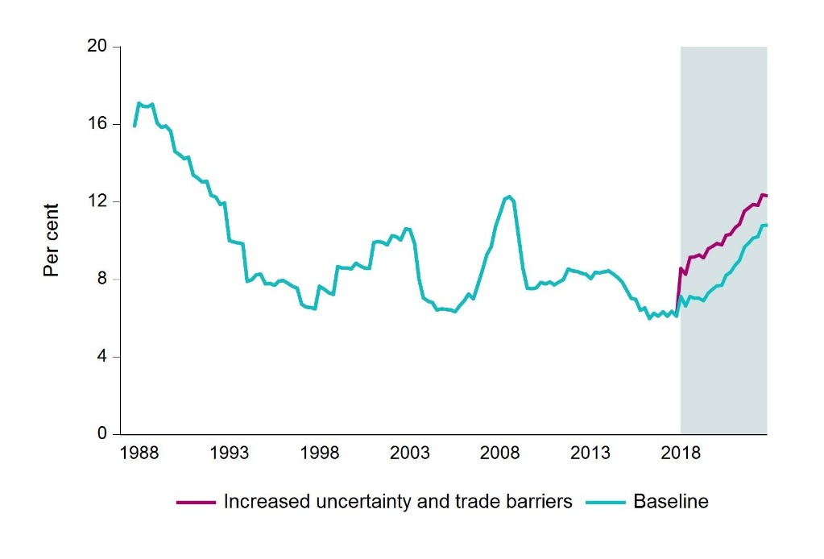
 | Baseline | Option
1987-12-01 | 15.9 | 15.9
1988-03-01 | 17.1 | 17.1
1988-06-01 | 16.9 | 16.9
1988-09-01 | 16.9 | 16.9
1988-12-01 | 17 | 17
1989-03-01 | 16.1 | 16.1
1989-06-01 | 15.8 | 15.8
1989-09-01 | 15.9 | 15.9
1989-12-01 | 15.6 | 15.6
1990-03-01 | 14.6 | 14.6
1990-06-01 | 14.4 | 14.4
1990-09-01 | 14.2 | 14.2
1990-12-01 | 14.3 | 14.3
1991-03-01 | 13.4 | 13.4
1991-06-01 | 13.2 | 13.2
1991-09-01 | 13 | 13
1991-12-01 | 13 | 13
1992-03-01 | 12.3 | 12.3
1992-06-01 | 12.2 | 12.2 | Household interest burden
1992-09-01 | 11.9 | 11.9 | Sources: Statistics Norway and Finanstilsynet
1992-12-01 | 11.9 | 11.9
1993-03-01 | 10 | 10
1993-06-01 | 9.9 | 9.9
1993-09-01 | 9.9 | 9.9
1993-12-01 | 9.8 | 9.8
1994-03-01 | 7.9 | 7.9
1994-06-01 | 8 | 8
...

2.F
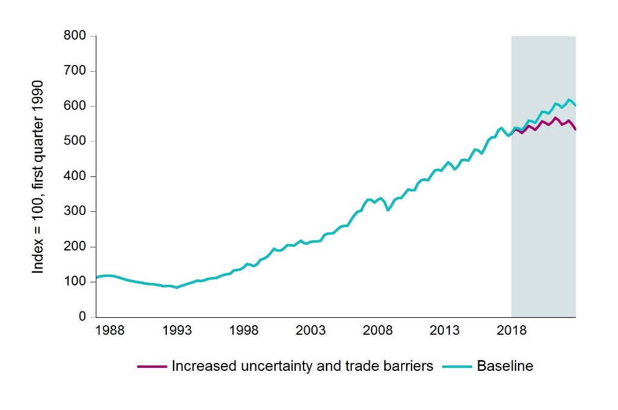
 | Baseline | Option
1987-03-01 | 113.4 | 113.4
1987-06-01 | 115.7 | 115.7
1987-09-01 | 117.3 | 117.3
1987-12-01 | 118 | 118
1988-03-01 | 118.2 | 118.2
1988-06-01 | 117.1 | 117.1
1988-09-01 | 115.1 | 115.1
1988-12-01 | 112.4 | 112.4
1989-03-01 | 109.2 | 109.2
1989-06-01 | 106.2 | 106.2
1989-09-01 | 103.7 | 103.7
1989-12-01 | 101.7 | 101.7
1990-03-01 | 100 | 100
1990-06-01 | 98.5 | 98.5
1990-09-01 | 96.9 | 96.9
1990-12-01 | 95.3 | 95.3
1991-03-01 | 93.6 | 93.6
1991-06-01 | 93.6 | 93.6 | House prices
1991-09-01 | 92.4 | 92.4 | Sources: Statistics Norway and Finanstilsynet
1991-12-01 | 90.6 | 90.6
1992-03-01 | 88.3 | 88.3
1992-06-01 | 88.8 | 88.8
1992-09-01 | 89.2 | 89.2
1992-12-01 | 86.9 | 86.9
1993-03-01 | 83.6 | 83.6
1993-06-01 | 87.8 | 87.8
1993-09-01 | 91.1 | 91.1
...

2.G
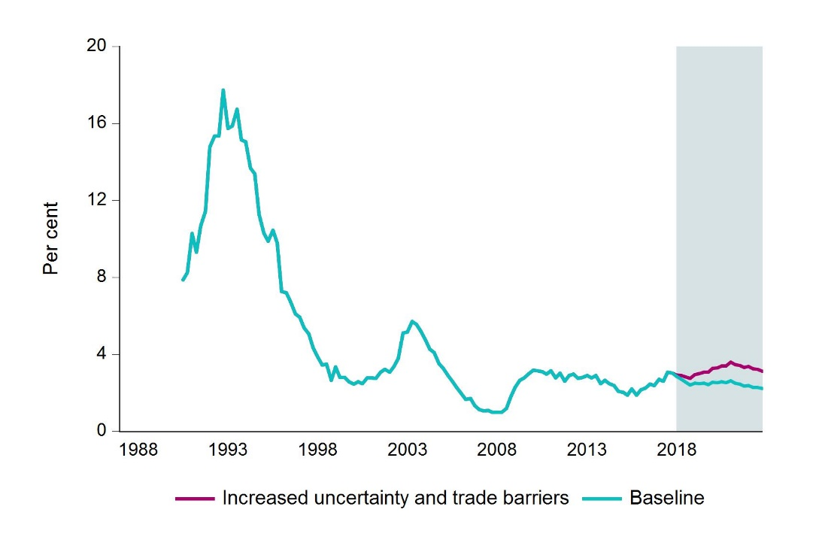
 | Baseline | Option
1990-09-01 | 7.9 | 7.9
1990-12-01 | 8.2 | 8.2
1991-03-01 | 10.3 | 10.3
1991-06-01 | 9.3 | 9.3
1991-09-01 | 10.7 | 10.7
1991-12-01 | 11.5 | 11.5
1992-03-01 | 14.8 | 14.8
1992-06-01 | 15.3 | 15.3
1992-09-01 | 15.3 | 15.3
1992-12-01 | 17.7 | 17.7
1993-03-01 | 15.7 | 15.7
1993-06-01 | 15.9 | 15.9
1993-09-01 | 16.7 | 16.7
1993-12-01 | 15.1 | 15.1
1994-03-01 | 15 | 15
1994-06-01 | 13.7 | 13.7
1994-09-01 | 13.4 | 13.4
1994-12-01 | 11.3 | 11.3
1995-03-01 | 10.3 | 10.3
1995-06-01 | 9.9 | 9.9 | Problem loans as a share of bank lending to firms
1995-09-01 | 10.5 | 10.5 | Sources: Statistics Norway and Finanstilsynet
1995-12-01 | 9.8 | 9.8
1996-03-01 | 7.3 | 7.3
1996-06-01 | 7.2 | 7.2
1996-09-01 | 6.7 | 6.7
1996-12-01 | 6.1 | 6.1
1997-03-01 | 5.9 | 5.9
1997-06-01 | 5.4 | 5.4
1997-09-01 | 5.1 | 5.1
...

2.H
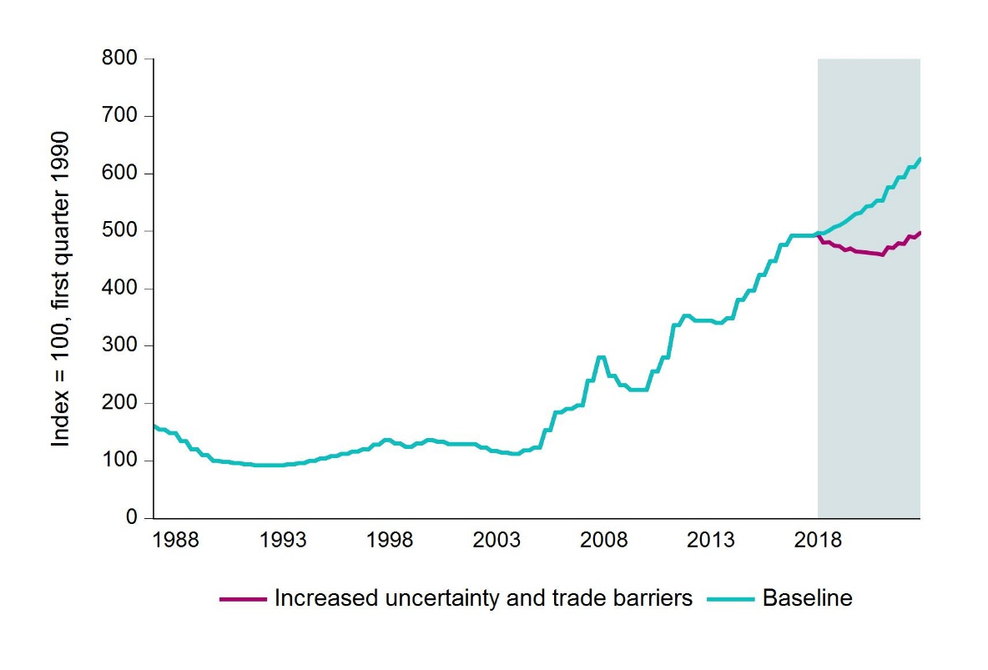
 | Baseline | Option
1987-03-01 | 160 | 160
1987-06-01 | 154 | 154
1987-09-01 | 154 | 154
1987-12-01 | 148 | 148
1988-03-01 | 148 | 148
1988-06-01 | 134 | 134
1988-09-01 | 134 | 134
1988-12-01 | 120 | 120
1989-03-01 | 120 | 120
1989-06-01 | 110 | 110
1989-09-01 | 110 | 110
1989-12-01 | 100 | 100
1990-03-01 | 100 | 100
1990-06-01 | 98 | 98
1990-09-01 | 98 | 98
1990-12-01 | 96 | 96
1991-03-01 | 96 | 96
1991-06-01 | 94 | 94
1991-09-01 | 94 | 94
1991-12-01 | 92 | 92
1992-03-01 | 92 | 92 | Commercial property prices
1992-06-01 | 92 | 92 | Sources: Dagens Næringsliv, OPAK and Finanstilsynet
1992-09-01 | 92 | 92
1992-12-01 | 92 | 92
1993-03-01 | 92 | 92
1993-06-01 | 94 | 94
1993-09-01 | 94 | 94
1993-12-01 | 96 | 96
1994-03-01 | 96 | 96
1994-06-01 | 100 | 100
...

