II.1
Stress test model
Sources: Norges Bank and Finanstilsynet
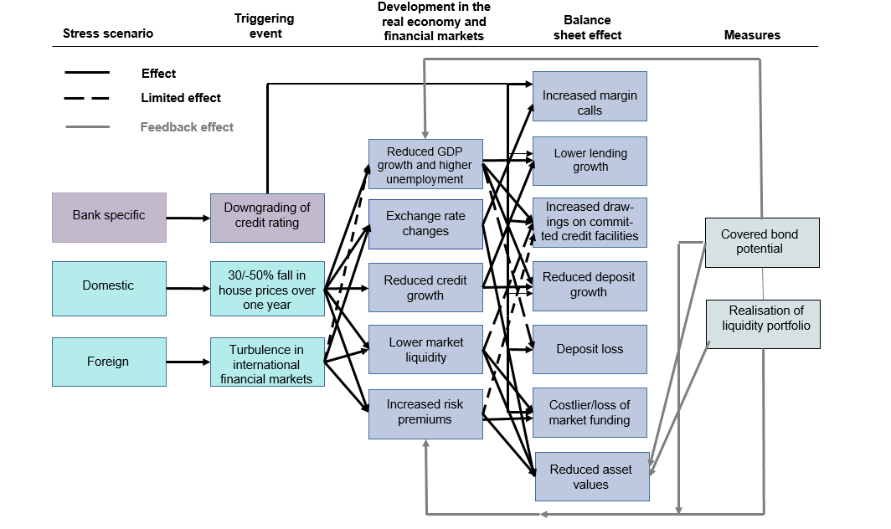

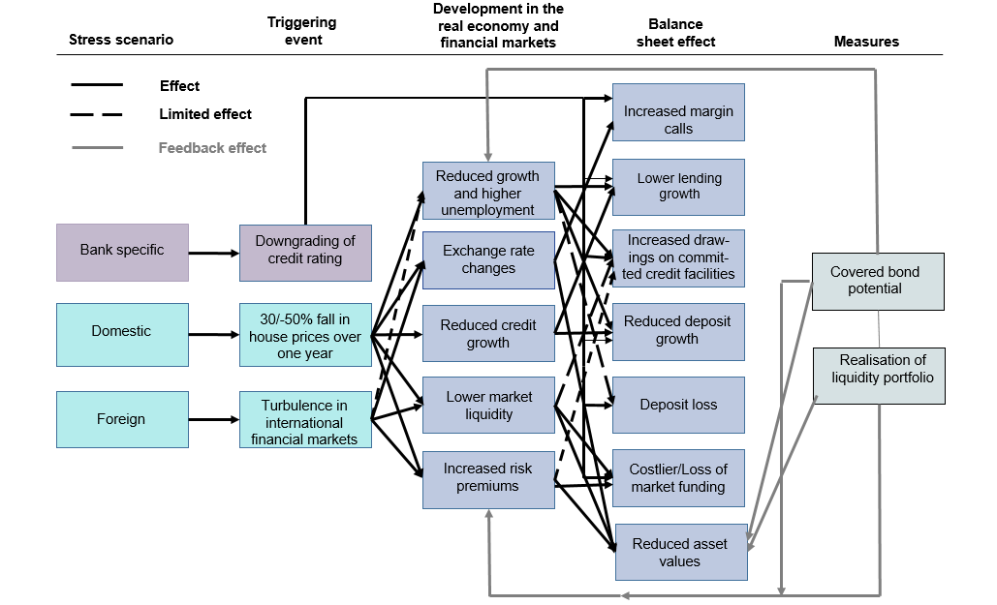

II.2
Liquidity coverage, mild stress
Sources: Finanstilsynet and Norges Bank

 | 30 days | 90 days | 180 days | 360 days
Bank 1 | 318 | 178 | 171 | 168
Bank 2 | 423 | 226 | 187 | 162
Bank 3 | 788 | 441 | 400 | 344
Bank 4 | 436 | 194 | 171 | 154
Bank 5 | 494 | 270 | 241 | 227
Bank 6 | 388 | 204 | 182 | 135
Bank 7 | 551 | 292 | 241 | 204

II.3
Liquidity coverage, severe stress
Sources: Finanstilsynet and Norges Bank

 | Linjen skal treffe y-aksen på 100 prosent

 | 30 days | 90 days | 180 days | 360 days
Bank 1 | 132 | 83 | 79 | 77
Bank 2 | 192 | 112 | 95 | 82
Bank 3 | 297 | 184 | 166 | 144
Bank 4 | 191 | 91 | 82 | 75
Bank 5 | 196 | 117 | 108 | 103
Bank 6 | 162 | 93 | 87 | 65
Bank 7 | 223 | 129 | 111 | 95

II.4
Distribution of net cash flow (after 360 days)
Sources: Finanstilsynet and Norges Bank

 | Bank 1 | Bank 2 | Bank 3 | Bank 4 | Bank 5 | Bank 6 | Bank 7
Loans | 0 | 4 | 6 | 4 | 6 | 8 | 7
Committed facilities | 8 | 8 | 7 | 7 | 8 | 16 | 4
Deposits | 54 | 43 | 46 | 50 | 56 | 40 | 53
Market funding falling due | 25 | 30 | 29 | 31 | 25 | 32 | 29
Collateral | 12 | 13 | 12 | 7 | 3 | 2 | 6

II.5
Liquidity coverage incl. covered bond potential, mild stress
Sources: Finanstilsynet and Norges Bank

 | 30 days | 90 days | 180 days | 360 days
Bank 1 | 410 | 230 | 221 | 216
Bank 2 | 737 | 394 | 326 | 282
Bank 3 | 1580 | 884 | 802 | 690
Bank 4 | 837 | 373 | 328 | 295
Bank 5 | 1085 | 593 | 529 | 499
Bank 6 | 1370 | 722 | 644 | 477
Bank 7 | 1426 | 757 | 624 | 527

II.6
Liquidity coverage incl. covered bond potential, severe stress
Sources: Finanstilsynet and Norges Bank

 | Linjen skal treffe y-aksen på 100 prosent

 | 30 days | 90 days | 180 days | 360 days
Bank 1 | 172 | 109 | 104 | 102
Bank 2 | 347 | 203 | 171 | 148
Bank 3 | 623 | 385 | 348 | 303
Bank 4 | 383 | 183 | 165 | 149
Bank 5 | 450 | 268 | 248 | 237
Bank 6 | 607 | 350 | 328 | 243
Bank 7 | 606 | 349 | 301 | 257

II.7
Composition of the liquidity buffer
Sources: Finanstilsynet and Norges Bank

 | Bank 1 | Bank 2 | Bank 3 | Bank 4 | Bank 5 | Bank 6 | Bank 7
LCR buffer | 72 | 53 | 44 | 48 | 43 | 24 | 34
Buffer beyond LCR | 4 | 2 | 4 | 2 | 0 | 3 | 2
Covered bond potential | 24 | 45 | 52 | 50 | 56 | 73 | 63

