13
[Tittel] | Annual profit after tax in per cent of total book assets. Norwegian listed and non-listed CRE companies
Source: | Finanstilsynet and listed CRE companies' annual and interim financial reports
Note: | Profits for the first quarter of 2023 are annualised (multiplied by four), while total book assets are assumed to be unchanged from end-April to end-December 2023.

 | Non-listed | Listed
2005 | 8.54
2006 | 6.97
2007 | 5.84
2008 | -2.34
2009 | 3.34
2010 | 3.17
2011 | 1.53
2012 | 4.44
2013 | 3.52
2014 | 3.87
2015 | 4.15
2016 | 6.79 | 6.93
2017 | 4.62 | 8.08
2018 | 3.93 | 4.66
2019 | 4.17 | 4.64
2020 | 3.77 | 5.25
2021 | 6.33 | 6.77
2022 |  | 1.10
2023 |  | 0.00
 |  | Non-listed | Listed
 | 2005 | 8.54
 | 2006 | 6.97
 | 2007 | 5.84
 | 2008 | -2.34
 | 2009 | 3.34
 | 2010 | 3.17
 | 2011 | 1.53
 | 2012 | 4.44
 | 2013 | 3.52
 | 2014 | 3.87
 | 2015 | 4.15
 | 2016 | 6.79 | 6.93
 | 2017 | 4.62 | 8.08
 | 2018 | 3.93 | 4.66
 | 2019 | 4.17 | 4.64
 | 2020 | 3.77 | 5.25
 | 2021 | 6.33 | 6.77
 | 2022 |  | 1.10
 | 2023 |  | 0.00

14
[Tittel] | Commercial property price indicator and debt
Sources: | OPAK, Bisnode, Dagens Næringsliv, Entra and Finanstilsynet
Note: | Based on prime office space in central Oslo at end-December.

 | Debt | Commercial property price indicator
 | 0 | 0
2008-12-01 | 100 | 100
2009-12-01 | 100.00226839 | 96.551724138
2010-12-01 | 103.73026903 | 120.68965517
2011-12-01 | 109.16672038 | 151.72413793
2012-12-01 | 126.93091933 | 148.27586207
2013-12-01 | 123.14804757 | 150
2014-12-01 | 122.73174603 | 170.68965517
2015-12-01 | 136.43907005 | 193.10344828
2016-12-01 | 143.10736074 | 212.06896552
2017-12-01 | 153.39668265 | 233.53035962
2018-12-01 | 164.68845901 | 256.55377495
2019-12-01 | 177.39950527 | 278.04093345
2020-12-01 | 196.85828724 | 300.76372193
2021-12-01 | 210.18789381 | 311.27526848
2022-12-01 |  | 291.89005841
 | Commercial property price indicator | Debt
2008-12-01 | 100 | 100
2009-12-01 | 96.6 | 100.0
2010-12-01 | 120.7 | 103.7
2011-12-01 | 151.7 | 109.2
2012-12-01 | 148.3 | 126.9
2013-12-01 | 150.0 | 123.1
2014-12-01 | 170.7 | 122.7
2015-12-01 | 193.1 | 136.4
2016-12-01 | 212.1 | 143.1
2017-12-01 | 233.5 | 153.4
2018-12-01 | 256.6 | 164.7
2019-12-01 | 278.0 | 177.4
2020-12-01 | 300.8 | 196.9
2021-12-01 | 311.3 | 210.2
2022-12-01 | 291.9

15
[Tittel] | Outstanding commercial real estate bonds in Norway. Maturity structure
Source: | Stamdata
Note:

 | High yield | Investment grade
2023 | 11.32 | 13.93 | 1
2024 | 11.94 | 7.23
2025 | 19.07 | 18.59
2026 | 11.71 | 11.38
2027 | 6.62 | 6.88
2028 | 1.73 | 7.98
2029 | 0.47 | 3.50
2030 | - | 7.86
2031 | 1.00 | 1.30
2032 | 0.28 | 0.50
 | High yield | Investment grade
2023 | 11.32 | 13.93
2024 | 11.94 | 7.23
2025 | 19.07 | 18.59
2026 | 11.71 | 11.38
2027 | 6.62 | 6.88
2028 | 1.73 | 7.98
2029 | 0.47 | 3.50
2030 | - | 7.86
2031 | 1.00 | 1.30
2032 | 0.28 | 0.50

16
[Tittel] | Risk premiums for selected commercial property companies
Source: | Nordic Bond Pricing
Note:

Data not published

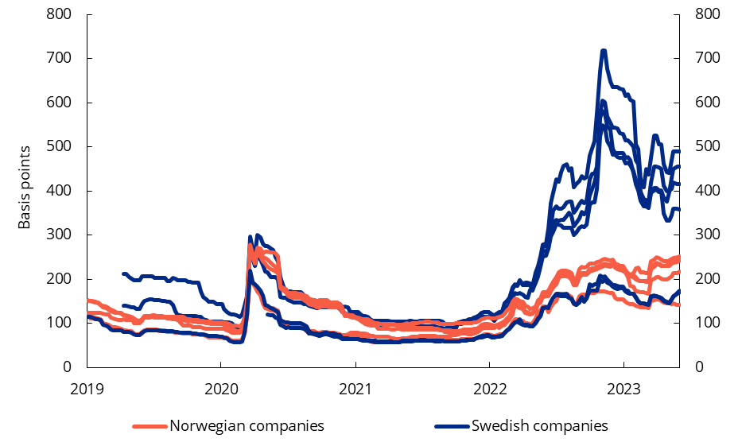

17
[Tittel] | ICR, DCR and debt ratio indicator. Listed CRE companies
Source: | Finanstilsynet and the listed companies’ published annual financial statements
Note: | Annualised first quarter figures for 2023 and projected figures for 2024-2027.

 |  | Interest coverage ratio (ICR) | Debt coverage ratio (DCR) | Debt ratio indicator (right-hand scale)
 | 2017 | 2.90 | 1.22 | 0.56
 | 2018 | 3.08 | 1.19 | 0.54
 | 2019 | 3.11 | 1.23 | 0.53
 | 2020 | 3.02 | 1.15 | 0.53
 | 2021 | 3.39 | 1.18 | 0.52
 | 2022 | 2.61 | 1.11 | 0.56
 | 2023 | 1.88 | 1.04 | 0.59
 | 2024 | 1.81 | 1.08 | 0.64
 | 2025 | 1.88 | 1.11 | 0.64
 | 2026 | 1.94 | 1.13 | 0.63
 | 2027 | 2.01 | 1.15 | 0.61

18
[Tittel] | Interest coverage ratio, debt coverage ratio and debt ratio indicator. Non-listed CRE companies
Source: | Finanstilsynet
Note: | Projections for 2022–2027.

 |  | Interest coverage ratio (ICR) | Debt coverage ratio (DCR) | Debt ratio indicator (right-hand scale)
 | 2017 | 5.42 | 1.63 | 0.62
 | 2018 | 4.35 | 1.60 | 0.61
 | 2019 | 4.31 | 1.55 | 0.61
 | 2020 | 4.32 | 1.62 | 0.61
 | 2021 | 5.63 | 1.91 | 0.58
 | 2022 | 3.72 | 1.61 | 0.62
 | 2023 | 2.98 | 1.50 | 0.69
 | 2024 | 3.27 | 1.66 | 0.80
 | 2025 | 3.27 | 1.65 | 0.80
 | 2026 | 3.26 | 1.65 | 0.79
 | 2027 | 3.25 | 1.65 | 0.76

19
[Tittel] | Interest-bearing debt of non-listed CRE companies with an ICR and a DCR below 1 in per cent of the sector’s total interest-bearing debt
Source: | Finanstilsynet
Note: | Projections for 2022–2027.

 | DCR below 1 | ICR below 1
2017 | 34.52 | 11.68 | 1
2018 | 31.88 | 12.28
2019 | 27.44 | 9.82
2020 | 30.14 | 13.68
2021 | 30.71 | 12.02
2022 | 36.40 | 20.57
2023 | 41.60 | 26.15
2024 | 38.64 | 24.75
2025 | 38.63 | 25.00
2026 | 38.75 | 24.34
2027 | 38.59 | 24.26
 |  | DCR below 1 | ICR below 1
 | 2017 | 34.52 | 11.68
 | 2018 | 31.88 | 12.28
 | 2019 | 27.44 | 9.82
 | 2020 | 30.14 | 13.68
 | 2021 | 30.71 | 12.02
 | 2022 | 36.40 | 20.57
 | 2023 | 41.60 | 26.15
 | 2024 | 38.64 | 24.75
 | 2025 | 38.63 | 25.00
 | 2026 | 38.75 | 24.34
 | 2027 | 38.59 | 24.26

