I.1
[Title] | Growth in GDP for Mainland Norway. Annual rate
Sources: | Statistics Norway and Finanstilsynet
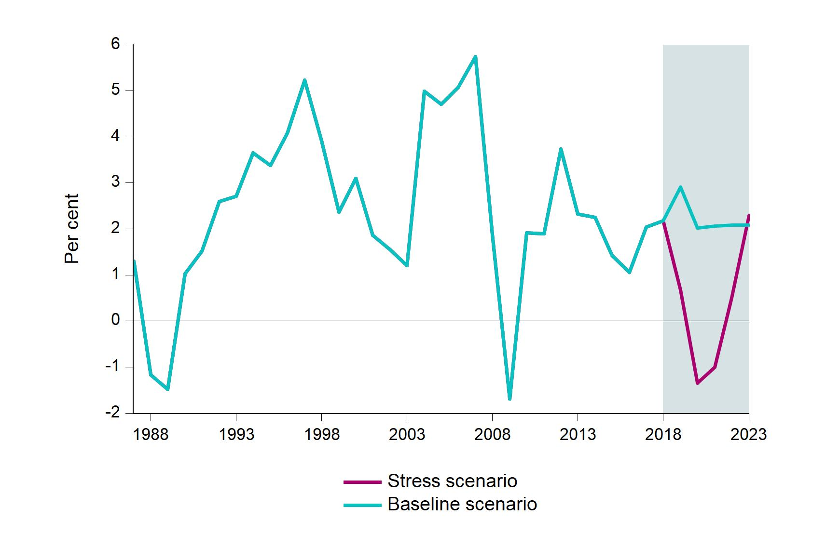

I.2
[Title] | Unemployment (labour force survey). Annual rate
Sources: | Statistics Norway and Finanstilsynet
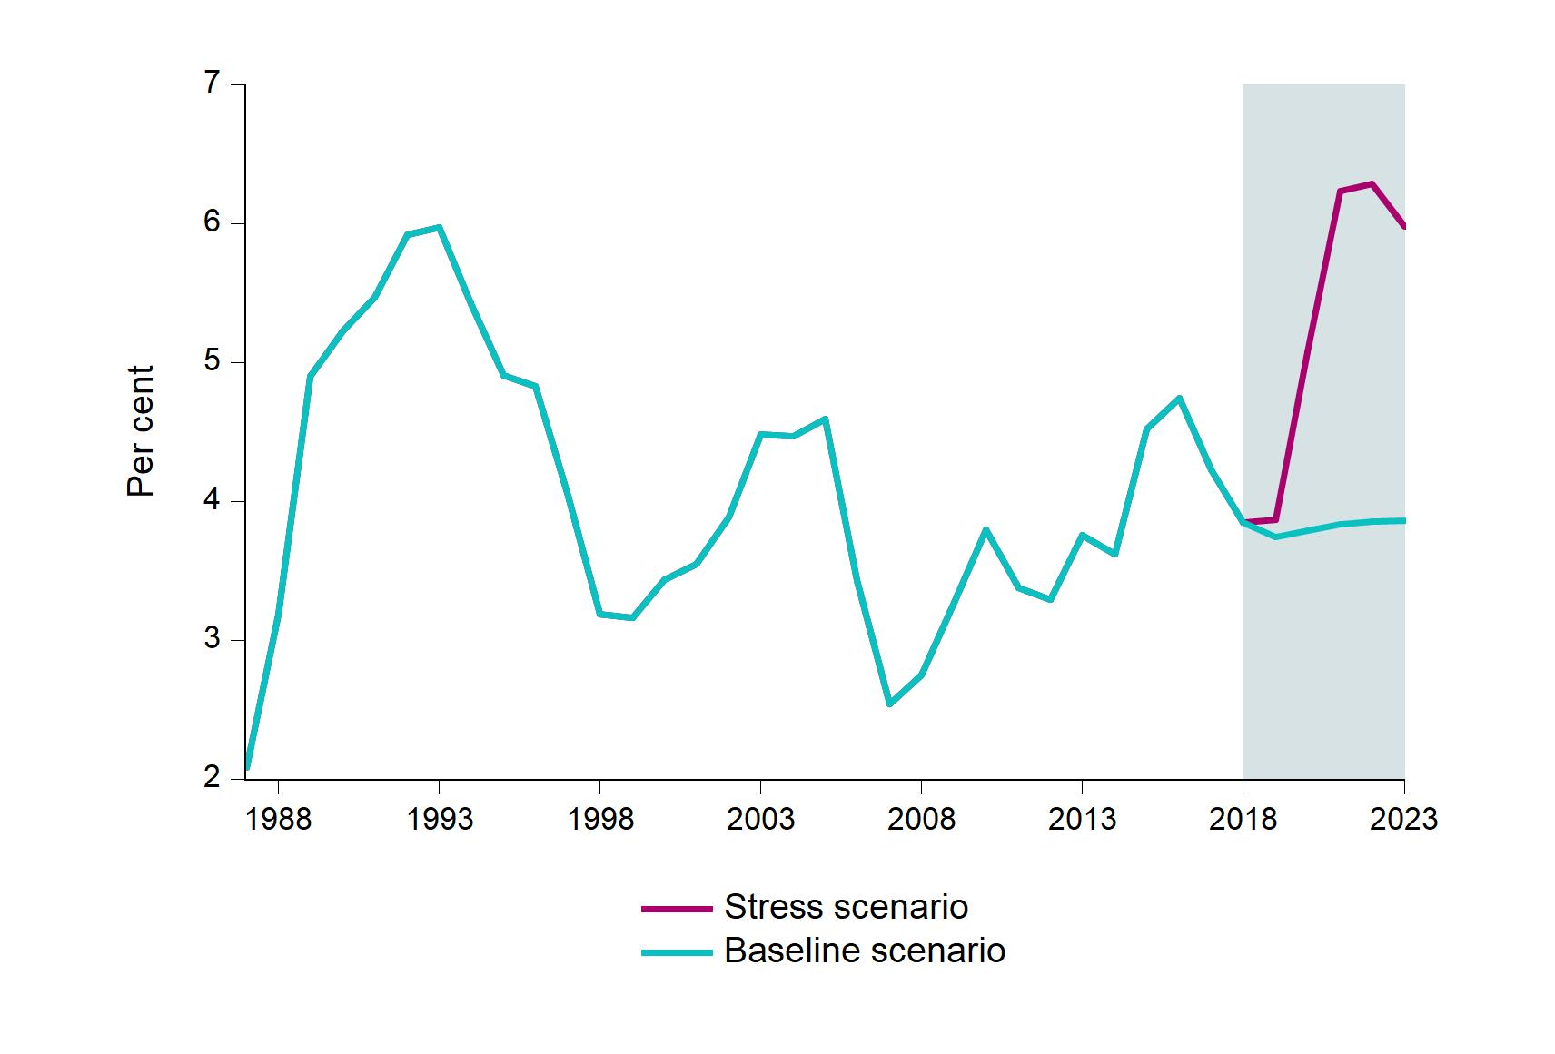

I.3
[Title] | Banks' average lending rate
Sources: | Statistics Norway and Finanstilsynet
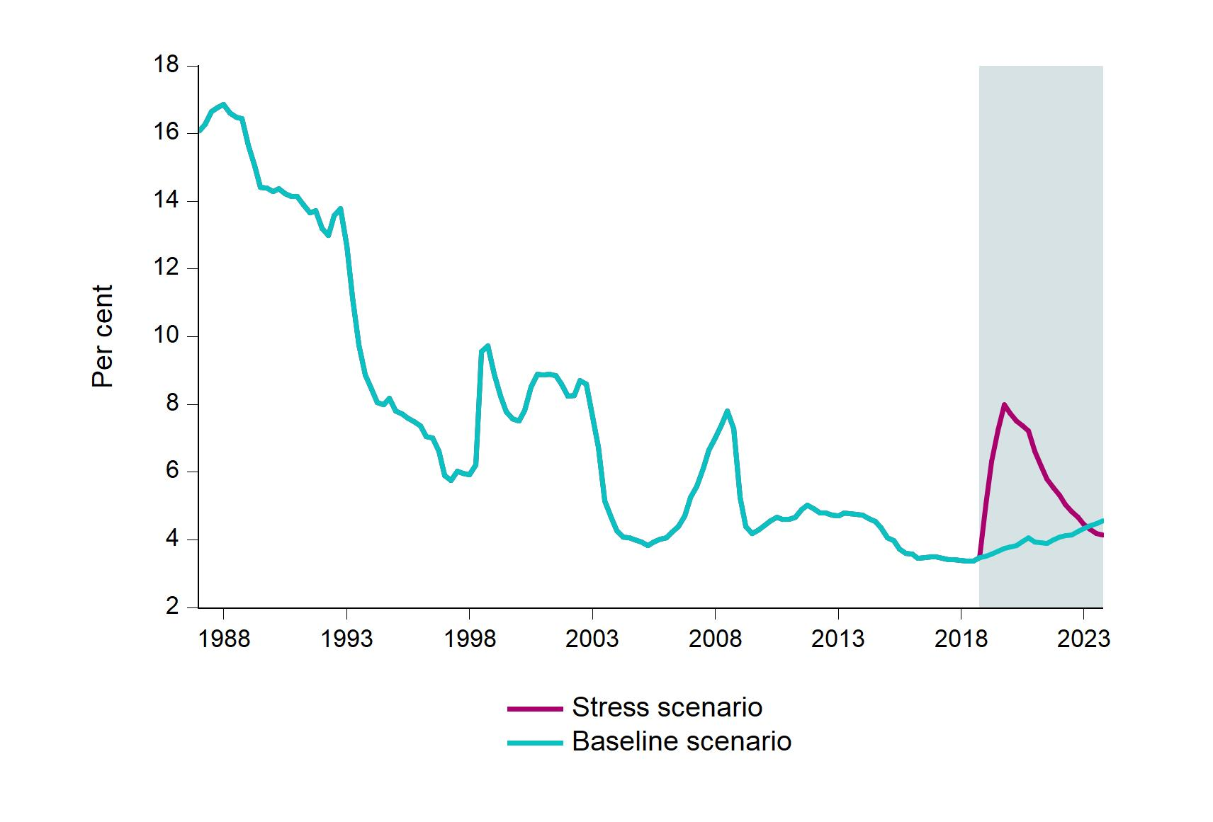

I.4
[Title] | Households’ interest burden
Sources: | Statistics Norway and Finanstilsynet
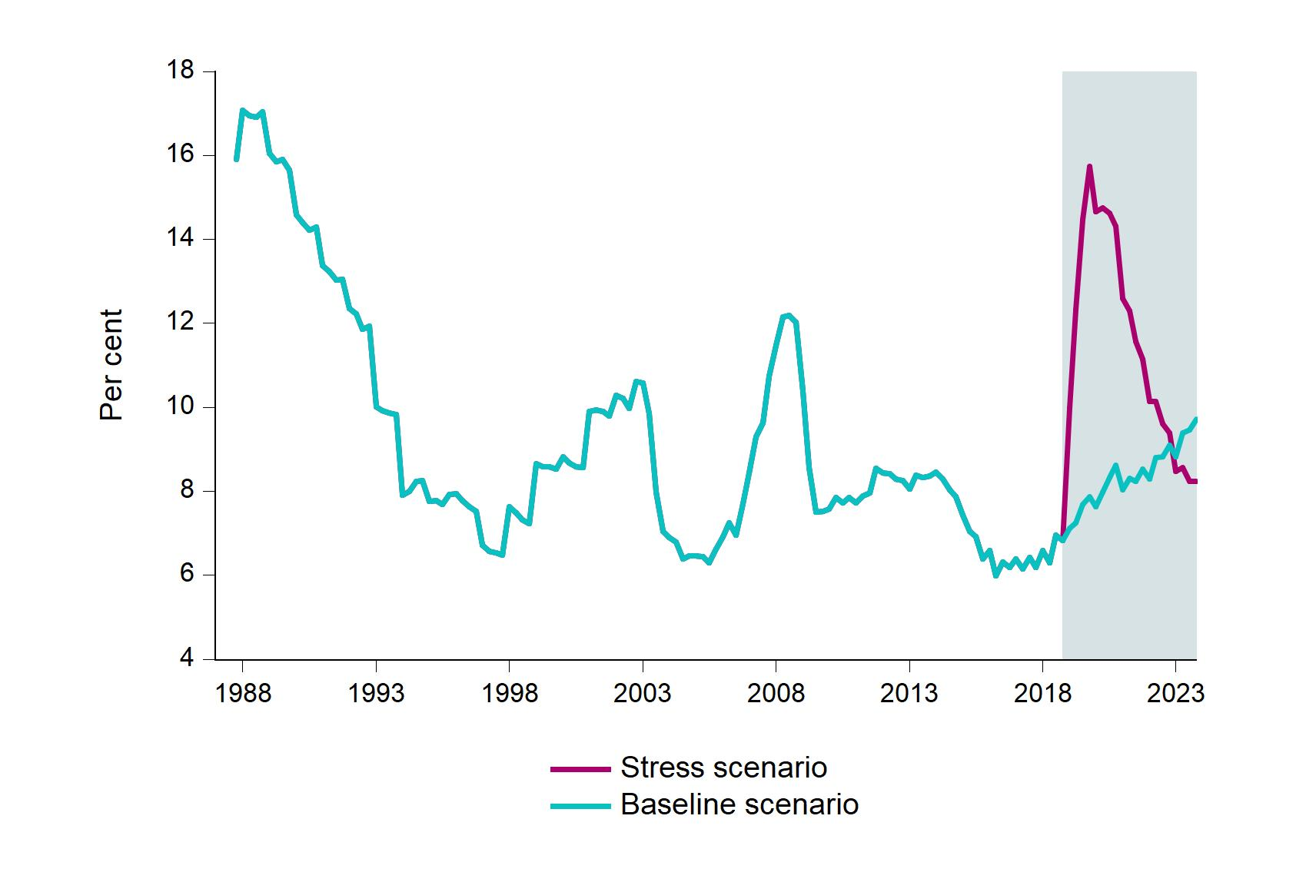

I.5
[Title] | Households’ debt burden
Sources: | Statistics Norway and Finanstilsynet
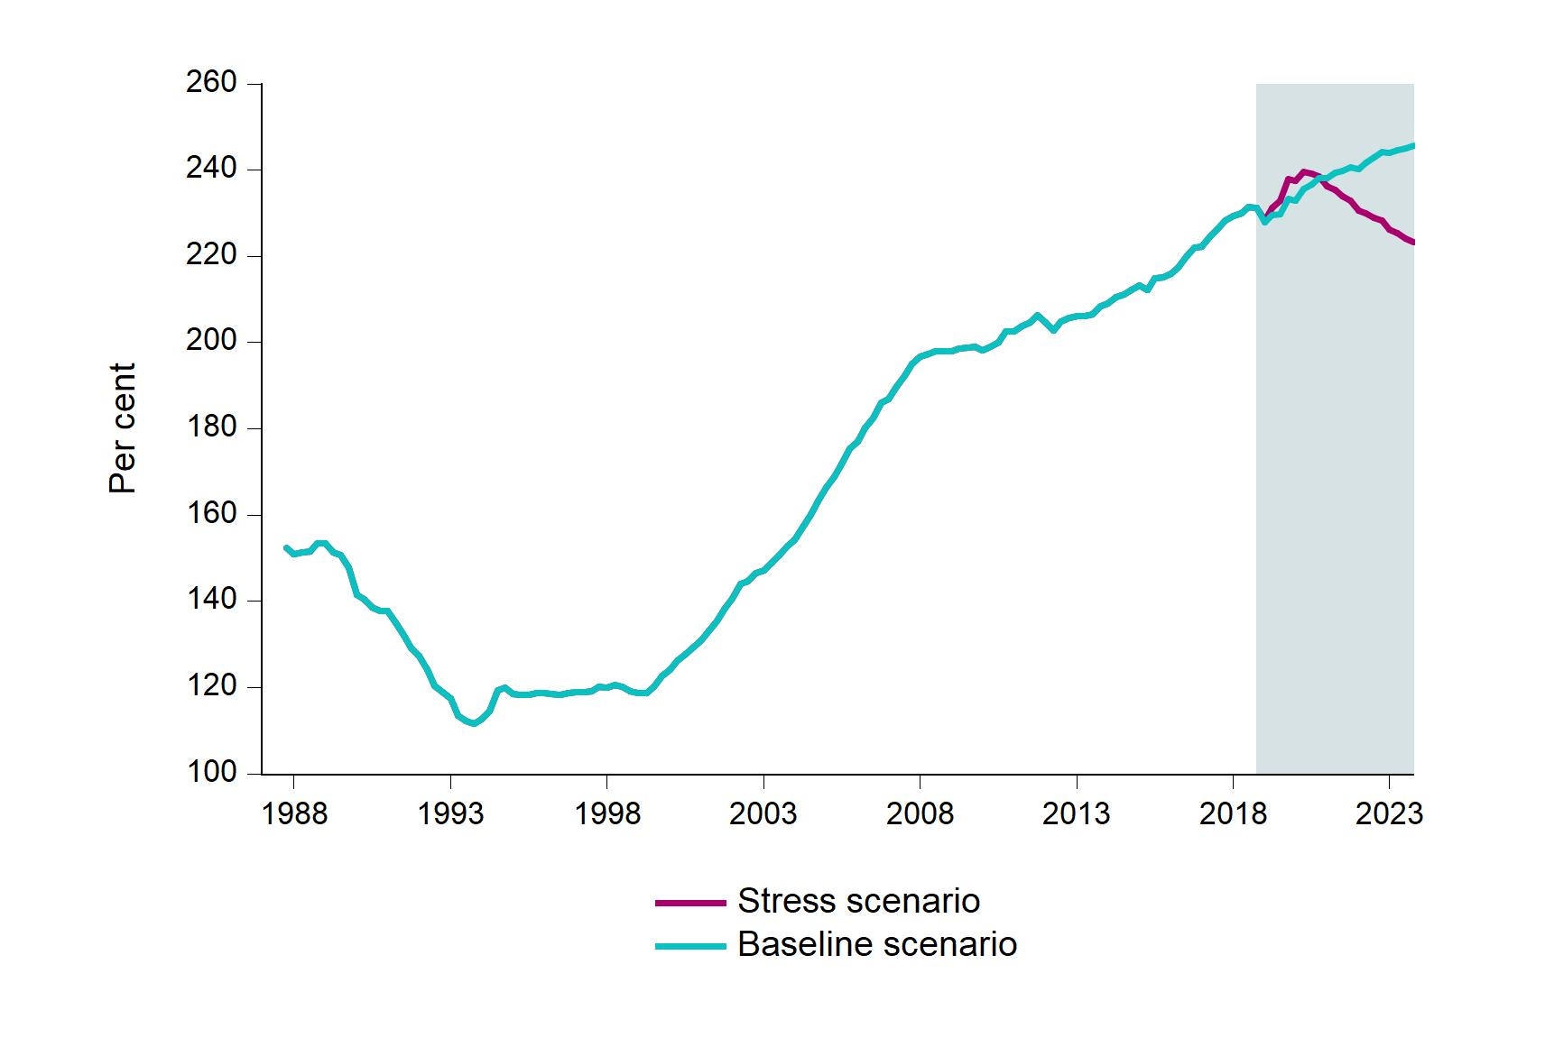

I.6
[Title] | Stress scenario. Norwegian house prices, commercial property prices and equity prices
Sources: | Statistics Norway, OPAK / Dagens Næringsliv, Thomson Reuters and Finanstilsynet
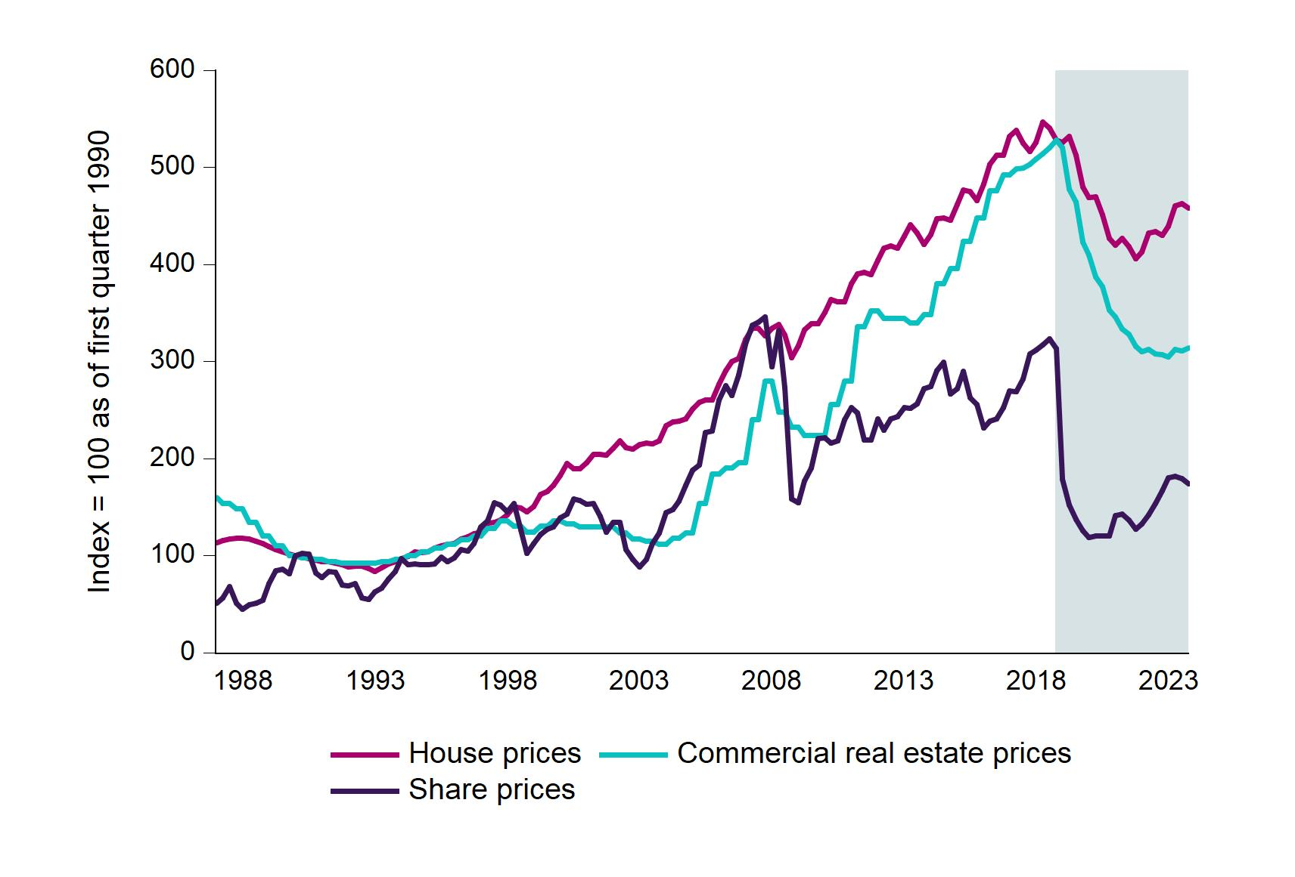

I.7
[Title] | Stress scenario. Banks' loan losses. Annual rate
Source: | Finanstilsynet
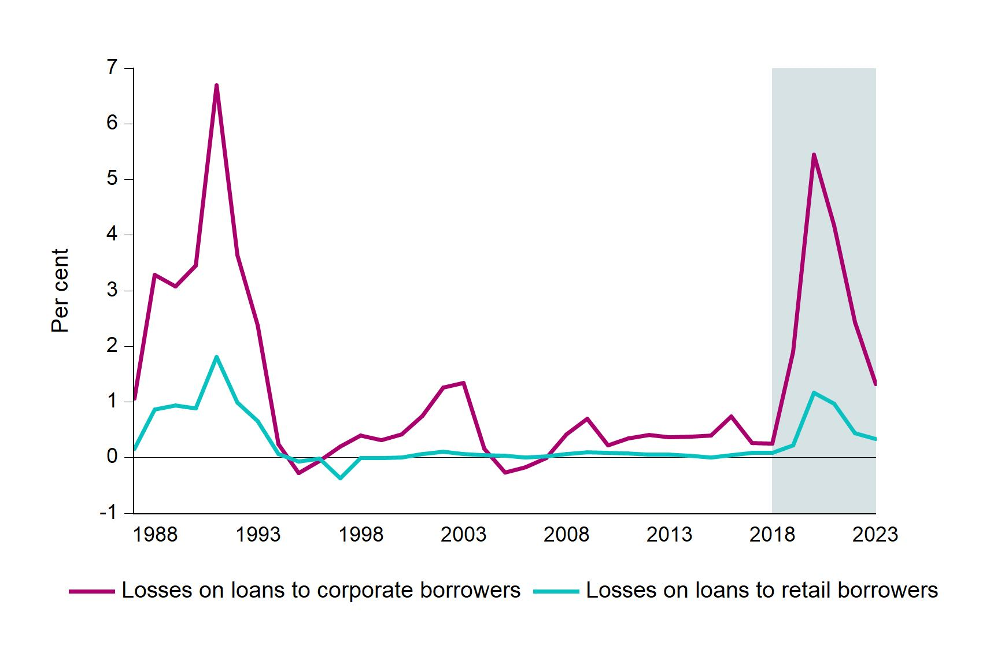

I.8
[Title] | Profit as share of average total assets and main profit components. Stress scenario. Norwegian banking groups
Source: | Finanstilsynet

 |  | Profit | Loan losses | Net interest income | Value change, securities
 | 2018 | 0.91 | 0.00 | 1.59 | 0.06
 | 2019 | 0.04 | -0.68 | 1.40 | -0.09
 | 2020 | -1.52 | -2.16 | 1.24 | -0.05
 | 2021 | -0.94 | -1.67 | 1.32 | 0.00
 | 2022 | -0.11 | -0.89 | 1.40 | 0.00
 | 2023 | 0.24 | -0.54 | 1.46 | 0.01

I.9
[Title] | CET1 capital adequacy and contribution from different components. Stress scenario. Norwegian banking groups
Source: | Finanstilsynet

 |  | CET1 capital ratio (right-hand scale) | Contribution from profit | Contribution from change in risk weights | Contribution from change in total assets
 | 2018 | 15.98 | 0.00 | 0.00 | 0.00
 | 2019 | 15.60 | 0.02 | 0.07 | -0.47
 | 2020 | 12.60 | -3.34 | -0.02 | -0.02
 | 2021 | 10.81 | -5.43 | 0.12 | 0.14
 | 2022 | 10.62 | -5.71 | 0.21 | 0.14
 | 2023 | 10.81 | -5.43 | 0.25 | 0.01

I.10
[Title] | CET1 capital ratio shortfall at the end of the period. Percentage points. Stress scenario. Norwegian banking groups
Source: | Finanstilsynet

Banks | 2020 | 2021 | 2022 | 2023
Bank 20 |  |  |  | -5.89
Bank 19 |  |  |  | -5.51
Bank 18 |  |  |  | -5.25
Bank 17 |  |  |  | -4.61
Bank 16 |  |  |  | -4.51
Bank 15 |  |  |  | -4.05
Bank 14 |  |  |  | -3.73
Bank 13 |  |  |  | -3.47
Bank 12 |  |  |  | -3.38
Bank 11 |  |  |  | -2.97
Bank 10 |  |  |  | -2.30
Bank 9 |  |  |  | -2.14
Bank 8 |  |  |  | -1.86
Bank 7 |  |  |  | -1.77
Bank 6 |  |  |  | -1.17
Bank 5 |  |  |  | -0.78
Bank 4 |  |  |  | -0.65
Bank 3 |  |  |  | -0.45
Bank 2 |  |  |  | -0.08
Bank 1 |  |  |  | 0.72

 |  |  |  |  | X

I.11
[Title] | Leverage ratio at the end of 2018 and estimated Leverage ratio in 2023. Percentage points. Stress scenario. Norwegian banking groups
Source: | Finanstilsynet

Banks | 2018 | 2023
Bank 20 | 7.68 | 4.55
Bank 19 | 7.39 | 4.57
Bank 18 | 7.88 | 4.88
Bank 17 | 7.11 | 4.97 | X
Bank 16 | 6.04 | 5.03
Bank 15 | 7.36 | 5.14
Bank 14 | 8.87 | 5.20
Bank 13 | 7.25 | 5.22
Bank 12 | 6.10 | 5.54
Bank 11 | 8.28 | 6.30
Bank 10 | 9.08 | 6.31
Bank 9 | 7.51 | 6.31
Bank 8 | 9.22 | 6.36
Bank 7 | 8.12 | 6.38
Bank 6 | 7.23 | 6.48
Bank 5 | 8.47 | 6.84
Bank 4 | 9.26 | 7.09
Bank 3 | 9.51 | 7.09
Bank 2 | 8.48 | 7.24
Bank 1 | 9.05 | 8.01

 |  |  | X

I.A
[Title] | Accumulated losses on loans (2019-2023) to non-financial firms in per cent of ATA and loans to non-financial firms, respectively, at year-end 2018. Stress scenario. Norwegian banking groups
Source: | Finanstilsynet
Note: | One of the banking groups (Sbanken) does not have loans to non-financial firms and is therefore not included in the chart.

Banks | Losses in per cent of ATA | Losses in per cent of loans to non-financial firms
Bank 19 | 7.38 | 22.05
Bank 18 | 5.76 | 25.92
Bank 17 | 5.07 | 14.82
Bank 16 | 4.89 | 14.24
Bank 15 | 4.64 | 18.28
Bank 14 | 4.64 | 25.49
Bank 13 | 4.41 | 17.07
Bank 12 | 4.13 | 16.56
Bank 11 | 3.64 | 17.88
Bank 10 | 3.57 | 15.61
Bank 9 | 3.53 | 11.87
Bank 8 | 3.51 | 16.94
Bank 7 | 2.67 | 13.19
Bank 6 | 2.39 | 11.40
Bank 5 | 1.94 | 11.87
Bank 4 | 1.33 | 13.26
Bank 3 | 0.66 | 16.07
Bank 2 | 0.28 | 13.51
Bank 1 | 0.02 | 28.08

