5.1
[Title] | Securitisation in Europe and the US, outstanding positions
Sources: | The Association for Financial Markets in Europe (AFME) and Finanstilsynet
 | 2012 | 2015 | 2018
RMBS, Europe | 1004.2026007 | 752.58882428 | 667.2469
Other, Europe | 740.76555821 | 549.12406286 | 571.6117
Gov.-sponsored, US | 4287.806646 | 5725.914102 | 6339.7828172
Other, US | 2394.6075181 | 2680.9959053 | 2638.6105148

 | 2012 | 2015 | 2018
RMBS, Europe | 1004.2026007 | 752.58882428 | 667.2469
Other, Europe | 740.76555821 | 549.12406286 | 571.6117

Gov.-sponsored, US | 4287.806646 | 5725.914102 | 6339.7828172
Other, US | 2394.6075181 | 2680.9959053 | 2638.6105148
 | 6682.4141641 | 8406.9100073 | 8978.393332 | 1.3435852839

5.2
[Title] | Securitisation as a proportion of total loans to personal customers and non-financial firms
Sources: | AFME, ECBC, ECB, Norges Bank and Finanstilsynet

 |  | Total
 | Belgium | 17
 | Finland | 1
 | France | 5
 | Germany | 2
 | Greece | 11
 | Ireland | 20
 | Italy | 11
 | Netherlands | 20
 | Portugal | 14
 | Spain | 13
 | United Kingdom | 15

 |  |  | Source: AFME, EFM, ECBC, ECB, ORBOF, Norges Bank and Finanstilsynet

5.3
[Title] | Leveraged loan issuance, USD billion
Sources: | S&P and IMF

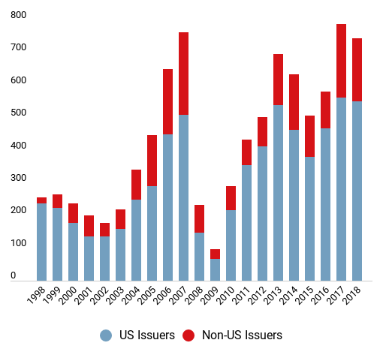

Picture only, no data

 |  | Source: AFME, EFM, ECBC, ECB, ORBOF, Norges Bank and Finanstilsynet

5.4
[Title] | Covenant-light loans, issuance in USD billion and as a share of total volume. Per cent
Sources: | S&P LCD and Financial Times

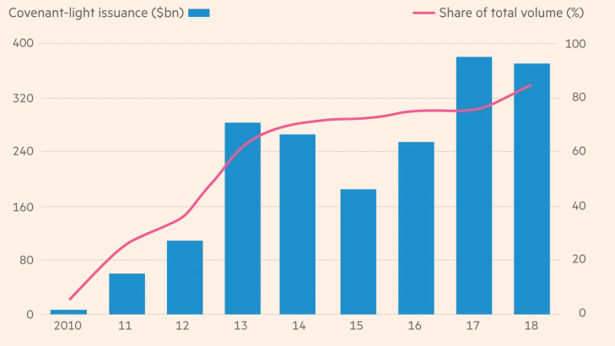

Picture only, no data

 |  | Source: AFME, EFM, ECBC, ECB, ORBOF, Norges Bank and Finanstilsynet

5.5
[Title] | Leverage ratio (debt/EBITDA), new US leveraged loans
Sources: | UBS, S&P LCD and Financial Times
Note: | Blue line = reported leverage ratio, red line = leverage ratio without adjustments for, e.g. future savings.
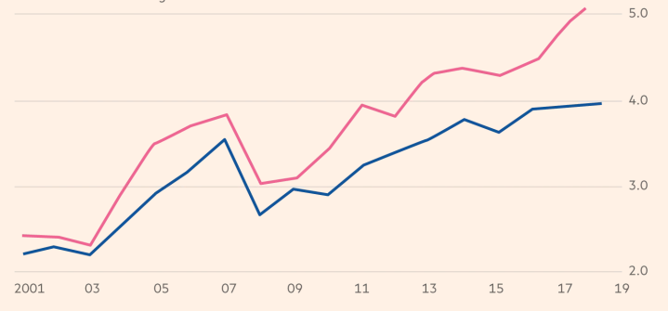

Picture only, no data

 |  | Source: AFME, EFM, ECBC, ECB, ORBOF, Norges Bank and Finanstilsynet

5.6
[Title] | AIFs managed in Norway, by size
Source: | Finanstilsynet (AIFMD 2018)

 | Proportion of Norwegian AIFs | Proportion of assets under management (NAV)
<25 | 64.150943396 | 6.2474352531
25–100 | 17.735849057 | 12.387507792
100–250 | 10.943396226 | 21.117502321
250–500 | 3.7735849057 | 16.766958667
500–750 | 1.5094339623 | 11.967654979
>750 | 1.8867924528 | 31.512940989

5.7
[Title] | AIFs managed in Norway and the EEA, by type
Sources: | ESMA (AIFMD 2017) and Finanstilsynet (AIFMD 2018)

Analysis of AIF types | Market share Norway, 2018 | Market share EEA, 2017
Funds of funds | 23.898795756 | 15.9310
Real estate funds | 29.46985168 | 10.7575
Hedge funds | 13.063315633 | 5.4198
Private equity funds | 13.904568725 | 4.1881
Other funds | 19.663468206 | 63.7036

5.8
[Title] | Retail investors, AIFs managed in Norway
Sources: | ESMA (AIFMD 2017) and Finanstilsynet (AIFMD 2018)

 | Private equity funds, Norway | Private equity funds, EEA | Hedge funds, Norway | Hedge funds, EEA | Funds of funds, Norway | Funds of funds, EEA | Real estate funds, Norway | Real estate funds, EEA | Other, Norway | Other, EEA
Professional investors | 92.224897065 | 92 | 97.037995001 | 97 | 48.943202758 | 69 | 91.902410846 | 73 | 88.104031826 | 84
Retail investors | 7.7751029346 | 8 | 2.9620049986 | 3 | 51.056797242 | 31 | 8.0975891536 | 27 | 11.895968174 | 16

5.9
[Title] | Detailed investor overview, AIFs managed in Norway
Source: | Finanstilsynet

 | Private equity funds | Funds of funds | Other | Real estate funds | Hedge funds
Banks | 9446158.6532 | 2512321.6473 | 17135913.107 | 867803.675 | 47423666.261
Public administration | 31680966.06 | 0 | 9432650.3405 | 49286309.113 | 2314671.9281
Households | 100323571.4 | 1697125907.1 | 83013621.728 | 489519074.69 | 96065024.697
Insurers | 21524338.446 | 104218006.93 | 769726819.87 | 125007333.54 | 62789900.906
Non-financial firms | 14974471.908 | 323724360.38 | 84870547.792 | 380607824.45 | 532213394.85
Other funds | 0 | 20017430.8 | 194187904.8 | 70325667.4 | 548048698.14
Other financial institutions | 211944274.48 | 200761281.68 | 382204948.97 | 123627713.3 | 97465506.801
Pension funds | 122800062.49 | 178444307.59 | 364821294.02 | 3768936419.6 | 227414203.68
Unknown | 35552292.955 | 323724453.07 | 194187904.8 | 123627713.3 | 227414203.68

5.10 A
[Title] | Hedge funds managed in Norway. Liquidity profile (the funds’ assessment of the investors' right to require redemption within different time intervals, measured against the share of the portfolio that can be realised, accumulated)
Source: | Finanstilsynet (AIFMD 2018)

 | Private equity funds | 0–1 | 2–7 | 8–30 | 31–90 | 91–180 | 181–365 | 365+
Private equity funds | Portfolio | 1.3362886551 | 1.6275012961 | 1.6275012961 | 1.6275012961 | 5.1858913749 | 14.569573246 | 100
Private equity funds | Investor | 0.066150169105 | 0.066150169105 | 0.066150169105 | 0.066150169105 | 0.30583414078 | 6.2866257836 | 100
Fund of funds | Portfolio | 10.87021758 | 16.479320953 | 63.478450468 | 87.7978937 | 88.148717781 | 88.223536144 | 100
Fund of funds | Investor | 7.1225472084 | 7.4754216504 | 50.92298199 | 77.334239771 | 86.811914119 | 86.811914119 | 100
Other | Portfolio | 36.750950897 | 51.499741301 | 66.526269556 | 80.043748307 | 81.228419142 | 96.52426566 | 100
Other | Investor | 7.8334332221 | 49.373775069 | 64.336571657 | 77.222114644 | 77.715805128 | 78.031272609 | 100
Real estate funds | Portfolio | 1.6682441218 | 1.6682441218 | 2.3064881719 | 9.5532310205 | 52.4867436 | 84.242645514 | 100
Real estate funds | Investor | 0 | 0 | 0.6382440501 | 7.8849868988 | 41.326893722 | 77.58578931 | 100
Hedge funds | Portfolio | 59.118129963 | 84.220665095 | 95.978538216 | 99.220150158 | 99.767094525 | 100 | 100
Hedge funds | Investor | 3.1713712125 | 3.6514946989 | 38.573346283 | 75.759400714 | 92.343799862 | 97.644092718 | 100
 |  | 0 | 0 | 0 | 0 | 0 | 0 | 0
Real estate funds | Portfolio | 5 | 6 | 7 | 18 | 42 | 60 | 100
Real estate funds | Investor | 17 | 25 | 28 | 31 | 40 | 53 | 100

5.10 B
[Title] | Private equity funds managed in Norway. Liquidity profile (the funds’ assessment of the investors' right to require redemption within different time intervals, measured against the share of the portfolio that can be realised, accumulated)
Source: | Finanstilsynet (AIFMD 2018)

 | Private equity funds | 0–1 | 2–7 | 8–30 | 31–90 | 91–180 | 181–365 | 365+
Private equity funds | Portfolio | 1.3362886551 | 1.6275012961 | 1.6275012961 | 1.6275012961 | 5.1858913749 | 14.569573246 | 100
Private equity funds | Investor | 0.066150169105 | 0.066150169105 | 0.066150169105 | 0.066150169105 | 0.30583414078 | 6.2866257836 | 100
Fund of funds | Portfolio | 10.87021758 | 16.479320953 | 63.478450468 | 87.7978937 | 88.148717781 | 88.223536144 | 100
Fund of funds | Investor | 7.1225472084 | 7.4754216504 | 50.92298199 | 77.334239771 | 86.811914119 | 86.811914119 | 100
Other | Portfolio | 36.750950897 | 51.499741301 | 66.526269556 | 80.043748307 | 81.228419142 | 96.52426566 | 100
Other | Investor | 7.8334332221 | 49.373775069 | 64.336571657 | 77.222114644 | 77.715805128 | 78.031272609 | 100
Real estate funds | Portfolio | 1.6682441218 | 1.6682441218 | 2.3064881719 | 9.5532310205 | 52.4867436 | 84.242645514 | 100
Real estate funds | Investor | 0 | 0 | 0.6382440501 | 7.8849868988 | 41.326893722 | 77.58578931 | 100
Hedge funds | Portfolio | 59.118129963 | 84.220665095 | 95.978538216 | 99.220150158 | 99.767094525 | 100 | 100
Hedge funds | Investor | 3.1713712125 | 3.6514946989 | 38.573346283 | 75.759400714 | 92.343799862 | 97.644092718 | 100
 |  | 0 | 0 | 0 | 0 | 0 | 0 | 0
Real estate funds | Portfolio | 5 | 6 | 7 | 18 | 42 | 60 | 100
Real estate funds | Investor | 17 | 25 | 28 | 31 | 40 | 53 | 100

5.10 C
[Title] | Real estate funds managed in Norway. Liquidity profile (the funds’ assessment of the investors' right to require redemption within different time intervals, measured against the share of the portfolio that can be realised, accumulated)
Source: | Finanstilsynet (AIFMD 2018)

 | Private equity funds | 0–1 | 2–7 | 8–30 | 31–90 | 91–180 | 181–365 | 365+
Private equity funds | Portfolio | 1.3362886551 | 1.6275012961 | 1.6275012961 | 1.6275012961 | 5.1858913749 | 14.569573246 | 100
Private equity funds | Investor | 0.066150169105 | 0.066150169105 | 0.066150169105 | 0.066150169105 | 0.30583414078 | 6.2866257836 | 100
Fund of funds | Portfolio | 10.87021758 | 16.479320953 | 63.478450468 | 87.7978937 | 88.148717781 | 88.223536144 | 100
Fund of funds | Investor | 7.1225472084 | 7.4754216504 | 50.92298199 | 77.334239771 | 86.811914119 | 86.811914119 | 100
Other | Portfolio | 36.750950897 | 51.499741301 | 66.526269556 | 80.043748307 | 81.228419142 | 96.52426566 | 100
Other | Investor | 7.8334332221 | 49.373775069 | 64.336571657 | 77.222114644 | 77.715805128 | 78.031272609 | 100
Real estate funds | Portfolio | 1.6682441218 | 1.6682441218 | 2.3064881719 | 9.5532310205 | 52.4867436 | 84.242645514 | 100
Real estate funds | Investor | 0 | 0 | 0.6382440501 | 7.8849868988 | 41.326893722 | 77.58578931 | 100
Hedge funds | Portfolio | 59.118129963 | 84.220665095 | 95.978538216 | 99.220150158 | 99.767094525 | 100 | 100
Hedge funds | Investor | 3.1713712125 | 3.6514946989 | 38.573346283 | 75.759400714 | 92.343799862 | 97.644092718 | 100
 |  | 0 | 0 | 0 | 0 | 0 | 0 | 0
Real estate funds | Portfolio | 5 | 6 | 7 | 18 | 42 | 60 | 100
Real estate funds | Investor | 17 | 25 | 28 | 31 | 40 | 53 | 100

5.10 D
[Title] | Real estate funds – entire EEA. Liquidity profile (the funds’ assessment of the investors' right to require redemption within different time intervals, measured against the share of the portfolio that can be realised, accumulated)
Sources: | ESMA (AIFMD 2017) and Finanstilsynet (AIFMD 2018)

 | Private equity funds | 0–1 | 2–7 | 8–30 | 31–90 | 91–180 | 181–365 | 365+
Private equity funds | Portfolio | 1.3362886551 | 1.6275012961 | 1.6275012961 | 1.6275012961 | 5.1858913749 | 14.569573246 | 100
Private equity funds | Investor | 0.066150169105 | 0.066150169105 | 0.066150169105 | 0.066150169105 | 0.30583414078 | 6.2866257836 | 100
Fund of funds | Portfolio | 10.87021758 | 16.479320953 | 63.478450468 | 87.7978937 | 88.148717781 | 88.223536144 | 100
Fund of funds | Investor | 7.1225472084 | 7.4754216504 | 50.92298199 | 77.334239771 | 86.811914119 | 86.811914119 | 100
Other | Portfolio | 36.750950897 | 51.499741301 | 66.526269556 | 80.043748307 | 81.228419142 | 96.52426566 | 100
Other | Investor | 7.8334332221 | 49.373775069 | 64.336571657 | 77.222114644 | 77.715805128 | 78.031272609 | 100
Real estate funds | Portfolio | 1.6682441218 | 1.6682441218 | 2.3064881719 | 9.5532310205 | 52.4867436 | 84.242645514 | 100
Real estate funds | Investor | 0 | 0 | 0.6382440501 | 7.8849868988 | 41.326893722 | 77.58578931 | 100
Hedge funds | Portfolio | 59.118129963 | 84.220665095 | 95.978538216 | 99.220150158 | 99.767094525 | 100 | 100
Hedge funds | Investor | 3.1713712125 | 3.6514946989 | 38.573346283 | 75.759400714 | 92.343799862 | 97.644092718 | 100
 |  | 0 | 0 | 0 | 0 | 0 | 0 | 0
Real estate funds | Portfolio | 5 | 6 | 7 | 18 | 42 | 60 | 100
Real estate funds | Investor | 17 | 25 | 28 | 31 | 40 | 53 | 100

5.11
[Title] | Leverage of AIFs managed in Norway (100 per cent means no leverage)
Source: | Finanstilsynet (AIFMD 2018)

 | Private equity funds | Funds of funds | Other | Real estate funds | Hedge funds
Amount base (EUR billion) | 3.3 | 4.5 | 3.9 | 6.1 | 6.0
Total net asset value (EUR billion) | 3.0 | 4.5 | 3.9 | 5.6 | 2.7
Gross value/NAV | 108 | 100 | 100 | 109 | 226

5.12
[Title] | Portfolio composition, AIFs managed in Norway
Source: | Finanstilsynet (AIFMD 2018)

 | Private equity funds | Funds of funds | Other | Real estate funds | Hedge funds
Derivatives | 0.0 % | 0.0 % | 0.0 % | 0.0 % | 5.6 %
Cash and bonds | 0.5 % | 0.5 % | 27.4 % | 0.9 % | 17.3 %
Shares | 97.5 % | 8.9 % | 47.2 % | 16.4 % | 74.1 %
Funds | 1.2 % | 86.2 % | 17.2 % | 0.0 % | 3.0 %
Direct ownership | 0.0 % | 0.0 % | 6.6 % | 82.7 % | 0.0 %
Other | 0.8 % | 4.4 % | 1.7 % | 0.0 % | 0.0 %

