4.1
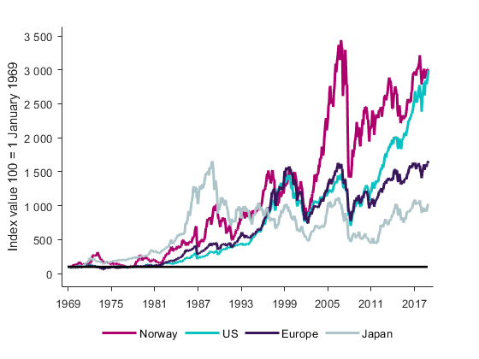
[Tittel] | 4.1 Stock market developments
Source: | Refinitiv
Note: | Based on MSCI indices

4.2
[Tittel] | Stock market volatility (standard deviation)
Sources: | Refinitiv and Finanstilsynet
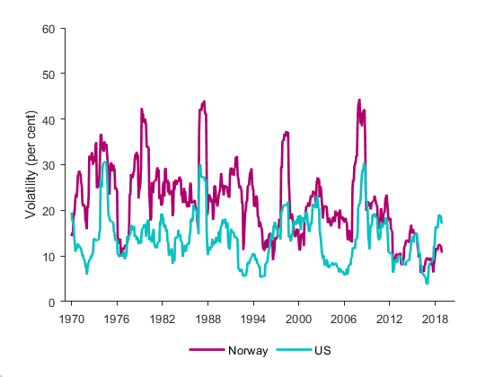

 |  | Time-varying volatility (standard deviation)

4.3
[Tittel] | Monthly return in the Norwegian stock market*
* January 1970 - November 2019
Source: | Refinitiv and Finanstilsynet
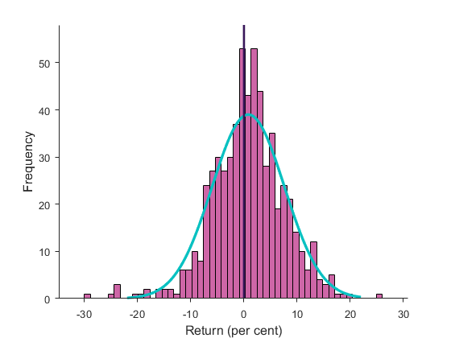
Note: | Monthly return.

4.4
[Tittel] | Correlation between stock market returns
Sources: | Refinitiv and Finanstilsynet
Note:
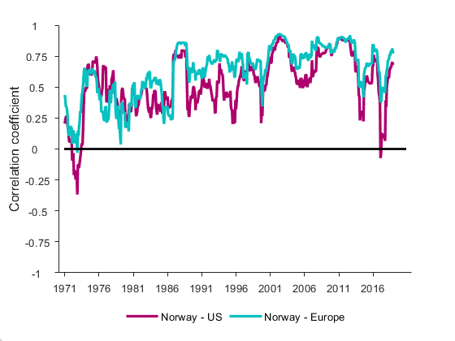

4.5
[Tittel] | Price-earnings ratio in the US
Source: | Refinitiv and Finanstilsynet
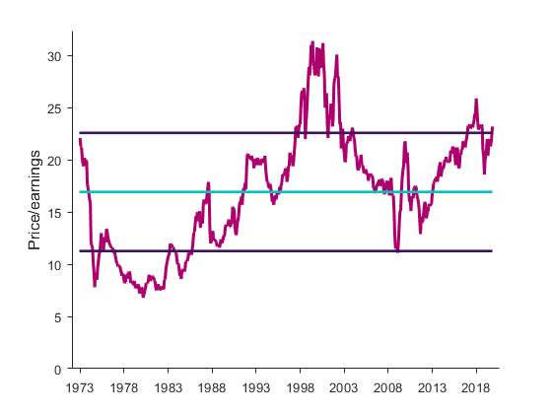

4.6
[Tittel] | Price-earnings ratio in Norway
Sources: | Refinitiv and Finanstilsynet
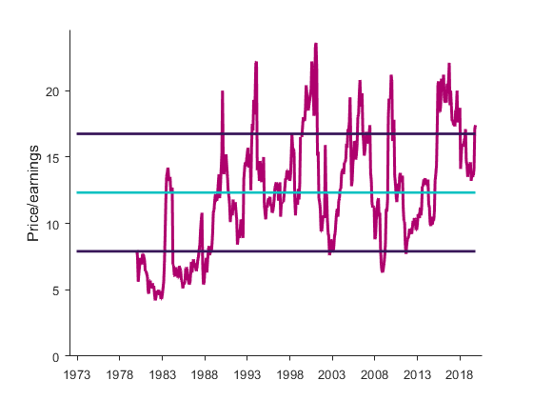

4.7
[Tittel] | 5-year government bond yields
Source: | Refinitiv
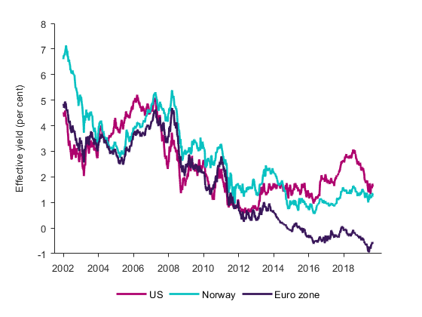

4.8
[Tittel] | Corporate bond yields (BBB, 5 years)
Source: | Refinitiv
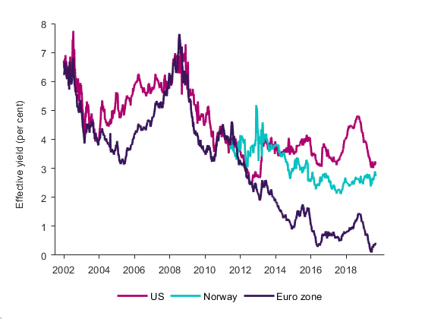

4.9
[Tittel] | Norwegian bond yields
Sources: | Refinitiv and Finanstilsynet
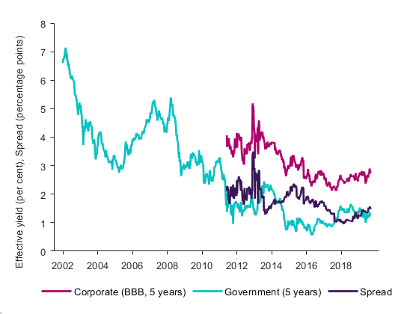

4.10
[Tittel] | Bond yields in the euro area
Sources: | Refinitiv and Finanstilsynet
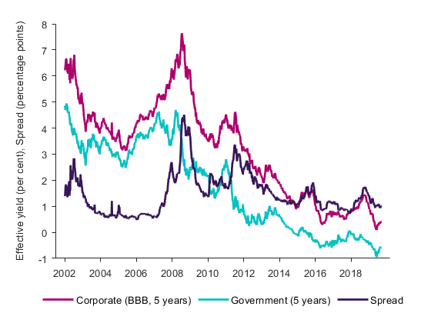

4.11
[Tittel] | Credit spreads in the euro area – BBB corporate bonds minus government bonds (5 years), 2002–2019
Sources: | Refinitiv and Finanstilsynet
Notes: | Weekly observations.
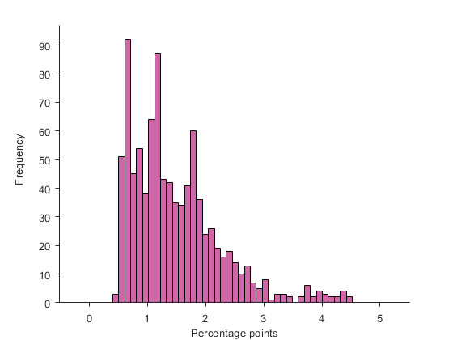

4.12
[Tittel] | Total share issues in listed companies
Source: | FESE

 |  | 2013 | 2014 | 2015 | 2016 | 2017 | 2018
 | NASDAQ Nordic & Baltic states | 0.504 | 4.703 | 6.1066 | 13.76856 | 3.85967 | 2.79154
 | Oslo Børs | 2.38 | 3.266 | 2.88814 | 2.7738 | 6.9518 | 5.15406

4.13
[Tittel] | Share issues in companies listed on Oslo Børs, Oslo Axess and Merkur Market – total
Source: | Oslo Børs
 | New issues | Dividend shares | Completed IPOs | No. of listed shares and equity cert.
2005 | 19.8 |  | 8.6 | 220
2006 | 48.2 |  | 8.7 | 230
2007 | 52.9 |  | 5.4 | 270
2008 | 14.8 |  | 0.2 | 260
2009 | 52.0 |  | - | 237
2010 | 45.8 |  | 16.2 | 240
2011 | 38.7 |  | 0.1 | 237
2012 | 16.8 |  | 1.7 | 228
2013 | 15.6 |  | 4.5 | 218
2014 | 21.3 |  | 6.2 | 220
2015 | 19.1 |  | 8.2 | 213
2016 | 26.2 |  | 1.6 | 223
2017 | 44.2 | 11.3 | 4.1 | 230
2018 | 38.6 | 2.7 | 4.5 | 241
Jan.–Nov. 2019 | 37.7 |  | 5.6 | 247

 | New issues | Dividend shares | Completed IPOs | No. of listed shares and equity cert.
2005 | 19.8 |  | 8.6 | 220
2006 | 48.2 |  | 8.7 | 230
2007 | 52.9 |  | 5.4 | 270
2008 | 14.8 |  | 0.2 | 260
2009 | 52.0 |  | - | 237
2010 | 45.8 |  | 16.2 | 240
2011 | 38.7 |  | 0.1 | 237
2012 | 16.8 |  | 1.7 | 228
2013 | 15.6 |  | 4.5 | 218
2014 | 21.3 |  | 6.2 | 220
2015 | 19.1 |  | 8.2 | 213
2016 | 26.2 |  | 1.6 | 223
2017 | 44.2 | 11.3 | 4.1 | 230
2018 | 38.6 | 2.7 | 4.5 | 241
Jan.–Nov. 2019 | 37.7 |  | 5.6 | 247

4.14
[Tittel] | Share issues in companies listed on Oslo Børs, Oslo Axess and Merkur Market – by industry
Source: | Oslo Børs
Note: | Including issues of dividend shares, e.g. in Equinor in 2017 (NOK 11.3 billion) and 2018 (NOK 2.6 billion).

 | 2005 | 2006 | 2007 | 2008 | 2009 | 2010 | 2011 | 2012 | 2013 | 2014 | 2015 | 2016 | 2017 | 2018 | Jan.–Nov. 2019
Energy | 11.6 | 28.2 | 30.1 | 7.3 | 16.0 | 15.1 | 15.5 | 6.2 | 13.7 | 11.6 | 7.3 | 10.9 | 33.0 | 18.6 | 13.1
Materials | 6.1 | 1.0 | 1.3 | 1.2 | 0.2 | 12.0 | 20.3 | 3.9 | 0.3 | 0.1 | 0.6 | 0.3 | 0.1 | 7.5 | 1.3
Industrials | 1.5 | 1.7 | 2.0 | 1.0 | 12.1 | 10.6 | 0.9 | 0.4 | 1.1 | 3.0 | 2.2 | 2.9 | 8.6 | 11.6 | 2.2
Finance | 1.3 | 2.7 | 11.4 | 3.1 | 16.6 | 11.8 | 0.2 | 2.6 | 0.2 | 5.5 | 4.7 | 2.7 | 4.2 | 0.9 | 0.9
Other | 8.0 | 23.3 | 10.5 | 2.3 | 7.1 | 12.5 | 1.8 | 5.5 | 4.8 | 7.4 | 12.5 | 11.0 | 13.7 | 7.9 | 25.1

Source: Oslo Børs

 | x

4.15
[Tittel] | 4.15 Proportion of high-yield corporate bonds in various industries. August 2019
Source: | Stamdata

 | High yield | Investment grade | Total
All industries | 0.49 | 0.52 | 1.00
Utilities | 0.04 | 0.96 | 1.00
Retail | 0.07 | 0.93 | 1.00
Property | 0.22 | 0.78 | 1.00
Transport | 0.30 | 0.71 | 1.00
Consumer services | 0.44 | 0.59 | 1.00
Industrials | 0.62 | 0.38 | 1.00
Oil and gas extraction | 0.85 | 0.15 | 1.00
Shipping | 0.90 | 0.10 | 1.00
Oil and gas service | 1.00 | - | 1.00
Seafood | 1.00 | - | 1.00
Telecom/IT | 1.00 | - | 1.00

4.16
[Tittel] | Increase in corporate bond holdings last twelve months
Source: | Stamdata
 | Industrials | Oil and gas | Property | Shipping | Energy supply | Other | Total
1/1/2013
2/1/2013
3/1/2013
4/1/2013
5/1/2013
6/1/2013
7/1/2013
8/1/2013
9/1/2013
10/1/2013
11/1/2013
12/1/2013
1/1/2014 | 6.7044272963 | 35.113841517 | 9.4716527747 | 3.4390672011 | 6.36230411 | 15.180777399 | 76.272070297
2/1/2014 | 8.440028139 | 31.514303529 | 7.6611043498 | 4.8226644211 | 4.5976363854 | 15.571206153 | 72.606942978
3/1/2014 | 7.3437552696 | 27.351075021 | 8.65832217 | 4.432953688 | 3.3812219515 | 15.188520221 | 66.355848321
4/1/2014 | 7.7542018049 | 21.979614006 | 8.9704206239 | 8.258384609 | 4.3349009322 | 13.582971432 | 64.880493408
5/1/2014 | 8.967576753 | 19.014306217 | 9.0979634158 | 8.38526473 | 0.88948969239 | 15.456931678 | 61.811532486
6/1/2014 | 5.9491344602 | 20.493218648 | 8.3423741102 | 8.22274984 | 3.7073246881 | 15.45810805 | 62.172909797
7/1/2014 | 0.51581011216 | 23.459351861 | 8.713997411 | 7.3695597547 | 3.1864342842 | 12.196270832 | 55.441424255
8/1/2014 | 0.70059562438 | 22.458276698 | 8.343211792 | 8.7197113145 | 5.7266903444 | 13.641668207 | 59.59015398
9/1/2014 | -0.42509224957 | 19.540353023 | 7.8904092773 | 8.3527384636 | 5.2499086488 | 13.838387238 | 54.446704401
10/1/2014 | -1.4513988825 | 19.797840772 | 7.7650799157 | 8.9751080269 | 6.8265826699 | 13.188573679 | 55.10178618
11/1/2014 | -0.91705765038 | 19.998533995 | 7.2640266113 | 9.5230604188 | 11.046557164 | 8.5740011648 | 55.489121703
12/1/2014 | -1.7040490693 | 19.039534251 | 6.3685588596 | 9.4212915025 | 6.4820965002 | 9.7046546904 | 49.312086734
1/1/2015 | 3.519049033 | 17.494748616 | 7.6426918477 | 8.8910326286 | 6.4978212671 | 10.34470436 | 54.390047753
2/1/2015 | 2.2769369249 | 22.623356646 | 7.5579289598 | 6.9821187987 | 9.1090199159 | 8.728682073 | 57.278043318
3/1/2015 | 2.5456086368 | 18.589391881 | 7.1048486594 | 6.3275658098 | 7.1829603005 | 7.1903495435 | 48.940724831
4/1/2015 | 2.6192892472 | 18.113235309 | 5.6044757168 | 2.3706333649 | 6.3568209081 | 7.5538191363 | 42.618273682
5/1/2015 | 0.30411426684 | 6.3294174591 | 4.5915708789 | 1.3863648135 | 5.8692570632 | 5.1123713285 | 23.59309581
6/1/2015 | 4.7620768752 | 11.716949882 | 6.4033438146 | 3.9396099663 | 2.9575471708 | 1.376438099 | 31.155965808
7/1/2015 | 5.7152707344 | 10.529510403 | 7.737921944 | 4.2725618714 | 4.384461604 | 1.3705183443 | 34.010244901
8/1/2015 | 5.9035675499 | 12.910187356 | 6.2705610161 | 3.6983228848 | 5.395090533 | 1.282345457 | 35.460074797
9/1/2015 | 6.1474253999 | 12.180030494 | 8.4361942794 | 4.08335492 | 5.9031649728 | 0.69411687662 | 37.444286943
10/1/2015 | 7.2367562026 | 10.326108649 | 6.3145225155 | 2.459280045 | 5.1304697299 | 1.3821196799 | 32.849256822
11/1/2015 | 7.0400397751 | 2.7375395702 | 5.7054272746 | 1.4070872731 | 1.3438636896 | -0.29083546228 | 17.94312212
12/1/2015 | 8.575991331 | 1.6985216765 | 6.7767702301 | 1.0209178747 | 1.7271311132 | 0.79815301114 | 20.597485237
1/1/2016 | 5.0103130516 | -1.307587674 | 11.143618579 | 1.9358457362 | -0.46091664341 | 3.4458682414 | 19.767141291
2/1/2016 | 4.1133678331 | -6.2086766871 | 11.132796821 | -0.44594762228 | -3.5150581217 | 2.0319256576 | 7.1084078801
3/1/2016 | 4.4313494628 | -4.8473238606 | 9.0067273405 | -0.61440610847 | -1.7282792211 | 3.4146381421 | 9.6627057553
4/1/2016 | 2.8582590171 | -8.2200616155 | 9.6946894215 | -1.1383633639 | -1.8987927721 | 2.8655431082 | 4.1612737953
5/1/2016 | 3.9884574901 | -0.72896186929 | 12.625434301 | -0.8016149354 | -1.1135993654 | 2.8075767934 | 16.777292414
6/1/2016 | 2.4143077637 | -10.087153782 | 12.158059463 | -2.9693366601 | -1.2736407102 | 1.1631514498 | 1.4053875236
7/1/2016 | 3.0620820878 | -14.085084815 | 13.716936336 | 0.98000205779 | -2.2694187668 | 2.5335657399 | 3.9380826396
8/1/2016 | 3.0593867551 | -15.076604082 | 18.135525331 | 0.55132595356 | -4.413685286 | 0.71854768244 | 2.9744963542
9/1/2016 | 3.0353221667 | -14.653753372 | 16.130091209 | 0.1305612494 | -6.7979002706 | 0.72754920173 | -1.4281298162
10/1/2016 | 1.3205311843 | -21.661161161 | 19.3417983 | 0.65717095672 | -10.169769597 | -9.3064647912 | -19.817895109
11/1/2016 | 1.0380356831 | -17.188203041 | 22.900465359 | 1.8994567778 | -7.2751751016 | -3.8433272534 | -2.4687475766
12/1/2016 | 0.4025567723 | -16.189711887 | 22.886264141 | 0.76255569059 | -7.2676881087 | -4.9231209145 | -4.3291443071
1/1/2017 | 0.96301909155 | -14.718555903 | 17.9714389 | -0.89280696124 | -4.0845309915 | -5.5679518531 | -6.3293877172
2/1/2017 | 0.70889652675 | -16.594945188 | 20.596115522 | 1.9148309932 | -4.3244100076 | -3.5431939445 | -1.2427060976
...

 | Industrials | Oil and gas | Property | Shipping | Energy supply | Other | Total
2013-01-01
2013-02-01
2013-03-01
2013-04-01
2013-05-01
2013-06-01
2013-07-01
2013-08-01
2013-09-01
2013-10-01
2013-11-01
2013-12-01
2014-01-01 | 6.7 | 35.1 | 9.5 | 3.4 | 6.4 | 15.2 | 76.3
2014-02-01 | 8.4 | 31.5 | 7.7 | 4.8 | 4.6 | 15.6 | 72.6
2014-03-01 | 7.3 | 27.4 | 8.7 | 4.4 | 3.4 | 15.2 | 66.4
2014-04-01 | 7.8 | 22.0 | 9.0 | 8.3 | 4.3 | 13.6 | 64.9
2014-05-01 | 9.0 | 19.0 | 9.1 | 8.4 | 0.9 | 15.5 | 61.8
2014-06-01 | 5.9 | 20.5 | 8.3 | 8.2 | 3.7 | 15.5 | 62.2
2014-07-01 | 0.5 | 23.5 | 8.7 | 7.4 | 3.2 | 12.2 | 55.4
2014-08-01 | 0.7 | 22.5 | 8.3 | 8.7 | 5.7 | 13.6 | 59.6
2014-09-01 | -0.4 | 19.5 | 7.9 | 8.4 | 5.2 | 13.8 | 54.4
2014-10-01 | -1.5 | 19.8 | 7.8 | 9.0 | 6.8 | 13.2 | 55.1
2014-11-01 | -0.9 | 20.0 | 7.3 | 9.5 | 11.0 | 8.6 | 55.5
2014-12-01 | -1.7 | 19.0 | 6.4 | 9.4 | 6.5 | 9.7 | 49.3
2015-01-01 | 3.5 | 17.5 | 7.6 | 8.9 | 6.5 | 10.3 | 54.4
2015-02-01 | 2.3 | 22.6 | 7.6 | 7.0 | 9.1 | 8.7 | 57.3
2015-03-01 | 2.5 | 18.6 | 7.1 | 6.3 | 7.2 | 7.2 | 48.9
2015-04-01 | 2.6 | 18.1 | 5.6 | 2.4 | 6.4 | 7.6 | 42.6
2015-05-01 | 0.3 | 6.3 | 4.6 | 1.4 | 5.9 | 5.1 | 23.6
2015-06-01 | 4.8 | 11.7 | 6.4 | 3.9 | 3.0 | 1.4 | 31.2
2015-07-01 | 5.7 | 10.5 | 7.7 | 4.3 | 4.4 | 1.4 | 34.0
2015-08-01 | 5.9 | 12.9 | 6.3 | 3.7 | 5.4 | 1.3 | 35.5
2015-09-01 | 6.1 | 12.2 | 8.4 | 4.1 | 5.9 | 0.7 | 37.4
2015-10-01 | 7.2 | 10.3 | 6.3 | 2.5 | 5.1 | 1.4 | 32.8
2015-11-01 | 7.0 | 2.7 | 5.7 | 1.4 | 1.3 | -0.3 | 17.9
2015-12-01 | 8.6 | 1.7 | 6.8 | 1.0 | 1.7 | 0.8 | 20.6
2016-01-01 | 5.0 | -1.3 | 11.1 | 1.9 | -0.5 | 3.4 | 19.8
2016-02-01 | 4.1 | -6.2 | 11.1 | -0.4 | -3.5 | 2.0 | 7.1
2016-03-01 | 4.4 | -4.8 | 9.0 | -0.6 | -1.7 | 3.4 | 9.7
2016-04-01 | 2.9 | -8.2 | 9.7 | -1.1 | -1.9 | 2.9 | 4.2
2016-05-01 | 4.0 | -0.7 | 12.6 | -0.8 | -1.1 | 2.8 | 16.8
2016-06-01 | 2.4 | -10.1 | 12.2 | -3.0 | -1.3 | 1.2 | 1.4
2016-07-01 | 3.1 | -14.1 | 13.7 | 1.0 | -2.3 | 2.5 | 3.9
2016-08-01 | 3.1 | -15.1 | 18.1 | 0.6 | -4.4 | 0.7 | 3.0
2016-09-01 | 3.0 | -14.7 | 16.1 | 0.1 | -6.8 | 0.7 | -1.4
2016-10-01 | 1.3 | -21.7 | 19.3 | 0.7 | -10.2 | -9.3 | -19.8
2016-11-01 | 1.0 | -17.2 | 22.9 | 1.9 | -7.3 | -3.8 | -2.5
2016-12-01 | 0.4 | -16.2 | 22.9 | 0.8 | -7.3 | -4.9 | -4.3
2017-01-01 | 1.0 | -14.7 | 18.0 | -0.9 | -4.1 | -5.6 | -6.3
2017-02-01 | 0.7 | -16.6 | 20.6 | 1.9 | -4.3 | -3.5 | -1.2
2017-03-01 | 1.0 | -9.1 | 23.4 | 4.4 | -6.5 | -2.9 | 10.3
2017-04-01 | 3.0 | -6.7 | 27.2 | 0.1 | -4.8 | -3.3 | 15.4
2017-05-01 | 1.0 | -5.9 | 24.4 | 0.3 | -6.2 | -4.4 | 9.3
2017-06-01 | 0.4 | -8.1 | 26.3 | 0.8 | 0.9 | -2.0 | 18.3
2017-07-01 | -0.3 | -13.1 | 23.6 | -3.7 | 1.1 | -3.5 | 3.9
2017-08-01 | -0.8 | -21.7 | 22.5 | -4.9 | 0.6 | -1.8 | -6.0
2017-09-01 | -0.9 | -21.6 | 23.2 | -3.2 | 2.4 | -1.7 | -1.8
2017-10-01 | -0.1 | -14.1 | 27.5 | -1.3 | 8.6 | 12.3 | 32.8
2017-11-01 | -0.3 | -18.5 | 27.6 | -2.7 | 8.8 | 10.5 | 25.3
2017-12-01 | 5.9 | -17.7 | 30.0 | 2.0 | 9.0 | 11.9 | 41.2
2018-01-01 | 10.0 | -22.4 | 31.4 | 3.7 | 5.7 | 9.3 | 37.8
2018-02-01 | 12.6 | -22.4 | 33.0 | 1.2 | 11.1 | 8.8 | 44.3
2018-03-01 | 11.8 | -27.0 | 30.5 | 3.4 | 12.8 | 8.9 | 40.4
2018-04-01 | 13.7 | -27.1 | 26.3 | 7.3 | 6.1 | 9.8 | 36.0
2018-05-01 | 15.9 | -23.3 | 28.8 | 7.5 | 6.0 | 10.0 | 44.9
2018-06-01 | 19.3 | -13.4 | 27.2 | 7.5 | -4.0 | 9.6 | 46.2
2018-07-01 | 18.4 | -9.8 | 30.3 | 7.1 | -5.0 | 9.7 | 50.7
2018-08-01 | 18.2 | -6.3 | 29.7 | 5.0 | -4.5 | 9.2 | 51.4
2018-09-01 | 19.0 | -2.3 | 29.3 | 4.9 | -4.2 | 9.8 | 56.5
2018-10-01 | 18.8 | -5.9 | 22.1 | 3.5 | -6.4 | 3.4 | 35.5
2018-11-01 | 15.0 | 3.1 | 19.4 | 4.9 | -7.5 | 3.2 | 38.1
2018-12-01 | 7.5 | -1.7 | 18.3 | 3.1 | -6.2 | 2.4 | 23.4
2019-01-01 | 4.0 | -2.0 | 16.8 | 4.0 | -4.9 | 4.6 | 22.5
2019-02-01 | 2.3 | 0.0 | 12.5 | 2.6 | -12.7 | 3.4 | 8.2
2019-03-01 | 3.0 | -6.3 | 15.2 | -0.5 | -11.9 | 2.9 | 2.4
2019-04-01 | 2.2 | -3.4 | 15.2 | -0.2 | -6.7 | 3.2 | 10.2
2019-05-01 | 4.0 | -5.8 | 12.6 | -1.2 | -6.9 | 7.7 | 10.4
2019-06-01 | 1.5 | -9.2 | 10.9 | -0.2 | -3.9 | 9.6 | 8.6
2019-07-01 | 5.5 | -12.2 | 9.0 | -0.6 | -2.1 | 14.0 | 13.5
2019-08-01 | 0.5 | -4.7 | 8.0 | 3.6 | -3.8 | 13.3 | 16.9

4.17
[Tittel] | Changes in assets in funds managed by Norwegian managers
Sources: | Norwegian Fund and Asset Management Association and Finanstilsynet

 | 2008 | 2009 | 2010 | 2011 | 2012 | 2013 | 2014 | 2015 | 2016 | 2017 | 2018 | 1q–3q 2019
Net subscriptions | -24 | 58 | 41 | 26 | 42 | 26 | 101 | 12 | 39 | 60 | 32 | 40
Total assets | 292 | 415 | 499 | 485 | 558 | 663 | 836 | 904 | 982 | 1,138 | 1,129 | 1,272
Capital gains | -94 | 65 | 43 | -39 | 31 | 79 | 72 | 57 | 38 | 97 | -41 | 104

4.18
[Tittel] | Effective maturity, global fixed-income funds
Source: | IMF

 | High-yield funds | Fixed-income funds (IG)
2014-12-31 | 7.93 | 6.71
2015-03-31 | 8.15 | 6.68
2015-06-30 | 8.06 | 6.64
2015-09-30 | 8.35 | 6.74
2015-12-31 | 8.41 | 6.79
2016-03-31 | 8.39 | 6.78
2016-06-30 | 8.85 | 6.86
2016-09-30 | 8.47 | 6.82
2016-12-31 | 8.22 | 6.93
2017-03-31 | 8.37 | 6.95
2017-06-30 | 8.36 | 6.94
2017-09-30 | 8.24 | 6.89
2017-12-31 | 8.58 | 6.96
2018-03-31 | 8.90 | 7.03
2018-06-30 | 9.33 | 7.07
2018-09-30 | 9.06 | 7.06
2018-12-31 | 9.51 | 6.89

4.19
[Tittel] | Share of investments of lower credit quality in the portfolio, global fixed-income funds
Source: | IMF

 |  | 2015-03-31 | 2019-03-31
Fixed-income funds | B-BB | 13.50 | 9.40
 | Below B | 2.49 | 1.51
 | Unrated | 1.67 | 10.53
High-yield funds | B-BB | 73.96 | 61.82
 | Below B | 13.44 | 10.49
 | Unrated | 3.73 | 20.75

4.A
[Tittel] | Position holders in the Norwegian market by country as at 30 September 2019
Source: | Finanstilsynet

Norway | 22
US | 87
UK | 88
Other | 60

4.C
[Tittel] | Short sale ratio compared with the OBX index
Source: | Finanstilsynet and Oslo Børs
 | Short sale ratio | OBX Index (right-hand scale)
1/2/2018 | 1.0576628362 | 744
1/3/2018 | 1.0634540972 | 746
1/4/2018 | 1.0756680664 | 754
1/5/2018 | 1.081234248 | 761
1/8/2018 | 1.0919914817 | 762
1/9/2018 | 1.0824653456 | 767
1/10/2018 | 1.0696082994 | 767
1/11/2018 | 1.0441964956 | 766
1/12/2018 | 1.059047052 | 766
1/15/2018 | 1.0372956405 | 766
1/16/2018 | 1.0334806785 | 767
1/17/2018 | 1.0065590828 | 763
1/18/2018 | 0.99118764628 | 760
1/19/2018 | 1.0058662822 | 762
1/22/2018 | 1.0148412931 | 768
1/23/2018 | 1.0112305549 | 766
1/24/2018 | 1.0225498998 | 763
1/25/2018 | 1.0161567113 | 756
1/26/2018 | 1.0181838978 | 752
1/29/2018 | 1.0115130865 | 747
1/30/2018 | 1.0105129443 | 737
1/31/2018 | 1.0033496327 | 738
2/1/2018 | 1.0006030356 | 746
2/2/2018 | 1.0094019529 | 739
2/5/2018 | 0.99318054778 | 735
2/6/2018 | 0.97227714679 | 719
2/7/2018 | 0.98142362015 | 733
2/8/2018 | 1.0076213782 | 730
2/9/2018 | 1.0159717108 | 722
2/12/2018 | 0.99241263017 | 731
2/13/2018 | 0.97740294809 | 732
2/14/2018 | 0.94730605015 | 727
2/15/2018 | 0.96698782212 | 734
2/16/2018 | 0.96278689501 | 742
2/19/2018 | 0.96188433878 | 739
2/20/2018 | 0.96130970999 | 742
2/21/2018 | 0.9604799089 | 744
2/22/2018 | 0.99340314998 | 744
2/23/2018 | 1.0110892019 | 754
2/26/2018 | 0.98613778441 | 752
2/27/2018 | 0.98655212307 | 751
2/28/2018 | 0.97272761156 | 751
3/1/2018 | 0.99203213846 | 742
3/2/2018 | 0.99643186086 | 727
3/5/2018 | 0.9964751554 | 735
3/6/2018 | 0.98190652381 | 750
3/7/2018 | 0.97377350731 | 745
3/8/2018 | 0.98236836024 | 747
3/9/2018 | 0.9672313911 | 749
3/12/2018 | 0.93810896991 | 749
...

 |  | Short sale ratio | OBX
 | 2018-01-02 | 1.0576628362 | 744
 | 2018-01-03 | 1.0634540972 | 746
 | 2018-01-04 | 1.0756680664 | 754
 | 2018-01-05 | 1.081234248 | 761
 | 2018-01-08 | 1.0919914817 | 762
 | 2018-01-09 | 1.0824653456 | 767
 | 2018-01-10 | 1.0696082994 | 767
 | 2018-01-11 | 1.0441964956 | 766
 | 2018-01-12 | 1.059047052 | 766
 | 2018-01-15 | 1.0372956405 | 766
 | 2018-01-16 | 1.0334806785 | 767
 | 2018-01-17 | 1.0065590828 | 763
 | 2018-01-18 | 0.99118764628 | 760
 | 2018-01-19 | 1.0058662822 | 762
 | 2018-01-22 | 1.0148412931 | 768
 | 2018-01-23 | 1.0112305549 | 766
 | 2018-01-24 | 1.0225498998 | 763
 | 2018-01-25 | 1.0161567113 | 756
 | 2018-01-26 | 1.0181838978 | 752
 | 2018-01-29 | 1.0115130865 | 747
 | 2018-01-30 | 1.0105129443 | 737
...

